CATALOGO
1380 | 21.00% | 24.00%
마감 | 합계 | 0 |  | ₩-
2022-05-06
조건 | 주문접수url | https://docs.google.com/forms/d/e/1FAIpQLScmAhAOhyOZR32K-RPYbJdcJyLV2Kby3FQDPH9vUjxcnDz75Q/viewform |  |  |  |  |  |  |  |  |  |  |  | A2 | 3XS | 2XS | XS | S | M | L | XL | 2XL | 3XL | 4XL
◆ 상품유형: 부티크 재고 ◆ 관부가세 포함: 관부가세 및 배송비 별도 ◆ 인도예정일: 컴펌 후 한달이내 ◆ 오더룰 1) 등급순/주문순으로 마감 2) <등급별 오더조건> 라이트(무료) : 800만원 이상 베이직 : 500만원 이상 프리미엄 : 300만원 이상 vip : 120만원 이상 |  |  |  |  |  |  |  |  |  |  |  |  |  | F | 24 | 25 | 26 | 27 | 28 | 29 | 30 | 31 | 32 | 33 | 34 | 35 | 36
 |  |  |  |  |  |  |  |  |  |  |  |  |  | FF | 34 | 34½ | 35 | 35½ | 36 | 36½ | 37 | 37½ | 38 | 38½ | 39 | 39½ | 40
 |  |  |  |  |  |  |  |  |  |  |  |  |  | FR | 32 | 34 | 36 | 38 | 40 | 42 | 44 | 46 | 48 | 50 | 52 | 54
 |  |  |  |  |  |  |  |  |  |  |  |  |  | Q | 37 | 38 | 39 | 40 | 41 | 42 | 43 | 44 | 45 | 46 | 47 | 48 | 49
 |  |  |  |  |  |  |  |  |  |  |  |  |  | S | 38 | 38.5 | 39 | 39.5 | 40 | 40.5 | 41 | 41.5 | 42 | 42.5 | 43 | 43.5 | 44
 |  |  |  |  |  |  |  |  |  |  |  |  |  | T | 34 | 35 | 36 | 37 | 38 | 39 | 40 | 41 | 42 | 43 | 44 | 45 | 46
 |  |  |  |  |  |  |  |  |  |  |  |  |  | TU | TU
관부가세 비포함, 배송비별도, 수수료 포함 |  | 이용사 입력 ---- 주문수량 | 옵션별개수 | 주문합계
공급가 (A열 클릭시 가격분석) | 상품분석 (B열 클릭시 상품분석) | 총수량입력 (예: 5) | 예: s사이즈 3개, L사이즈2개 |  | 1 |  | Costo | Retail | Linea | Descrizione | Modello | Variante | Sesso | Scalarino |  |  |  |  |  |  |  |  |  |  |  |  |  | Totale | TotalePrz
₩983,512 | http://helpstore.shop/keyword/ |  |  | ₩- | 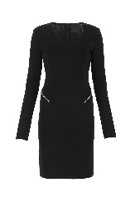 2 | GIVENCHYDonnaABITI | 589 | 1590 | GIVENCHY | ABITI | BW216A4ZA1 001 | Nero | Donna | A2 |  |  |  | 1 |  |  |  |  |  |  |  |  |  | 1 | 589
₩414,110 | http://helpstore.shop/keyword/ |  |  | ₩- | 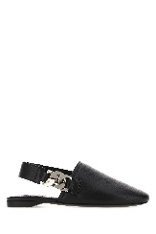 2 | GIVENCHYDonnaBALLERINE | 242 | 575 | GIVENCHY | MULES | BE200YE0Z0 001 | BLACK | Donna | FF |  |  | 1 |  |  |  |  |  |  |  |  |  |  | 1 | 242
₩814,531 | http://helpstore.shop/keyword/ |  |  | ₩- | 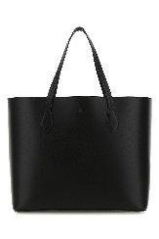 2 | GIVENCHYDonnaBORSE A MANO | 476 | 990 | GIVENCHY | BORSE A TRACOLLA | BB50HBB13M 001 | BLACK | Donna | TU | 1 |  |  |  |  |  |  |  |  |  |  |  |  | 1 | 476
₩859,947 | http://helpstore.shop/keyword/ |  |  | ₩- | 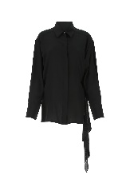 2 | GIVENCHYDonnaCAMICIE | 515 | 1390 | GIVENCHY | CAMICIE | BW60W112EH 001 | 001 | Donna | FR |  |  | 1 | 1 | 1 |  |  |  |  |  |  |  |  | 3 | 1545
₩427,469 | http://helpstore.shop/keyword/ |  |  | ₩- | 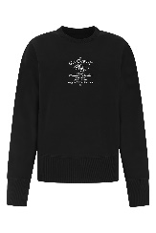 2 | GIVENCHYDonnaFELPE | 256 | 690 | GIVENCHY | FELPE | BWJ0213Z7A 001 | 001 | Donna | A2 |  |  | 1 |  |  | 1 |  |  |  |  |  |  |  | 2 | 512
₩736,382 | http://helpstore.shop/keyword/ |  |  | ₩- | 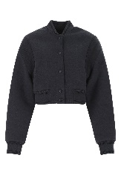 2 | GIVENCHYDonnaGIACCHE & GILET | 441 | 1318 | GIVENCHY | GIACCHE & GILET | BW00D14ZC3 403 | 403 | Donna | A2 |  |  |  |  | 1 |  |  |  |  |  |  |  |  | 1 | 441
₩736,382 | http://helpstore.shop/keyword/ |  |  | ₩- | 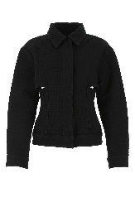 2 | GIVENCHYDonnaGIUBBINI | 441 | 1190 | GIVENCHY | GIUBBINI | BW00E250PQ 001 | 001 | Donna | A2 |  |  |  |  | 1 |  |  |  |  |  |  |  |  | 1 | 441
₩736,382 | http://helpstore.shop/keyword/ |  |  | ₩- | 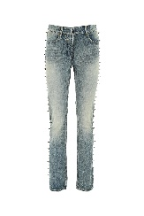 2 | GIVENCHYDonnaJEANS | 441 | 1190 | GIVENCHY | JEANS | BW50Q550N5 420 | MEDIUM BLUE | Donna | F |  |  | 1 |  |  |  |  |  |  |  |  |  |  | 1 | 441
₩278,857 | http://helpstore.shop/keyword/ |  |  | ₩- | 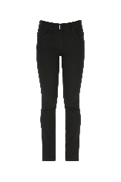 2 | GIVENCHYDonnaJEANS | 167 | 450 | GIVENCHY | JEANS | BW50QH50MQ 001 | BLACK | Donna | F | 1 | 1 | 1 |  |  |  |  |  |  |  |  |  |  | 3 | 501
₩501,382 | http://helpstore.shop/keyword/ |  |  | ₩- | 2 | GIVENCHYDonnaMOCASSINI | 293 | 825 | GIVENCHY | MOCASSINI | BE2011E12Q 001 | BLACK | Donna | FF |  |  |  |  | 1 |  |  |  |  |  |  |  |  | 1 | 293
₩521,916 | http://helpstore.shop/keyword/ |  |  | ₩- | 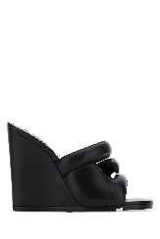 2 | GIVENCHYDonnaMULES | 305 | 725 | GIVENCHY | SANDALI | BE305PE00H 001 | BLACK | Donna | FF |  |  | 1 |  |  |  | 1 |  | 1 |  |  |  | 1 | 4 | 1220
₩227,590 | http://helpstore.shop/keyword/ |  |  | ₩- | 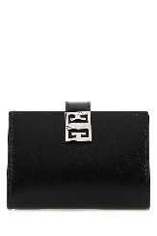 2 | GIVENCHYDonnaPORTAFOGLI | 133 | 275 | GIVENCHY | PORTAFOGLI | BB60GWB15S 001 | 001 | Donna | TU | 1 |  |  |  |  |  |  |  |  |  |  |  |  | 1 | 133
₩371,330 | http://helpstore.shop/keyword/ |  |  | ₩- | 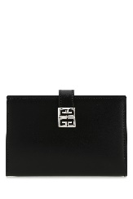 2 | GIVENCHYDonnaPORTAFOGLI | 217 | 450 | GIVENCHY | PORTAFOGLI | BB60GZB15S 001 | 001 | Donna | TU | 1 |  |  |  |  |  |  |  |  |  |  |  |  | 1 | 217
₩212,189 | http://helpstore.shop/keyword/ |  |  | ₩- | 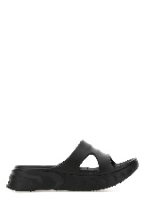 2 | GIVENCHYDonnaSANDALI | 124 | 295 | GIVENCHY | SANDALI | BE305AE0Y9 001 | BLACK | Donna | FF |  |  |  |  | 2 |  | 1 |  |  |  |  |  |  | 3 | 372
₩501,382 | http://helpstore.shop/keyword/ |  |  | ₩- | 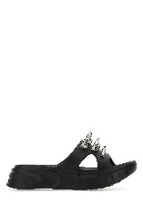 2 | GIVENCHYDonnaSANDALI | 293 | 695 | GIVENCHY | SANDALI | BE305AE13Z 001 | BLACK | Donna | FF |  |  |  |  | 2 |  | 1 |  | 1 |  |  |  |  | 4 | 1172
₩396,998 | http://helpstore.shop/keyword/ |  |  | ₩- |  2 | GIVENCHYDonnaSANDALI | 232 | 550 | GIVENCHY | SANDALI | BE305DE0ZG 001 | Nero | Donna | FF |  |  |  |  | 1 |  | 1 |  |  |  |  |  |  | 2 | 464
₩342,240 | http://helpstore.shop/keyword/ |  |  | ₩- |  2 | GIVENCHYDonnaSANDALI | 200 | 475 | GIVENCHY | SANDALI | BE305EE0ZC 001 | BLACK | Donna | FF |  |  | 1 |  |  |  |  |  |  |  |  |  |  | 1 | 200
₩501,382 | http://helpstore.shop/keyword/ |  |  | ₩- | 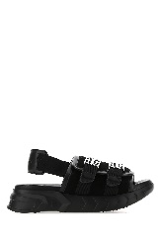 2 | GIVENCHYDonnaSANDALI | 293 | 695 | GIVENCHY | SANDALI | BE305SE14B 001 | BLACK | Donna | FF |  |  |  |  | 2 |  | 1 |  | 1 |  | 1 |  |  | 5 | 1465
₩342,240 | http://helpstore.shop/keyword/ |  |  | ₩- | 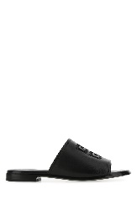 2 | GIVENCHYDonnaSANDALI | 200 | 475 | GIVENCHY | SANDALI | BE3068E0ZC 001 | 001 | Donna | FF |  |  |  |  | 1 |  | 1 |  | 1 | 1 | 1 |  |  | 5 | 1000
₩165,986 | http://helpstore.shop/keyword/ |  |  | ₩- | 2 | GIVENCHYDonnaSANDALI | 97 | 230 | GIVENCHY | SANDALI | BE3004EOUL 001 | 001 | Donna | T |  | 2 | 2 | 2 | 1 |  |  |  |  |  |  |  |  | 7 | 679
₩468,869 | http://helpstore.shop/keyword/ |  |  | ₩- | 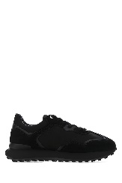 2 | GIVENCHYDonnaSNEAKERS | 274 | 650 | GIVENCHY | SNEAKERS | BE001TE11P 001 | BLACK | Donna | FF |  |  |  |  |  | 1 |  |  |  |  |  |  |  | 1 | 274
₩716,993 | http://helpstore.shop/keyword/ |  |  | ₩- | 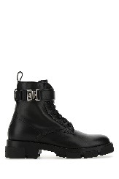 2 | GIVENCHYDonnaSTIVALI | 419 | 995 | GIVENCHY | STIVALI | BE603PE1AH 001 | 001 | Donna | FF |  |  |  |  | 1 | 1 |  | 1 | 1 |  |  |  |  | 4 | 1676
₩365,686 | http://helpstore.shop/keyword/ |  |  | ₩- | 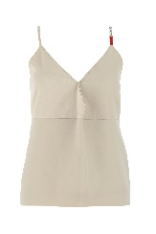 2 | GIVENCHYDonnaTOP | 219 | 590 | GIVENCHY | T-SHIRT | BW60U610F4 129 | DUSTY GREY | Donna | FR |  | 1 | 1 | 1 |  |  |  |  |  |  |  |  |  | 3 | 657
₩706,726 | http://helpstore.shop/keyword/ |  |  | ₩- | 2 | GIVENCHYUomoBORSE A MANO | 413 | 890 | GIVENCHY | BORSE A MANO | BK508MK17N 001 | BLACK | Uomo | TU | 1 |  |  |  |  |  |  |  |  |  |  |  |  | 1 | 413
₩317,262 | http://helpstore.shop/keyword/ |  |  | ₩- | 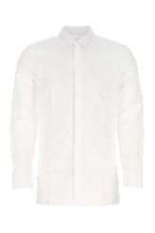 2 | GIVENCHYUomoCAMICIE | 190 | 450 | GIVENCHY | CAMICIE | BM60QH109F 100 | WHITE | Uomo | Q |  |  |  | 1 |  |  |  |  |  |  |  |  |  | 1 | 190
₩515,071 | http://helpstore.shop/keyword/ |  |  | ₩- | 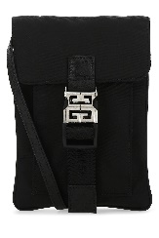 2 | GIVENCHYUomoEXTRA-ACCESSORI | 301 | 605 | GIVENCHY | BORSE A TRACOLLA | BK60APK17R 001 | 001 | Uomo | TU | 2 |  |  |  |  |  |  |  |  |  |  |  |  | 2 | 602
₩667,920 | http://helpstore.shop/keyword/ |  |  | ₩- | 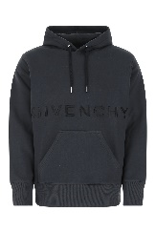 2 | GIVENCHYUomoFELPE | 400 | 950 | GIVENCHY | FELPE | BMJ0CQ3Y6V 403 | 403 | Uomo | A2 |  |  |  |  |  | 1 | 1 |  |  |  |  |  |  | 2 | 800
₩976,833 | http://helpstore.shop/keyword/ |  |  | ₩- | 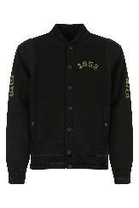 2 | GIVENCHYUomoGIUBBINI | 585 | 1390 | GIVENCHY | GIUBBINI | BM00V34Y9M 001 | 001 | Uomo | A2 |  |  |  | 1 | 1 | 1 |  |  |  |  |  |  |  | 3 | 1755
₩414,110 | http://helpstore.shop/keyword/ |  |  | ₩- | 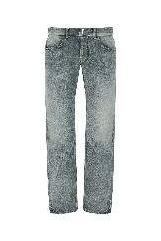 2 | GIVENCHYUomoJEANS | 248 | 590 | GIVENCHY | JEANS | BM50UY5Y1C 420 | MEDIUM BLUE | Uomo | F |  |  |  |  |  | 1 | 1 | 1 | 1 |  |  |  |  | 4 | 992
₩785,441 | http://helpstore.shop/keyword/ |  |  | ₩- | 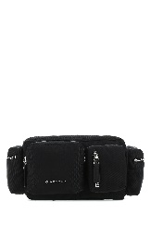 2 | GIVENCHYUomoMARSUPI | 459 | 990 | GIVENCHY | MARSUPI | BKU022K17S 001 | BLACK | Uomo | TU | 1 |  |  |  |  |  |  |  |  |  |  |  |  | 1 | 459
₩212,189 | http://helpstore.shop/keyword/ |  |  | ₩- | 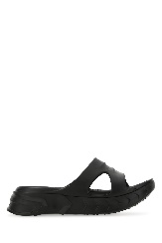 2 | GIVENCHYUomoSANDALI | 124 | 295 | GIVENCHY | SANDALI | BH301AH0UX 001 | 001 | Uomo | S |  |  |  |  | 1 |  | 1 |  | 1 |  | 1 |  |  | 4 | 496
₩645,122 | http://helpstore.shop/keyword/ |  |  | ₩- | 2 | GIVENCHYUomoSNEAKERS | 377 | 895 | GIVENCHY | SNEAKERS | BH004WH13B 116 | 116 | Uomo | S |  |  |  | 1 |  |  |  | 1 | 1 |  |  |  |  | 3 | 1131
₩716,993 | http://helpstore.shop/keyword/ |  |  | ₩- | 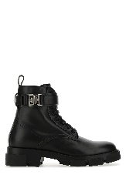 2 | GIVENCHYUomoSTIVALI | 419 | 995 | GIVENCHY | STIVALI | BH603FH14A 001 | 001 | Uomo | S |  |  |  |  | 1 |  | 1 |  | 1 |  | 1 |  | 1 | 5 | 2095
₩573,252 | http://helpstore.shop/keyword/ |  |  | ₩- | 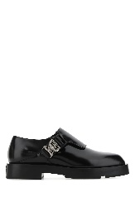 2 | GIVENCHYUomoSTRINGATE | 335 | 795 | GIVENCHY | STRINGATE | BH103BH135 001 | 001 | Uomo | S |  |  |  |  |  |  |  |  |  |  | 1 |  |  | 1 | 335
₩990,785 | http://helpstore.shop/keyword/ |  |  | ₩- | 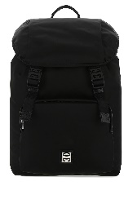 2 | GIVENCHYUomoZAINI | 579 | 1250 | GIVENCHY | ZAINI | BK508JK17R 001 | BLACK | Uomo | TU | 1 |  |  |  |  |  |  |  |  |  |  |  |  | 1 | 579
₩706,726 | http://helpstore.shop/keyword/ |  |  | ₩- | 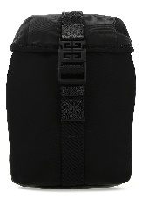 2 | GIVENCHYUomoZAINI | 413 | 890 | GIVENCHY | ZAINI | BKU02CK17R 001 | BLACK | Uomo | TU | 4 |  |  |  |  |  |  |  |  |  |  |  |  | 4 | 1652

