CATALOGO
1380 | 21.00% | 26.00%
마감 | 합계 | 0 |  | ₩-
2022-05-10
조건 | 주문접수url | https://docs.google.com/forms/d/e/1FAIpQLScmAhAOhyOZR32K-RPYbJdcJyLV2Kby3FQDPH9vUjxcnDz75Q/viewform
◆ 상품유형: 부티크 재고 ◆ 관부가세 포함: 관부가세 및 배송비 별도 ◆ 오더 컨펌: 7일 이내 ◆ 인도예정일: 컨펌 후 한 달 이내 ◆ 오더룰 1) 등급순/주문순으로 마감 2) <등급별 오더조건> 라이트(무료) : 800만원 이상 베이직 : 500만원 이상 프리미엄 : 300만원 이상 vip : 120만원 이상

 |  |  |  |  |  |  |  |  |  |  |  |  |  | A2 | 3XS | 2XS | XS | S | M | L | XL | 2XL | 3XL | 4XL
 |  |  |  |  |  |  |  |  |  |  |  |  |  | FF | 34 | 34½ | 35 | 35½ | 36 | 36½ | 37 | 37½ | 38 | 38½ | 39
 |  |  |  |  |  |  |  |  |  |  |  |  |  | TU | TU
 |  |  |  |  |  |  |  |  |  |  |  |  |  | V | 32 | 34 | 36 | 38 | 40 | 42 | 44 | 46 | 48 | 50 | 52
관부가세 비포함, 배송비별도, 수수료 포함 |  | 이용사 입력 ---- 주문수량 | 옵션별개수 | 주문합계
공급가 (A열 클릭시 가격분석) | 상품분석 (B열 클릭시 상품분석) | 총수량입력 (예: 5) | 예: s사이즈 3개, L사이즈2개 |  | 1 |  | Costo | Retail | Linea | Descrizione | Modello | Variante | Sesso | Scalarino |  |  |  |  |  |  |  |  |  |  |  | Totale | TotalePrz
₩584,430 | http://helpstore.shop/keyword/ |  |  | ₩- | 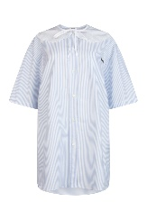 2 | MIU MIUDonnaABITI | 350 | 890 | MIU MIU | ABITI | MF452810MI F0012 | F0012 | Donna | V |  |  |  |  |  | 1 |  |  |  |  |  | 1 | 350
₩425,799 | http://helpstore.shop/keyword/ |  |  | ₩- | 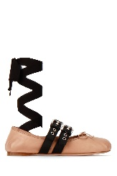 2 | MIU MIUDonnaBALLERINE | 255 | 630 | MIU MIU | BALLERINE | 5F466A3KSR F034U | NUDO NERO | Donna | FF |  |  |  |  | 1 |  |  |  |  |  |  | 1 | 255
₩1,008,504 | http://helpstore.shop/keyword/ |  |  | ₩- | 2 | MIU MIUDonnaBORSE A MANO | 580 | 1400 | MIU MIU | BORSE A MANO | 5BA231VOOO2AJB F0009 | F0009 | Donna | TU | 2 |  |  |  |  |  |  |  |  |  |  | 2 | 1160
₩608,580 | http://helpstore.shop/keyword/ |  |  | ₩- | 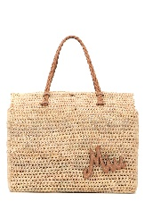 2 | MIU MIUDonnaBORSE A MANO | 350 | 850 | MIU MIU | BORSE A MANO | 5BG227VOOO2DOZ F0KFZ | NATURALE CARAMEL | Donna | TU | 1 |  |  |  |  |  |  |  |  |  |  | 1 | 350
₩1,217,160 | http://helpstore.shop/keyword/ |  |  | ₩- | 2 | MIU MIUDonnaBORSE A SPALLA | 700 | 1700 | MIU MIU | BORSE A SPALLA | 5BC117VOOO2DDJ F0002 | F0002 | Donna | TU | 1 |  |  |  |  |  |  |  |  |  |  | 1 | 700
₩991,116 | http://helpstore.shop/keyword/ |  |  | ₩- | 2 | MIU MIUDonnaBORSE A SPALLA | 570 | 1350 | MIU MIU | BORSE A SPALLA | 5BE014N88 F0361 | Nuvola | Donna | TU | 1 |  |  |  |  |  |  |  |  |  |  | 1 | 570
₩991,116 | http://helpstore.shop/keyword/ |  |  | ₩- | 2 | MIU MIUDonnaBORSE A SPALLA | 570 | 1350 | MIU MIU | BORSE A SPALLA | 5BE014N88 F0D91 | F0D91 | Donna | TU | 1 |  |  |  |  |  |  |  |  |  |  | 1 | 570
₩904,176 | http://helpstore.shop/keyword/ |  |  | ₩- | 2 | MIU MIUDonnaBORSE A TRACOLLA | 520 | 1250 | MIU MIU | BORSE A TRACOLLA | 5BH190VNOO2DNV F010F | F010F | Donna | TU | 1 |  |  |  |  |  |  |  |  |  |  | 1 | 520
₩904,176 | http://helpstore.shop/keyword/ |  |  | ₩- | 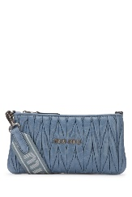 2 | MIU MIUDonnaBORSE A TRACOLLA | 520 | 1250 | MIU MIU | BORSE A TRACOLLA | 5BH190VNOO2DNV F0637 | F0637 | Donna | TU | 1 |  |  |  |  |  |  |  |  |  |  | 1 | 520
₩799,848 | http://helpstore.shop/keyword/ |  |  | ₩- | 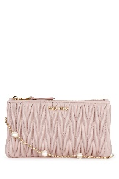 2 | MIU MIUDonnaBORSE A TRACOLLA | 460 | 1100 | MIU MIU | BORSE A TRACOLLA | 5BP073VWOO2F3M F0D91 | F0D91 | Donna | TU | 1 |  |  |  |  |  |  |  |  |  |  | 1 | 460
₩269,514 | http://helpstore.shop/keyword/ |  |  | ₩- | 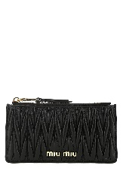 2 | MIU MIUDonnaBORSE CLUTCH | 155 | 360 | MIU MIU | POCHETTE | 5MB006N88 F0002 | Nero | Donna | TU | 5 |  |  |  |  |  |  |  |  |  |  | 5 | 775
₩312,984 | http://helpstore.shop/keyword/ |  |  | ₩- | 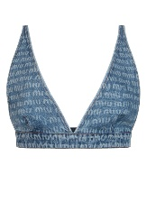 2 | MIU MIUDonnaCAMICIE | 180 | 450 | MIU MIU | CAMICIE | GWT03710DP F0013 | F0013 | Donna | V |  |  | 3 | 4 | 2 |  |  |  |  |  |  | 9 | 1620
₩234,738 | http://helpstore.shop/keyword/ |  |  | ₩- | 2 | MIU MIUDonnaEXTRA-ACCESSORI | 135 | 320 | MIU MIU | EXTRA-ACCESSORI | 5JF1242DTU F0SAJ | F0SAJ | Donna | TU | 1 |  |  |  |  |  |  |  |  |  |  | 1 | 135
₩173,880 | http://helpstore.shop/keyword/ |  |  | ₩- | 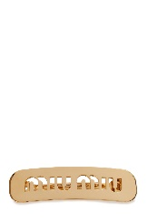 2 | MIU MIUDonnaEXTRA-ACCESSORI | 100 | 250 | MIU MIU | EXTRA-ACCESSORI | 5JF1252DTU F0056 | F0056 | Donna | TU | 2 |  |  |  |  |  |  |  |  |  |  | 2 | 200
₩551,034 | http://helpstore.shop/keyword/ |  |  | ₩- | 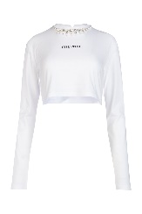 2 | MIU MIUDonnaFELPE | 330 | 780 | MIU MIU | FELPE | MJL7831ZF5 F0009 | Bianco | Donna | A2 |  |  |  | 3 | 3 | 3 |  |  |  |  |  | 9 | 2970
₩567,732 | http://helpstore.shop/keyword/ |  |  | ₩- | 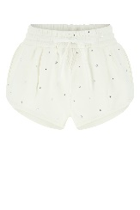 2 | MIU MIUDonnaFELPE | 340 | 720 | MIU MIU | FELPE | MJP2251ZFR F0009 | F0009 | Donna | V |  |  |  | 1 | 1 | 1 |  |  |  |  |  | 3 | 1020
₩467,544 | http://helpstore.shop/keyword/ |  |  | ₩- | 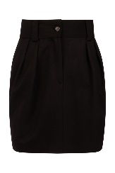 2 | MIU MIUDonnaGONNE | 280 | 710 | MIU MIU | GONNE | MG17151R1 F0002 | F0002 | Donna | V |  |  |  |  | 1 | 1 |  |  |  |  |  | 2 | 560
₩484,242 | http://helpstore.shop/keyword/ |  |  | ₩- | 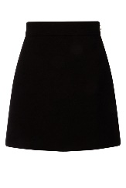 2 | MIU MIUDonnaGONNE | 290 | 740 | MIU MIU | GONNE | MG1722GWV F0002 | F0002 | Donna | V |  |  |  | 1 |  | 1 |  |  |  |  |  | 2 | 580
₩367,356 | http://helpstore.shop/keyword/ |  |  | ₩- | 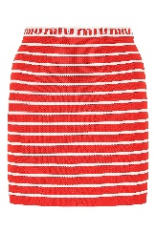 2 | MIU MIUDonnaGONNE | 220 | 1500 | MIU MIU | GONNE | MMG37610KN F0976 | F0976 | Donna | V |  |  |  | 1 | 1 |  |  |  |  |  |  | 2 | 440
₩484,242 | http://helpstore.shop/keyword/ |  |  | ₩- | 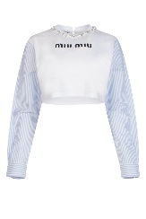 2 | MIU MIUDonnaMAGLIERIA | 290 | 720 | MIU MIU | MAGLIERIA | MJL8161V6F F0009 | F0009 | Donna | A2 |  |  | 1 | 1 |  | 1 |  |  |  |  |  | 3 | 870
₩500,940 | http://helpstore.shop/keyword/ |  |  | ₩- | 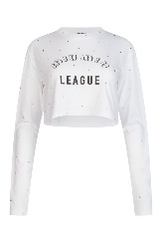 2 | MIU MIUDonnaMAGLIERIA | 300 | 520 | MIU MIU | MAGLIERIA | MJL8221ZFS F0009 | F0009 | Donna | A2 |  |  | 1 | 1 | 1 | 2 |  |  |  |  |  | 5 | 1500
₩601,128 | http://helpstore.shop/keyword/ |  |  | ₩- | 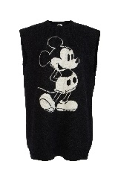 2 | MIU MIUDonnaMAGLIERIA | 360 | 880 | MIU MIU | MAGLIERIA | MMA7101ZAN F0308 | Antracite | Donna | V |  |  |  | 1 | 3 | 1 |  |  |  |  |  | 5 | 1800
₩667,920 | http://helpstore.shop/keyword/ |  |  | ₩- | 2 | MIU MIUDonnaMAGLIERIA | 400 | 1100 | MIU MIU | MAGLIERIA | MML605103V F0021 | F0021 | Donna | V |  |  |  |  | 1 | 1 |  |  |  |  |  | 2 | 800
₩300,564 | http://helpstore.shop/keyword/ |  |  | ₩- | 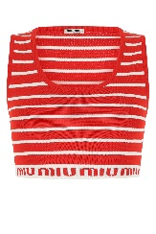 2 | MIU MIUDonnaMAGLIERIA | 180 | 1250 | MIU MIU | MAGLIERIA | MMV01010KN F0976 | F0976 | Donna | V |  |  | 2 | 1 | 1 |  |  |  |  |  |  | 4 | 720
₩1,068,672 | http://helpstore.shop/keyword/ |  |  | ₩- | 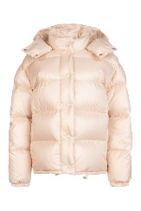 2 | MIU MIUDonnaPIUMINI | 640 | 1550 | MIU MIU | PIUMINI | ML734HU7 F0770 | CAMMEO | Donna | V |  |  |  |  | 2 | 1 |  |  |  |  |  | 3 | 1920
₩1,836,780 | http://helpstore.shop/keyword/ |  |  | ₩- | 2 | MIU MIUDonnaPIUMINI | 1100 | 2600 | MIU MIU | PIUMINI | MZV0031ZQ4 F0036 | F0036 | Donna | V |  |  |  | 4 | 5 | 3 |  |  |  |  |  | 12 | 13200
₩258,819 | http://helpstore.shop/keyword/ |  |  | ₩- | 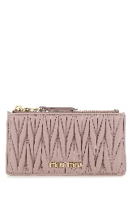 2 | MIU MIUDonnaPORTAFOGLI | 155 | 360 | MIU MIU | PORTAFOGLI | 5MB006N88 F0D91 | OPALE | Donna | TU | 1 |  |  |  |  |  |  |  |  |  |  | 1 | 155
₩183,678 | http://helpstore.shop/keyword/ |  |  | ₩- | 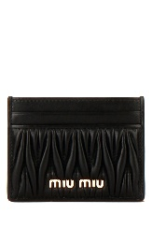 2 | MIU MIUDonnaPORTAFOGLI | 110 | 260 | MIU MIU | PORTAFOGLI | 5MC076N88 F0002 | Nero | Donna | TU | 1 |  |  |  |  |  |  |  |  |  |  | 1 | 110
₩166,980 | http://helpstore.shop/keyword/ |  |  | ₩- | 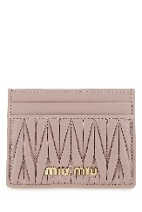 2 | MIU MIUDonnaPORTAFOGLI | 100 | 260 | MIU MIU | PORTAFOGLI | 5MC076N88 F0D91 | OPALE | Donna | TU | 1 |  |  |  |  |  |  |  |  |  |  | 1 | 100
₩242,121 | http://helpstore.shop/keyword/ |  |  | ₩- | 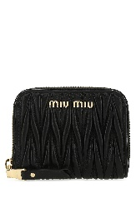 2 | MIU MIUDonnaPORTAFOGLI | 145 | 330 | MIU MIU | PORTAFOGLI | 5MM268N88 F0002 | Nero | Donna | TU | 1 |  |  |  |  |  |  |  |  |  |  | 1 | 145
₩400,752 | http://helpstore.shop/keyword/ |  |  | ₩- | 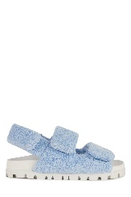 2 | MIU MIUDonnaSANDALI | 240 | 590 | MIU MIU | SANDALI | 5X710DH39 F0076 | F0076 | Donna | FF |  |  |  |  | 1 |  |  |  |  |  |  | 1 | 240
₩350,658 | http://helpstore.shop/keyword/ |  |  | ₩- |  2 | MIU MIUDonnaSANDALI | 210 | 520 | MIU MIU | SANDALI | 5XX5583LKY F0016 | F0016 | Donna | FF |  |  |  |  |  |  | 1 |  |  |  | 1 | 2 | 420
₩542,685 | http://helpstore.shop/keyword/ |  |  | ₩- | 2 | MIU MIUDonnaSCARPE CON TACCO | 325 | 770 | MIU MIU | SCARPE CON TACCO | 5I006CF085JHR F0002 | F0002 | Donna | FF |  |  |  | 1 | 2 | 1 | 1 | 1 | 2 |  | 1 | 9 | 2925
₩542,685 | http://helpstore.shop/keyword/ |  |  | ₩- | 2 | MIU MIUDonnaSCARPE CON TACCO | 325 | 770 | MIU MIU | SCARPE CON TACCO | 5I280DF055JHR F0002 | F0002 | Donna | FF |  |  |  | 1 | 2 | 2 | 1 | 2 | 2 |  | 1 | 11 | 3575
₩542,685 | http://helpstore.shop/keyword/ |  |  | ₩- | 2 | MIU MIUDonnaSCARPE CON TACCO | 325 | 770 | MIU MIU | SCARPE CON TACCO | 5I280DF055JHR F0236 | F0236 | Donna | FF |  |  |  | 1 | 2 | 2 | 2 | 1 | 2 |  |  | 10 | 3250
₩467,544 | http://helpstore.shop/keyword/ |  |  | ₩- | 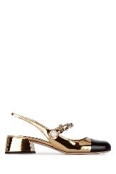 2 | MIU MIUDonnaSCARPE CON TACCO | 280 | 690 | MIU MIU | SCARPE CON TACCO | 5I460DF0353LDJ F0W3L | F0W3L | Donna | FF |  |  |  |  |  |  |  |  |  |  | 1 | 1 | 280
₩434,148 | http://helpstore.shop/keyword/ |  |  | ₩- | 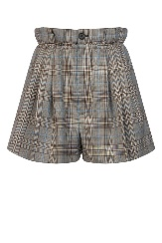 2 | MIU MIUDonnaSHORTS | 260 | 670 | MIU MIU | SHORTS | MP15311Z98 F0031 | F0031 | Donna | V |  |  |  | 1 | 1 |  |  |  |  |  |  | 2 | 520
₩434,148 | http://helpstore.shop/keyword/ |  |  | ₩- | 2 | MIU MIUDonnaSNEAKERS | 260 | 610 | MIU MIU | SNEAKERS | 5E373DF010GUD F0009 | F0009 | Donna | FF |  |  |  |  |  |  |  |  |  |  | 1 | 1 | 260
₩551,034 | http://helpstore.shop/keyword/ |  |  | ₩- | 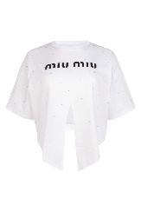 2 | MIU MIUDonnaT-SHIRT | 330 | 780 | MIU MIU | T-SHIRT | MJN3041ZFS F0009 | Bianco | Donna | A2 |  |  | 1 | 1 | 2 | 1 |  |  |  |  |  | 5 | 1650
₩434,148 | http://helpstore.shop/keyword/ |  |  | ₩- | 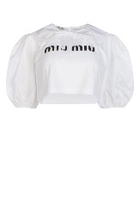 2 | MIU MIUDonnaT-SHIRT | 260 | 650 | MIU MIU | T-SHIRT | MJN35010OM F0009 | F0009 | Donna | A2 |  |  |  |  | 1 |  |  |  |  |  |  | 1 | 260
₩500,940 | http://helpstore.shop/keyword/ |  |  | ₩- | 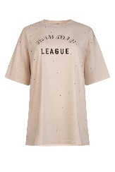 2 | MIU MIUDonnaT-SHIRT | 300 | 850 | MIU MIU | T-SHIRT | MJN3571ZFS F0036 | F0036 | Donna | A2 |  |  |  |  |  | 1 |  |  |  |  |  | 1 | 300
₩300,564 | http://helpstore.shop/keyword/ |  |  | ₩- | 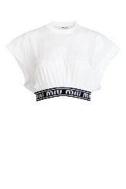 2 | MIU MIUDonnaT-SHIRT | 180 | 390 | MIU MIU | T-SHIRT & CANOTTE | MJT6321YIA F0009 | Bianco | Donna | A2 |  |  | 1 | 1 | 1 | 1 |  |  |  |  |  | 4 | 720

