CATALOGO
1380 | 32.00% | 35.00% |  |  |  |  |  |  |  |  |  |  |  | A2 | 3XS | 2XS | XS | S | M | L | XL | 2XL | 3XL | 4XL
마감 | 합계 | 0 |  | ₩- |  |  |  |  |  |  |  |  |  | FF | 34 | 34½ | 35 | 35½ | 36 | 36½ | 37 | 37½ | 38 | 38½ | 39 | 39½ | 40
2022-01-20 |  |  |  |  |  |  |  |  |  |  |  |  |  | FR | 32 | 34 | 36 | 38 | 40 | 42 | 44 | 46 | 48 | 50 | 52 | 54
조건 |  |  |  |  |  |  |  |  |  |  |  |  |  | Q | 37 | 38 | 39 | 40 | 41 | 42 | 43 | 44 | 45 | 46 | 47 | 48 | 49
스니커즈 선택시 다른카테고리 필수 선택 |  |  |  |  |  |  |  |  |  |  |  |  |  | S | 38 | 38.5 | 39 | 39.5 | 40 | 40.5 | 41 | 41.5 | 42 | 42.5 | 43 | 43.5 | 44
관부가세 비포함, 배송비별도, 수수료 포함 |  | 이용사 입력 ---- 주문수량 | 옵션별개수 | 주문합계 |  |  |  |  |  |  |  |  |  | T | 34 | 35 | 36 | 37 | 38 | 39 | 40 | 41 | 42 | 43 | 44 | 45 | 46
공급가 (A열 클릭시 가격분석) | 상품분석 (B열 클릭시 상품분석) | 총수량입력 (예: 5) | 예: s사이즈 3개, L사이즈2개 |  |  |  |  |  |  |  |  |  |  | TB | 00 | 0 | 1 | 2 | 3 | 4 | 5 | 6 | 7 | 8 | 9 | 10
 |  |  |  |  |  |  |  |  |  |  |  |  |  | TU | TU

 |  |  |  |  |  |  | Costo | Retail | Linea | Descrizione | Modello | Variante | Sesso | Scalarino |  |  |  |  |  |  |  |  |  |  |  |  |  | Totale | TotalePrz
₩1,302,444 | http://helpstore.shop/keyword/658871TKP14 |  |  | ₩- | 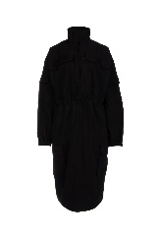 | BALENCIAGADonnaABITI | 715 | 1750 | BALENCIAGA | ABITI | 658871TKP14 1000 | 1000 | Donna | FR |  | 1 | 1 |  |  |  |  |  |  |  |  |  |  | 2 | 1430
₩1,679,515 | http://helpstore.shop/keyword/6617262X507 |  |  | ₩- | 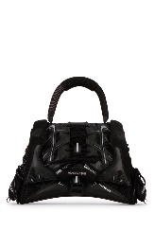 | BALENCIAGADonnaBORSE A MANO | 922 | 1750 | BALENCIAGA | BORSE A MANO | 6617262X507 1000 | BLACK | Donna | TU | 1 |  |  |  |  |  |  |  |  |  |  |  |  | 1 | 922
₩1,679,515 | http://helpstore.shop/keyword/6617262X50Y |  |  | ₩- | 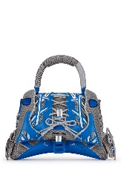 | BALENCIAGADonnaBORSE A MANO | 922 | 1750 | BALENCIAGA | BORSE A MANO | 6617262X50Y 4162 | BLUE GREY | Donna | TU | 1 |  |  |  |  |  |  |  |  |  |  |  |  | 1 | 922
₩724,997 | http://helpstore.shop/keyword/6617272X50Y |  |  | ₩- | 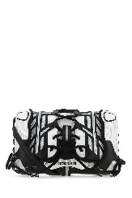 | BALENCIAGADonnaBORSE A MANO | 398 | 795 | BALENCIAGA | BORSE A MANO | 6617272X50Y 1090 | BLACK WHITE | Donna | TU | 1 |  |  |  |  |  |  |  |  |  |  |  |  | 1 | 398
₩724,997 | http://helpstore.shop/keyword/6617272X50Y |  |  | ₩- | 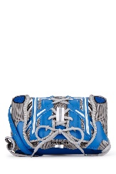 | BALENCIAGADonnaBORSE A MANO | 398 | 795 | BALENCIAGA | BORSE A MANO | 6617272X50Y 4162 | BLUE GREY | Donna | TU | 2 |  |  |  |  |  |  |  |  |  |  |  |  | 2 | 796
₩1,870,783 | http://helpstore.shop/keyword/67863411R51 |  |  | ₩- | 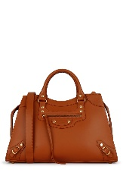 | BALENCIAGADonnaBORSE A MANO | 1027 | 1950 | BALENCIAGA | BORSE A MANO | 67863411R51 2702 | 2702 | Donna | TU | 2 |  |  |  |  |  |  |  |  |  |  |  |  | 2 | 2054
₩1,909,037 | http://helpstore.shop/keyword/6786341ROD1 |  |  | ₩- | 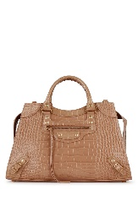 | BALENCIAGADonnaBORSE A MANO | 1048 | 1990 | BALENCIAGA | BORSE A MANO | 6786341ROD1 9607 | 9607 | Donna | TU | 2 |  |  |  |  |  |  |  |  |  |  |  |  | 2 | 2096
₩816,077 | http://helpstore.shop/keyword/6646761LRGM |  |  | ₩- | 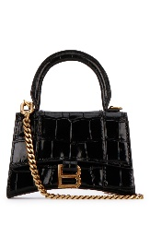 | BALENCIAGADonnaBORSE A TRACOLLA | 448 | 850 | BALENCIAGA | BORSE A TRACOLLA | 6646761LRGM 1000 | 1000 | Donna | TU | 2 |  |  |  |  |  |  |  |  |  |  |  |  | 2 | 896
₩737,748 | http://helpstore.shop/keyword/595072TLLA5 |  |  | ₩- | 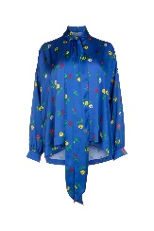 | BALENCIAGADonnaCAMICIE | 405 | 990 | BALENCIAGA | CAMICIE | 595072TLLA5 4011 | 4011 | Donna | FR |  |  | 1 | 1 |  |  |  |  |  |  |  |  |  | 2 | 810
₩289,634 | http://helpstore.shop/keyword/661600310B2 |  |  | ₩- | 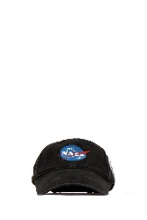 | BALENCIAGADonnaCAPPELLI | 159 | 0 | BALENCIAGA | CAPPELLI | 661600310B2 1000 | 1000 | Donna | A2 |  |  |  |  |  | 2 |  |  |  |  |  |  |  | 2 | 318
₩595,663 | http://helpstore.shop/keyword/675003TLVB4 |  |  | ₩- | 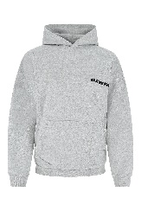 | BALENCIAGADonnaFELPE | 327 | 750 | BALENCIAGA | FELPE | 675003TLVB4 1167 | 1167 | Donna | TB |  |  |  |  | 1 |  |  |  |  |  |  |  |  | 1 | 327
₩1,109,354 | http://helpstore.shop/keyword/662182TAV04 |  |  | ₩- | 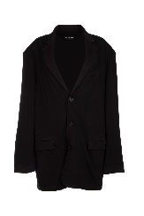 | BALENCIAGADonnaGIACCHE & GILET | 609 | 0 | BALENCIAGA | GIACCHE & GILET | 662182TAV04 1000 | 1000 | Donna | A2 |  |  |  | 1 |  |  |  |  |  |  |  |  |  | 1 | 609
₩1,025,561 | http://helpstore.shop/keyword/663081TJOB9 |  |  | ₩- | 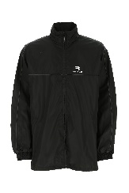 | BALENCIAGADonnaGIUBBINI | 563 | 1350 | BALENCIAGA | GIUBBINI | 663081TJOB9 1000 | 1000 | Donna | A2 |  |  | 1 | 2 | 1 |  |  |  |  |  |  |  |  | 4 | 2252
₩517,334 | http://helpstore.shop/keyword/675235TJW57 |  |  | ₩- | 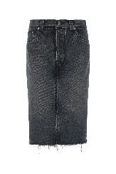 | BALENCIAGADonnaGONNE | 284 | 695 | BALENCIAGA | GONNE | 675235TJW57 9373 | 9373 | Donna | FR |  |  | 1 | 1 |  |  |  |  |  |  |  |  |  | 2 | 568
₩666,706 | http://helpstore.shop/keyword/662183TAV04 |  |  | ₩- | 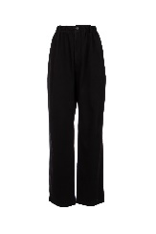 | BALENCIAGADonnaPANTALONI | 366 | 895 | BALENCIAGA | PANTALONI | 662183TAV04 1000 | 1000 | Donna | A2 |  |  | 1 |  |  |  |  |  |  |  |  |  |  | 1 | 366
₩930,838 | http://helpstore.shop/keyword/662835TKV31 |  |  | ₩- | 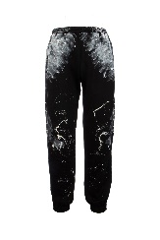 | BALENCIAGADonnaPANTALONI | 511 | 1250 | BALENCIAGA | PANTALONI | 662835TKV31 1000 | 1000 | Donna | A2 |  |  | 1 | 1 |  |  |  |  |  |  |  |  |  | 2 | 1022
₩471,794 | http://helpstore.shop/keyword/675247TLVA1 |  |  | ₩- | 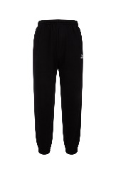 | BALENCIAGADonnaPANTALONI | 259 | 565 | BALENCIAGA | PANTALONI | 675247TLVA1 1070 | 1070 | Donna | A2 |  |  |  |  |  | 1 |  |  |  |  |  |  |  | 1 | 259
₩431,719 | http://helpstore.shop/keyword/6597831IZI3 |  |  | ₩- | 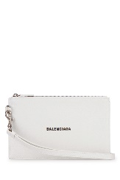 | BALENCIAGADonnaPORTAFOGLI | 237 | 450 | BALENCIAGA | PORTAFOGLI | 6597831IZI3 9060 | 9060 | Donna | TU | 3 |  |  |  |  |  |  |  |  |  |  |  |  | 3 | 711
₩431,719 | http://helpstore.shop/keyword/6597831IZIM |  |  | ₩- | 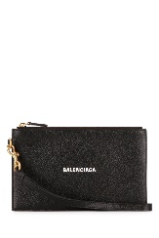 | BALENCIAGADonnaPORTAFOGLI | 237 | 450 | BALENCIAGA | PORTAFOGLI | 6597831IZIM 1090 | 1090 | Donna | TU | 3 |  |  |  |  |  |  |  |  |  |  |  |  | 3 | 711
₩178,517 | http://helpstore.shop/keyword/6717172100B |  |  | ₩- | 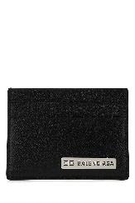 | BALENCIAGADonnaPORTAFOGLI | 98 | 195 | BALENCIAGA | PORTAFOGLI | 6717172100B 1000 | 1000 | Donna | TU | 1 |  |  |  |  |  |  |  |  |  |  |  |  | 1 | 98
₩251,381 | http://helpstore.shop/keyword/6717182100B |  |  | ₩- | 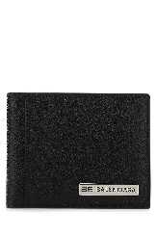 | BALENCIAGADonnaPORTAFOGLI | 138 | 275 | BALENCIAGA | PORTAFOGLI | 6717182100B 1000 | 1000 | Donna | TU | 1 |  |  |  |  |  |  |  |  |  |  |  |  | 1 | 138
₩269,597 | http://helpstore.shop/keyword/6717192100B |  |  | ₩- | 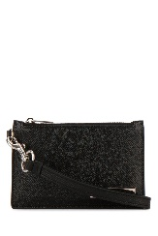 | BALENCIAGADonnaPORTAFOGLI | 148 | 295 | BALENCIAGA | PORTAFOGLI | 6717192100B 1000 | 1000 | Donna | TU | 1 |  |  |  |  |  |  |  |  |  |  |  |  | 1 | 148
₩471,794 | http://helpstore.shop/keyword/659881WA910 |  |  | ₩- | 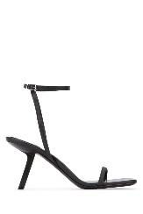 | BALENCIAGADonnaSANDALI | 259 | 595 | BALENCIAGA | SANDALI | 659881WA910 1000 | BLACK | Donna | FF |  |  |  |  | 1 |  | 1 | 1 | 1 |  | 1 |  | 1 | 6 | 1554
₩393,466 | http://helpstore.shop/keyword/664519WA910 |  |  | ₩- |  | BALENCIAGADonnaSANDALI | 216 | 495 | BALENCIAGA | SANDALI | 664519WA910 1000 | BLACK | Donna | FF |  |  |  |  | 1 |  | 1 |  | 2 |  |  |  | 1 | 5 | 1080
₩471,794 | http://helpstore.shop/keyword/628602W1802 |  |  | ₩- | 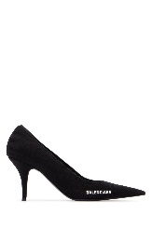 | BALENCIAGADonnaSCARPE CON TACCO | 259 | 595 | BALENCIAGA | PUMPS & SLINGBACKS | 628602W1802 1090 | BLACK WHITE | Donna | FF |  |  |  |  | 1 |  |  |  |  |  | 1 |  |  | 2 | 518
₩785,110 | http://helpstore.shop/keyword/524039W2CA3 |  |  | ₩- | 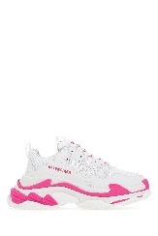 | BALENCIAGADonnaSNEAKERS | 431 | 775 | BALENCIAGA | SNEAKERS | 524039W2CA3 5390 | FLUO PINK WHIT GREY | Donna | FF |  |  | 1 |  |  |  |  |  | 1 |  | 1 |  | 1 | 4 | 1724
₩590,198 | http://helpstore.shop/keyword/524039W09OH |  |  | ₩- | 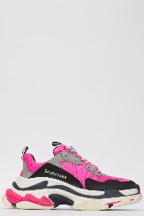 | BALENCIAGADonnaSNEAKERS | 324 | 750 | BALENCIAGA | SNEAKERS | 524039W09OH 6470 | FLUO PINK GREY /WHITE | Donna | T |  |  | 1 | 2 | 2 |  |  |  |  |  |  |  |  | 5 | 1620
₩683,100 | http://helpstore.shop/keyword/524039W09OM |  |  | ₩- |  | BALENCIAGADonnaSNEAKERS | 375 | 750 | BALENCIAGA | SNEAKERS | 524039W09OM 9054 | PINK WHITE BLUE | Donna | T |  |  |  |  |  | 1 |  |  |  |  |  |  |  | 1 | 375
₩327,888 | http://helpstore.shop/keyword/661705TKVF3 |  |  | ₩- | 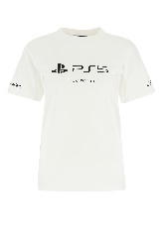 | BALENCIAGADonnaT-SHIRT | 180 | 0 | BALENCIAGA | T-SHIRT | 661705TKVF3 9040 | 9040 | Donna | A2 |  |  | 1 | 1 | 1 | 1 |  |  |  |  |  |  |  | 4 | 720
₩393,466 | http://helpstore.shop/keyword/675050TLVA6 |  |  | ₩- | 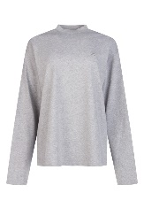 | BALENCIAGADonnaT-SHIRT | 216 | 495 | BALENCIAGA | T-SHIRT | 675050TLVA6 1217 | 1217 | Donna | TB |  |  | 1 | 1 | 1 |  |  |  |  |  |  |  |  | 3 | 648
₩313,315 | http://helpstore.shop/keyword/6784304A8B8 |  |  | ₩- | 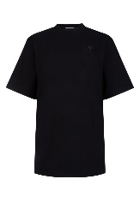 | BALENCIAGADonnaT-SHIRT | 172 | 395 | BALENCIAGA | T-SHIRT | 6784304A8B8 0100 | 0100 | Donna | TB |  |  |  | 1 |  |  |  |  |  |  |  |  |  | 1 | 172
₩1,821,600 | http://helpstore.shop/keyword/659054TKO30 |  |  | ₩- | 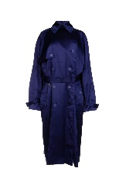 | BALENCIAGADonnaTRENCH & PARKA | 1000 | 0 | BALENCIAGA | TRENCH & PARKA | 659054TKO30 4140 | 4140 | Donna | FR |  | 1 | 1 |  |  |  |  |  |  |  |  |  |  | 2 | 2000
₩630,274 | http://helpstore.shop/keyword/534333TBL96 |  |  | ₩- | 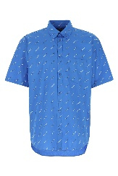 | BALENCIAGAUomoCAMICIE | 346 | 795 | BALENCIAGA | CAMICIE | 534333TBL96 7560 | 7560 | Uomo | Q |  |  | 1 |  |  |  |  |  |  |  |  |  |  | 1 | 346
₩1,025,561 | http://helpstore.shop/keyword/663081TJOB9 |  |  | ₩- |  | BALENCIAGAUomoFELPE | 563 | 1350 | BALENCIAGA | FELPE | 663081TJOB9 1000 | 1000 | Uomo | A2 |  |  | 2 | 2 | 2 | 1 |  |  |  |  |  |  |  | 7 | 3941
₩949,054 | http://helpstore.shop/keyword/662520T1608 |  |  | ₩- | 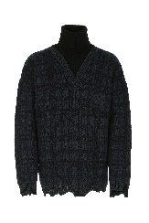 | BALENCIAGAUomoMAGLIERIA | 521 | 1250 | BALENCIAGA | MAGLIERIA | 662520T1608 3769 | 3769 | Uomo | A2 |  |  | 1 | 1 | 1 |  |  |  |  |  |  |  |  | 3 | 1563
₩688,565 | http://helpstore.shop/keyword/662728T3166 |  |  | ₩- | 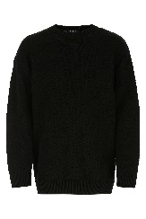 | BALENCIAGAUomoMAGLIERIA | 378 | 925 | BALENCIAGA | MAGLIERIA | 662728T3166 1000 | 1000 | Uomo | A2 |  |  | 2 | 2 | 3 | 1 |  |  |  |  |  |  |  | 8 | 3024
₩752,321 | http://helpstore.shop/keyword/664369T3211 |  |  | ₩- | 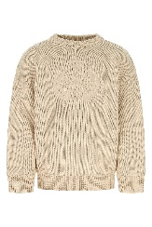 | BALENCIAGAUomoMAGLIERIA | 413 | 990 | BALENCIAGA | MAGLIERIA | 664369T3211 9028 | 9028 | Uomo | A2 |  |  |  | 1 |  |  |  |  |  |  |  |  |  | 1 | 413
₩1,131,214 | http://helpstore.shop/keyword/675293T3201 |  |  | ₩- | 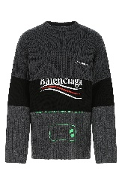 | BALENCIAGAUomoMAGLIERIA | 621 | 1490 | BALENCIAGA | MAGLIERIA | 675293T3201 1281 | 1281 | Uomo | A2 |  |  |  | 2 | 1 |  |  |  |  |  |  |  |  | 3 | 1863
₩595,663 | http://helpstore.shop/keyword/589338WA960 |  |  | ₩- | 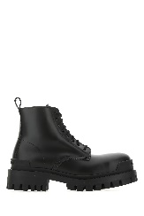 | BALENCIAGAUomoSTIVALI | 327 | 692 | BALENCIAGA | STIVALI | 589338WA960 1000 | BLACK | Uomo | S |  |  |  |  |  |  | 1 |  |  |  |  |  |  | 1 | 327
₩666,706 | http://helpstore.shop/keyword/5032212VZ37 |  |  | ₩- | 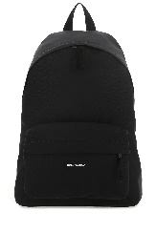 | BALENCIAGAUomoZAINI | 366 | 695 | BALENCIAGA | ZAINI | 5032212VZ37 1000 | BLACK | Uomo | TU | 1 |  |  |  |  |  |  |  |  |  |  |  |  | 1 | 366
₩- | http://helpstore.shop/keyword/ |  |  | ₩-
₩- | http://helpstore.shop/keyword/ |  |  | ₩-
₩- | http://helpstore.shop/keyword/ |  |  | ₩-
₩- | http://helpstore.shop/keyword/ |  |  | ₩-
₩- | http://helpstore.shop/keyword/ |  |  | ₩-
₩- | http://helpstore.shop/keyword/ |  |  | ₩-
₩- | http://helpstore.shop/keyword/ |  |  | ₩-
₩- | http://helpstore.shop/keyword/ |  |  | ₩-
₩- | http://helpstore.shop/keyword/ |  |  | ₩-
₩- | http://helpstore.shop/keyword/ |  |  | ₩-
₩- | http://helpstore.shop/keyword/ |  |  | ₩-
₩- | http://helpstore.shop/keyword/ |  |  | ₩-
₩- | http://helpstore.shop/keyword/ |  |  | ₩-
₩- | http://helpstore.shop/keyword/ |  |  | ₩-
₩- | http://helpstore.shop/keyword/ |  |  | ₩-
₩- | http://helpstore.shop/keyword/ |  |  | ₩-
₩- | http://helpstore.shop/keyword/ |  |  | ₩-
₩- | http://helpstore.shop/keyword/ |  |  | ₩-
₩- | http://helpstore.shop/keyword/ |  |  | ₩-
₩- | http://helpstore.shop/keyword/ |  |  | ₩-
₩- | http://helpstore.shop/keyword/ |  |  | ₩-
₩- | http://helpstore.shop/keyword/ |  |  | ₩-
₩- | http://helpstore.shop/keyword/ |  |  | ₩-
₩- | http://helpstore.shop/keyword/ |  |  | ₩-
₩- | http://helpstore.shop/keyword/ |  |  | ₩-
₩- | http://helpstore.shop/keyword/ |  |  | ₩-
₩- | http://helpstore.shop/keyword/ |  |  | ₩-
₩- | http://helpstore.shop/keyword/ |  |  | ₩-
₩- | http://helpstore.shop/keyword/ |  |  | ₩-
₩- | http://helpstore.shop/keyword/ |  |  | ₩-
₩- | http://helpstore.shop/keyword/ |  |  | ₩-
₩- | http://helpstore.shop/keyword/ |  |  | ₩-
₩- | http://helpstore.shop/keyword/ |  |  | ₩-
₩- | http://helpstore.shop/keyword/ |  |  | ₩-
₩- | http://helpstore.shop/keyword/ |  |  | ₩-
₩- | http://helpstore.shop/keyword/ |  |  | ₩-
₩- | http://helpstore.shop/keyword/ |  |  | ₩-
₩- | http://helpstore.shop/keyword/ |  |  | ₩-
₩- | http://helpstore.shop/keyword/ |  |  | ₩-
₩- | http://helpstore.shop/keyword/ |  |  | ₩-
₩- | http://helpstore.shop/keyword/ |  |  | ₩-
₩- | http://helpstore.shop/keyword/ |  |  | ₩-
₩- | http://helpstore.shop/keyword/ |  |  | ₩-
₩- | http://helpstore.shop/keyword/ |  |  | ₩-
₩- | http://helpstore.shop/keyword/ |  |  | ₩-
₩- | http://helpstore.shop/keyword/ |  |  | ₩-
₩- | http://helpstore.shop/keyword/ |  |  | ₩-
₩- | http://helpstore.shop/keyword/ |  |  | ₩-
₩- | http://helpstore.shop/keyword/ |  |  | ₩-
₩- | http://helpstore.shop/keyword/ |  |  | ₩-
₩- | http://helpstore.shop/keyword/ |  |  | ₩-
₩- | http://helpstore.shop/keyword/ |  |  | ₩-
₩- | http://helpstore.shop/keyword/ |  |  | ₩-
₩- | http://helpstore.shop/keyword/ |  |  | ₩-
₩- | http://helpstore.shop/keyword/ |  |  | ₩-
₩- | http://helpstore.shop/keyword/ |  |  | ₩-
₩- | http://helpstore.shop/keyword/ |  |  | ₩-
₩- | http://helpstore.shop/keyword/ |  |  | ₩-
₩- | http://helpstore.shop/keyword/ |  |  | ₩-
₩- | http://helpstore.shop/keyword/ |  |  | ₩-
₩- | http://helpstore.shop/keyword/ |  |  | ₩-
₩- | http://helpstore.shop/keyword/ |  |  | ₩-
₩- | http://helpstore.shop/keyword/ |  |  | ₩-
₩- | http://helpstore.shop/keyword/ |  |  | ₩-
₩- | http://helpstore.shop/keyword/ |  |  | ₩-
₩- | http://helpstore.shop/keyword/ |  |  | ₩-
₩- | http://helpstore.shop/keyword/ |  |  | ₩-
₩- | http://helpstore.shop/keyword/ |  |  | ₩-
₩- | http://helpstore.shop/keyword/ |  |  | ₩-
₩- | http://helpstore.shop/keyword/ |  |  | ₩-
₩- | http://helpstore.shop/keyword/ |  |  | ₩-
₩- | http://helpstore.shop/keyword/ |  |  | ₩-
₩- | http://helpstore.shop/keyword/ |  |  | ₩-
₩- | http://helpstore.shop/keyword/ |  |  | ₩-
₩- | http://helpstore.shop/keyword/ |  |  | ₩-
₩- | http://helpstore.shop/keyword/ |  |  | ₩-
₩- | http://helpstore.shop/keyword/ |  |  | ₩-
₩- | http://helpstore.shop/keyword/ |  |  | ₩-
₩- | http://helpstore.shop/keyword/ |  |  | ₩-
₩- | http://helpstore.shop/keyword/ |  |  | ₩-
₩- | http://helpstore.shop/keyword/ |  |  | ₩-
₩- | http://helpstore.shop/keyword/ |  |  | ₩-
₩- | http://helpstore.shop/keyword/ |  |  | ₩-
₩- | http://helpstore.shop/keyword/ |  |  | ₩-
₩- | http://helpstore.shop/keyword/ |  |  | ₩-
₩- | http://helpstore.shop/keyword/ |  |  | ₩-
₩- | http://helpstore.shop/keyword/ |  |  | ₩-
₩- | http://helpstore.shop/keyword/ |  |  | ₩-
₩- | http://helpstore.shop/keyword/ |  |  | ₩-
₩- | http://helpstore.shop/keyword/ |  |  | ₩-
₩- | http://helpstore.shop/keyword/ |  |  | ₩-
₩- | http://helpstore.shop/keyword/ |  |  | ₩-
₩- | http://helpstore.shop/keyword/ |  |  | ₩-
₩- | http://helpstore.shop/keyword/ |  |  | ₩-
₩- | http://helpstore.shop/keyword/ |  |  | ₩-
₩- | http://helpstore.shop/keyword/ |  |  | ₩-
₩- | http://helpstore.shop/keyword/ |  |  | ₩-
₩- | http://helpstore.shop/keyword/ |  |  | ₩-
₩- | http://helpstore.shop/keyword/ |  |  | ₩-
₩- | http://helpstore.shop/keyword/ |  |  | ₩-
₩- | http://helpstore.shop/keyword/ |  |  | ₩-
₩-
₩-
₩-
₩-
₩-
₩-
₩-
₩-
₩-
₩-
₩-
₩-
₩-
₩-
₩-
₩-
₩-
₩-
₩-
₩-
₩-
₩-
₩-
₩-
₩-
₩-
₩-
₩-
₩-
₩-
₩-
₩-
₩-
₩-
₩-
₩-
₩-
₩-
₩-
₩-
₩-
₩-
₩-
₩-
₩-
₩-
₩-
₩-
₩-
₩-
₩-
₩-
₩-
₩-
₩-
₩-
₩-
₩-
₩-
₩-
₩-
₩-
₩-
₩-
₩-
₩-
₩-
₩-
₩-
₩-
₩-
₩-
₩-
₩-
₩-
₩-
₩-
₩-
₩-
₩-
₩-
₩-
₩-
₩-
₩-
₩-
₩-
₩-
₩-
₩-
₩-
₩-
₩-
₩-
₩-
₩-
₩-
₩-
₩-
₩-
₩-
₩-
₩-
₩-
₩-
₩-
₩-
₩-
₩-
₩-
₩-
₩-
₩-
₩-
₩-
₩-
₩-
₩-
₩-
₩-
₩-
₩-
₩-
₩-
₩-
₩-
₩-
₩-
₩-
₩-
₩-
₩-
₩-
₩-
₩-
₩-
₩-
₩-
₩-
₩-
₩-
₩-
₩-
₩-
₩-
₩-
₩-
₩-
₩-
₩-
₩-
₩-
₩-
₩-
₩-
₩-
₩-
₩-
₩-
₩-
₩-
₩-
₩-
₩-
₩-
₩-
₩-
₩-
₩-
₩-
₩-
₩-
₩-
₩-
₩-
₩-
₩-
₩-
₩-
₩-
₩-
₩-
₩-
₩-
₩-
₩-
₩-
₩-
₩-
₩-
₩-
₩-
₩-
₩-
₩-
₩-
₩-
₩-
₩-
₩-
₩-
₩-
₩-
₩-
₩-
₩-
₩-
₩-
₩-
₩-
₩-
₩-
₩-
₩-
₩-
₩-
₩-
₩-
₩-
₩-
₩-
₩-
₩-
₩-
₩-
₩-
₩-
₩-
₩-
₩-
₩-
₩-
₩-

