CATALOGO
환율 | 조건 |  |  |  |  |  |  |  |  |  |  |  |  |  | A1 | XXS | XS | S | M | L | XL | XXL | XXXL
1360 | 37.00% |  |  |  |  |  |  |  |  |  |  |  |  |  | A2 | 3XS | 2XS | XS | S | M | L | XL | 2XL | 3XL | 4XL
 |  |  |  |  |  |  |  |  |  |  |  |  |  |  | AUK | 2 | 4 | 6 | 8 | 10 | 12 | 14 | 16 | 18 | 20
 |  |  |  |  |  |  |  |  |  |  |  |  |  |  | FF | 34 | 34½ | 35 | 35½ | 36 | 36½ | 37 | 37½ | 38 | 38½ | 39 | 39½ | 40 | 40½ | 41 | 41½ | 42
마감시간 | 합계 | 0 |  | ₩- |  |  |  |  |  |  |  |  |  |  | HH | 17 | 18 | 19 | 20 | 21 | 22 | 23 | 24 | 25 | 26 | 27 | 28 | 29 | 30 | 31 | 32 | 33 | 34 | 35
2021-12-23 18:00:00 | 주문접수url | https://docs.google.com/forms/d/e/1FAIpQLScmAhAOhyOZR32K-RPYbJdcJyLV2Kby3FQDPH9vUjxcnDz75Q/viewform |  |  |  |  |  |  |  |  |  |  |  |  | NBA | 1Y | 2Y | 3Y | 4Y | 5Y | 6Y | 8Y | 10Y | 12Y | 12Y+ | 14Y | 14Y+ | 16Y
<오더방법> (되는것만 확인가능) *a열 가격 클릭시 시장가 확인가능합니다. *b열 링크 클릭시 상품분석이 가능합니다. * 부티크 스탁오더(컨펌후 한달정도 소요) |  |  |  |  |  |  |  |  |  |  |  |  |  |  | NBM | 0M | 1M | 3M | 6M | 9M | 12M | 18M | 24M | 36M
 |  |  |  |  |  |  |  |  |  |  |  |  |  |  | S | 38 | 38.5 | 39 | 39.5 | 40 | 40.5 | 41 | 41.5 | 42 | 42.5 | 43 | 43.5 | 44 | 44.5 | 45 | 45.5 | 46 | 46.5 | 47
 |  |  |  |  |  |  |  |  |  |  |  |  |  |  | TU | TU
 |  |  |  |  |  |  |  |  |  |  |  |  |  |  | V | 32 | 34 | 36 | 38 | 40 | 42 | 44 | 46 | 48 | 50 | 52 | 54 | 56 | 58 | 60 | 62
관부가세 비포함, 배송비별도, 수수료 포함 |  | 이용사 입력 ---- 주문수량 | 옵션별개수 | 주문합계
공급가 (A열 클릭시 가격분석) | 상품분석 (B열 클릭시 상품분석) | 총수량입력 (예: 5) | 예: s사이즈 3개, L사이즈2개 |  |  |  |  | Costo | Retail | Linea | Descrizione | Modello | Variante | Sesso | Scalarino |  |  |  |  |  |  |  |  |  |  |  |  |  |  |  |  |  |  |  | Totale | TotalePrz
₩1,021,034 | http://helpstore.shop/keyword/8047010 |  |  | ₩- | 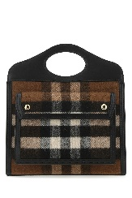 |  | BURBERRYDonnaBORSE A MANO | 548 | 1450 | BURBERRY | BORSE A MANO | 8047010 A01189 | A01189 | Donna | TU | 2 |  |  |  |  |  |  |  |  |  |  |  |  |  |  |  |  |  |  | 2 | 1096
₩668,889 | http://helpstore.shop/keyword/8047076 |  |  | ₩- |  | 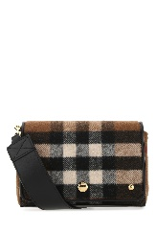 | BURBERRYDonnaBORSE A TRACOLLA | 359 | 950 | BURBERRY | BORSE A TRACOLLA | 8047076 A8773 | A8773 | Donna | TU | 1 |  |  |  |  |  |  |  |  |  |  |  |  |  |  |  |  |  |  | 1 | 359
₩304,261 | http://helpstore.shop/keyword/8022284 |  |  | ₩- |  | 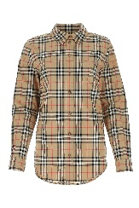 | BURBERRYDonnaCAMICIE | 163.3 | 400 | BURBERRY | CAMICIE & BLUSE | 8022284 A7028 | ARCHIVE BEIGE IP CHK | Donna | AUK |  | 1 | 1 | 1 |  |  |  |  |  |  |  |  |  |  |  |  |  |  |  | 3 | #VALUE!
₩454,621 | http://helpstore.shop/keyword/8024543 |  |  | ₩- |  | 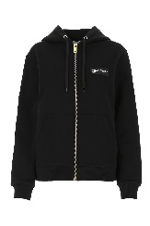 | BURBERRYDonnaFELPE | 244 | 620 | BURBERRY | FELPE | 8024543 A1189 | BLACK | Donna | A2 |  |  |  | 1 | 1 |  |  |  |  |  |  |  |  |  |  |  |  |  |  | 2 | 488
₩424,810 | http://helpstore.shop/keyword/8036691 |  |  | ₩- |  | 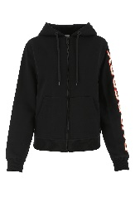 | BURBERRYDonnaFELPE | 228 | 580 | BURBERRY | FELPE | 8036691 A1189 | BLACK | Donna | A2 | 1 | 1 | 1 | 1 | 1 | 1 |  |  |  |  |  |  |  |  |  |  |  |  |  | 6 | 1368
₩475,116 | http://helpstore.shop/keyword/8043226 |  |  | ₩- |  | 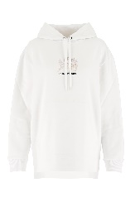 | BURBERRYDonnaFELPE | 255 | 650 | BURBERRY | MAGLIERIA | 8043226 A1464 | WHITE | Donna | A2 |  |  |  | 1 | 1 | 1 |  |  |  |  |  |  |  |  |  |  |  |  |  | 3 | 765
₩1,060,161 | http://helpstore.shop/keyword/8033466 |  |  | ₩- |  | 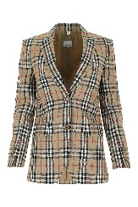 | BURBERRYDonnaGIACCHE & GILET | 569 | 1450 | BURBERRY | GIACCHE & GILET | 8033466 A7028 | ARCHIVE BEIGE IP CHK | Donna | AUK |  |  | 1 |  |  |  |  |  |  |  |  |  |  |  |  |  |  |  |  | 1 | 569
₩504,927 | http://helpstore.shop/keyword/8042202 |  |  | ₩- |  | 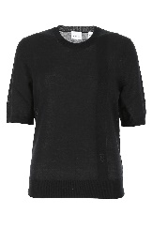 | BURBERRYDonnaMAGLIE | 271 | 690 | BURBERRY | MAGLIERIA | 8042202 A1189 | BLACK | Donna | A2 |  |  |  | 1 | 1 | 1 |  |  |  |  |  |  |  |  |  |  |  |  |  | 3 | 813
₩292,522 | http://helpstore.shop/keyword/8014010 |  |  | ₩- |  | 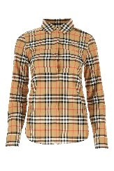 | BURBERRYDonnaMAGLIE | 157 | 400 | BURBERRY | TOP | 8014010 A2219 | ANTIQUE YEL IP CHK | Donna | AUK |  | 1 | 2 | 1 |  |  |  |  |  |  |  |  |  |  |  |  |  |  |  | 4 | 628
₩482,569 | http://helpstore.shop/keyword/8033467 |  |  | ₩- |  | 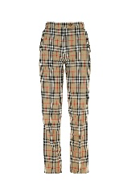 | BURBERRYDonnaPANTALONI | 259 | 660 | BURBERRY | PANTALONI | 8033467 A7028 | ARCHIVE BEIGE IP CHK | Donna | AUK |  | 1 |  |  |  |  |  |  |  |  |  |  |  |  |  |  |  |  |  | 1 | 259
₩417,357 | http://helpstore.shop/keyword/8037260 |  |  | ₩- |  |  | BURBERRYDonnaPANTALONI | 224 | 570 | BURBERRY | PANTALONI | 8037260 A1189 | BLACK | Donna | A2 |  |  |  |  |  | 1 |  |  |  |  |  |  |  |  |  |  |  |  |  | 1 | 224
₩352,145 | http://helpstore.shop/keyword/8024541 |  |  | ₩- |  | 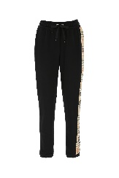 | BURBERRYDonnaPANTALONI | 189 | 480 | BURBERRY | PANTALONI | 8024541 A1189 | BLACK | Donna | A2 |  |  |  | 1 | 1 | 1 |  |  |  |  |  |  |  |  |  |  |  |  |  | 3 | 567
₩942,779 | http://helpstore.shop/keyword/8045955 |  |  | ₩- |  | 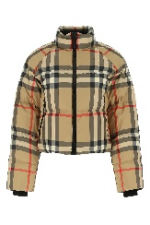 | BURBERRYDonnaPIUMINI | 506 | 1290 | BURBERRY | PIUMINI | 8045955 A7028 | A7028 | Donna | A2 |  |  | 1 |  |  |  |  |  |  |  |  |  |  |  |  |  |  |  |  | 1 | 506
₩204,952 | http://helpstore.shop/keyword/8027168 |  |  | ₩- |  | 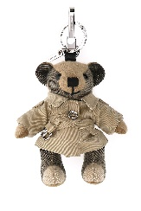 | BURBERRYDonnaPORTACHIAVI | 110 | 290 | BURBERRY | ACCESSORI PER BORSE | 8027168 A7026 | ARCHIVE BEIGE | Donna | TU | 1 |  |  |  |  |  |  |  |  |  |  |  |  |  |  |  |  |  |  | 1 | 110
₩292,522 | http://helpstore.shop/keyword/8043386 |  |  | ₩- |  | 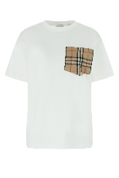 | BURBERRYDonnaT-SHIRT | 157 | 400 | BURBERRY | T-SHIRT | 8043386 A1464 | A1464 | Donna | A2 |  |  | 1 |  | 1 | 1 |  |  |  |  |  |  |  |  |  |  |  |  |  | 3 | 471
₩2,112,869 | http://helpstore.shop/keyword/8046680 |  |  | ₩- |  | 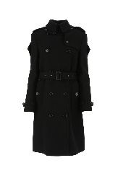 | BURBERRYDonnaTRENCH & PARKA | 1134 | 2890 | BURBERRY | CAPPOTTI | 8046680 A1189 | A1189 | Donna | AUK |  |  |  | 1 | 1 |  |  |  |  |  |  |  |  |  |  |  |  |  |  | 2 | 2268
₩394,998 | http://helpstore.shop/keyword/8026469 |  |  | ₩- |  | 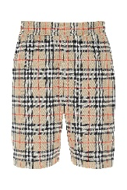 | BURBERRYUomoBERMUDA | 212 | 550 | BURBERRY | SHORTS | 8026469 A7028 | ARCHIVE BEIGE IP CHK | Uomo | A2 |  |  |  |  |  | 1 |  |  |  |  |  |  |  |  |  |  |  |  |  | 1 | 212
₩304,261 | http://helpstore.shop/keyword/8020863 |  |  | ₩- |  | 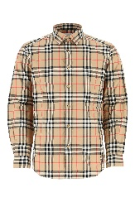 | BURBERRYUomoCAMICIE | 163.3 | 400 | BURBERRY | CAMICIE | 8020863 A7028 | ARCHIVE BEIGE IP CHK | Uomo | A2 |  |  |  | 1 | 1 |  |  |  |  |  |  |  |  |  |  |  |  |  |  | 2 | #VALUE!
₩281,343 | http://helpstore.shop/keyword/8020965 |  |  | ₩- |  | 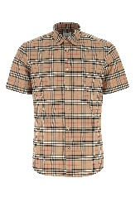 | BURBERRYUomoCAMICIE | 151 | 370 | BURBERRY | CAMICIE | 8020965 A7028 | ARCHIVE BEIGE IP CHK | Uomo | A2 |  |  | 1 | 1 | 1 | 1 | 1 |  |  |  |  |  |  |  |  |  |  |  |  | 5 | 755
₩304,261 | http://helpstore.shop/keyword/8020966 |  |  | ₩- |  | 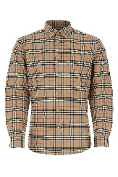 | BURBERRYUomoCAMICIE | 163.3 | 400 | BURBERRY | CAMICIE | 8020966 A7028 | ARCHIVE BEIGE IP CHK | Uomo | A2 |  |  | 1 | 1 | 1 | 1 | 1 |  |  |  |  |  |  |  |  |  |  |  |  | 5 | #VALUE!
₩367,050 | http://helpstore.shop/keyword/8045540 |  |  | ₩- |  | 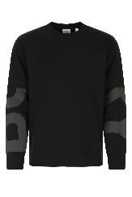 | BURBERRYUomoFELPE | 197 | 510 | BURBERRY | FELPE | 8045540 A1189 | A1189 | Uomo | A2 |  |  |  |  | 1 | 1 |  |  |  |  |  |  |  |  |  |  |  |  |  | 2 | 394
₩717,332 | http://helpstore.shop/keyword/8043858 |  |  | ₩- |  | 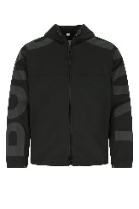 | BURBERRYUomoGIUBBINI | 385 | 1000 | BURBERRY | GIUBBINI | 8043858 A1189 | A1189 | Uomo | A2 |  |  |  |  | 1 | 1 |  |  |  |  |  |  |  |  |  |  |  |  |  | 2 | 770
₩418,288 | http://helpstore.shop/keyword/8033395 |  |  | ₩- |  | 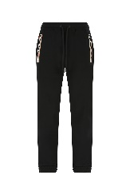 | BURBERRYUomoPANTALONI | 224.5 | 550 | BURBERRY | PANTALONI | 8033395 A1189 | A1189 | Uomo | A2 |  |  |  | 1 | 1 | 1 |  |  |  |  |  |  |  |  |  |  |  |  |  | 3 | #VALUE!
₩430,399 | http://helpstore.shop/keyword/8045015 |  |  | ₩- |  | 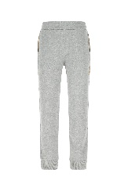 | BURBERRYUomoPANTALONI | 231 | 600 | BURBERRY | PANTALONI | 8045015 A2142 | A2142 | Uomo | A2 |  |  |  | 1 | 2 | 2 | 1 |  |  |  |  |  |  |  |  |  |  |  |  | 6 | 1386
₩266,251 | http://helpstore.shop/keyword/8017004 |  |  | ₩- |  | 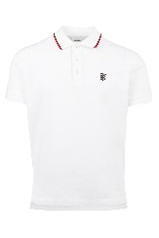 | BURBERRYUomoPOLO | 142.9 | 290 | BURBERRY | T-SHIRT & CANOTTE | 8017004 A1464 | WHITE | Uomo | A2 |  |  |  | 1 | 1 | 1 | 1 |  |  |  |  |  |  |  |  |  |  |  |  | 4 | #VALUE!
₩266,251 | http://helpstore.shop/keyword/8017007 |  |  | ₩- |  | 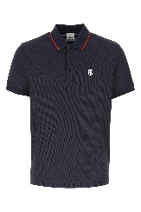 | BURBERRYUomoPOLO | 142.9 | 290 | BURBERRY | POLO | 8017007 A1222 | NAVY | Uomo | A2 |  |  |  | 1 | 1 | 1 | 1 |  |  |  |  |  |  |  |  |  |  |  |  | 4 | #VALUE!
₩266,251 | http://helpstore.shop/keyword/8015407 |  |  | ₩- |  | 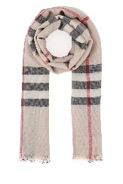 | BURBERRYUomoSCIARPE & FOULARD | 142.9 | 350 | BURBERRY | SCIARPE | 8015407 A5129 | STONE CHECK | Uomo | TU | 1 |  |  |  |  |  |  |  |  |  |  |  |  |  |  |  |  |  |  | 1 | #VALUE!
₩529,149 | http://helpstore.shop/keyword/8024500 |  |  | ₩- |  | 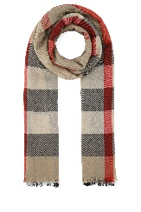 | BURBERRYUomoSCIARPE & FOULARD | 284 | 750 | BURBERRY | SCIARPE | 8024500 A7028 | ARCHIVE BEIGE IP CHK | Uomo | TU | 2 |  |  |  |  |  |  |  |  |  |  |  |  |  |  |  |  |  |  | 2 | 568
₩329,786 | http://helpstore.shop/keyword/8044133 |  |  | ₩- |  | 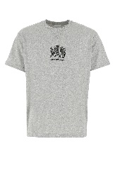 | BURBERRYUomoT-SHIRT | 177 | 470 | BURBERRY | T-SHIRT | 8044133 A2142 | A2142 | Uomo | A2 |  |  |  | 1 | 2 | 2 | 1 |  |  |  |  |  |  |  |  |  |  |  |  | 6 | 1062
₩243,334 | http://helpstore.shop/keyword/8014021 |  |  | ₩- |  | 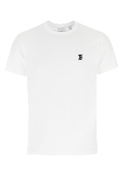 | BURBERRYUomoT-SHIRT | 130.6 | 260 | BURBERRY | T-SHIRT & CANOTTE | 8014021 A1464 | WHITE | Uomo | A2 |  |  |  | 1 | 1 | 1 | 1 |  |  |  |  |  |  |  |  |  |  |  |  | 4 | #VALUE!
₩150,919 | http://helpstore.shop/keyword/8040061 |  |  | ₩- |  |  | BURBERRYUomoT-SHIRT | 81 | 210 | BURBERRY | T-SHIRT & CANOTTE | 8040061 A9116 | VIVID COBALT | Uomo | A2 |  |  |  | 1 | 1 | 1 | 1 |  |  |  |  |  |  |  |  |  |  |  |  | 4 | 324

