CATALOGO
1380 | 22.00% | 35.00% |  |  |  |  |  |  |  |  |  |  |  | A2 | 3XS | 2XS | XS | S | M | L | XL | 2XL | 3XL | 4XL
마감 | 합계 | 0 |  | ₩- |  |  |  |  |  |  |  |  |  | F | 24 | 25 | 26 | 27 | 28 | 29 | 30 | 31 | 32 | 33 | 34
2022-01-20 |  |  |  |  |  |  |  |  |  |  |  |  |  | FR | 32 | 34 | 36 | 38 | 40 | 42 | 44 | 46 | 48 | 50 | 52
조건
 |  |  |  |  |  |  |  |  |  |  |  |  |  | V | 32 | 34 | 36 | 38 | 40 | 42 | 44 | 46 | 48 | 50 | 52
관부가세 비포함, 배송비별도, 수수료 포함 |  | 이용사 입력 ---- 주문수량 | 옵션별개수 | 주문합계
공급가 (A열 클릭시 가격분석) | 상품분석 (B열 클릭시 상품분석) | 총수량입력 (예: 5) | 예: s사이즈 3개, L사이즈2개 |  |  |  | Costo | Retail | Linea | Descrizione | Modello | Variante | Sesso | Scalarino |  |  |  |  |  |  |  |  |  |  |  | Totale | TotalePrz
₩368,708 | http://helpstore.shop/keyword/WF1JP000B013 |  |  | ₩- | 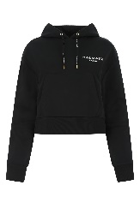 | BALMAINDonnaFELPE | 219 | 590 | BALMAIN | FELPE | WF1JP000B013 EAB | NOIR BLANC | Donna | A2 |  |  |  |  |  | 1 |  |  |  |  |  | 1 | 219
₩343,454 | http://helpstore.shop/keyword/WF1JQ000B044 |  |  | ₩- | 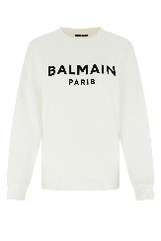 | BALMAINDonnaFELPE | 204 | 550 | BALMAIN | FELPE | WF1JQ000B044 GAB | BLANC NOIR | Donna | A2 |  |  | 1 |  |  |  |  |  |  |  |  | 1 | 204
₩1,053,934 | http://helpstore.shop/keyword/XF1SG000CB11 |  |  | ₩- |  | BALMAINDonnaGIACCHE & GILET | 626 | 1690 | BALMAIN | GIACCHE & GILET | XF1SG000CB11 0PA | 0PA | Donna | FR |  |  | 1 |  |  |  |  |  |  |  |  | 1 | 626
₩1,178,520 | http://helpstore.shop/keyword/XF1SG000CB76 |  |  | ₩- |  | BALMAINDonnaGIACCHE & GILET | 700 | 1890 | BALMAIN | GIACCHE & GILET | XF1SG000CB76 6AF | 6AF | Donna | FR |  |  | 1 |  |  |  |  |  |  |  |  | 1 | 700
₩1,178,520 | http://helpstore.shop/keyword/XF1SG030CB65 |  |  | ₩- |  | BALMAINDonnaGIACCHE & GILET | 700 | 1890 | BALMAIN | GIACCHE & GILET | XF1SG030CB65 GID | GID | Donna | FR |  |  | 1 |  | 1 |  |  |  |  |  |  | 2 | 1400
₩555,588 | http://helpstore.shop/keyword/XF1LA005WB05 |  |  | ₩- |  | BALMAINDonnaGONNE | 330 | 890 | BALMAIN | GONNE | XF1LA005WB05 0PA | 0PA | Donna | FR |  |  | 1 | 1 |  |  |  |  |  |  |  | 2 | 660
₩555,588 | http://helpstore.shop/keyword/XF1LB375CB11 |  |  | ₩- |  | BALMAINDonnaGONNE | 330 | 890 | BALMAIN | GONNE | XF1LB375CB11 OPA | OPA | Donna | FR |  |  | 1 |  |  |  |  |  |  |  |  | 1 | 330
₩991,640 | http://helpstore.shop/keyword/WF1KN015K256 |  |  | ₩- | 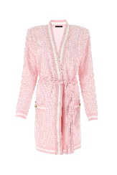 | BALMAINDonnaMAGLIERIA | 589 | 1590 | BALMAIN | MAGLIERIA | WF1KN015K256 GGF | BLANC ROSE | Donna | FR |  |  |  |  | 1 |  |  |  |  |  |  | 1 | 589
₩867,054 | http://helpstore.shop/keyword/WF0PQ045X540 |  |  | ₩- | 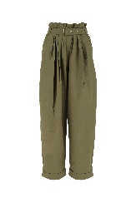 | BALMAINDonnaPANTALONI | 515 | 1390 | BALMAIN | PANTALONI | WF0PQ045X540 7AQ | 7AQ | Donna | FR |  |  | 1 | 1 |  |  |  |  |  |  |  | 2 | 1030
₩617,881 | http://helpstore.shop/keyword/XF1MA010CB65 |  |  | ₩- |  | BALMAINDonnaSHORTS | 367 | 990 | BALMAIN | SHORTS | XF1MA010CB65 GID | GID | Donna | FR |  | 1 |  |  |  |  |  |  |  |  |  | 1 | 367
₩202,032 | http://helpstore.shop/keyword/WF1EB005B097 |  |  | ₩- | 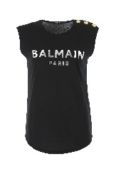 | BALMAINDonnaT-SHIRT | 120 | 325 | BALMAIN | T-SHIRT & CANOTTE | WF1EB005B097 EAC | NOIR ARGENTO | Donna | A2 |  |  |  |  | 1 | 3 |  |  |  |  |  | 4 | 480
₩202,032 | http://helpstore.shop/keyword/WF1EB005B097 |  |  | ₩- | 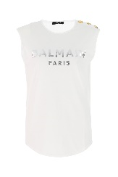 | BALMAINDonnaT-SHIRT | 120 | 325 | BALMAIN | T-SHIRT & CANOTTE | WF1EB005B097 GAC | BLANC ARGENTO | Donna | A2 |  |  |  |  | 3 | 4 | 1 |  |  |  |  | 8 | 960
₩218,868 | http://helpstore.shop/keyword/XF1EF005BB02 |  |  | ₩- |  | BALMAINDonnaT-SHIRT | 130 | 350 | BALMAIN | T-SHIRT | XF1EF005BB02 GAB | GAB | Donna | A2 |  |  | 1 | 1 | 1 | 1 |  |  |  |  |  | 4 | 520
₩218,868 | http://helpstore.shop/keyword/XF1EF005BB28 |  |  | ₩- | 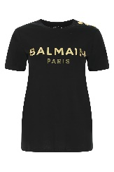 | BALMAINDonnaT-SHIRT | 130 | 355 | BALMAIN | T-SHIRT | XF1EF005BB28 EAD | EAD | Donna | A2 |  |  | 1 | 1 | 1 | 1 |  |  |  |  |  | 4 | 520
₩218,868 | http://helpstore.shop/keyword/XF1EF005BB28 |  |  | ₩- |  | BALMAINDonnaT-SHIRT | 130 | 350 | BALMAIN | T-SHIRT | XF1EF005BB28 GAD | GAD | Donna | A2 |  |  | 1 | 1 | 1 |  |  |  |  |  |  | 3 | 390
₩202,032 | http://helpstore.shop/keyword/WF1EB005B097 |  |  | ₩- | 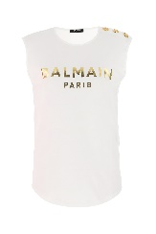 | BALMAINDonnaT-SHIRT | 120 | 325 | BALMAIN | T-SHIRT & CANOTTE | WF1EB005B097 GAD | BLANC OR | Donna | A2 |  |  |  |  |  | 2 | 1 |  |  |  |  | 3 | 360
₩183,512 | http://helpstore.shop/keyword/WF1EF000B091 |  |  | ₩- | 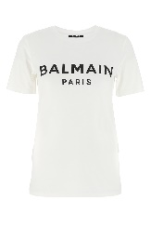 | BALMAINDonnaT-SHIRT | 109 | 295 | BALMAIN | T-SHIRT & CANOTTE | WF1EF000B091 GAB | BLANC NOIR | Donna | A2 |  |  |  |  |  | 1 |  |  |  |  |  | 1 | 109
₩183,512 | http://helpstore.shop/keyword/WF1EF000B091 |  |  | ₩- | 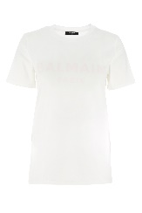 | BALMAINDonnaT-SHIRT | 109 | 295 | BALMAIN | T-SHIRT & CANOTTE | WF1EF000B091 GGF | BLANC ROSE | Donna | A2 |  |  |  | 1 | 1 | 2 |  |  |  |  |  | 4 | 436
₩183,512 | http://helpstore.shop/keyword/WF1EF000B097 |  |  | ₩- | 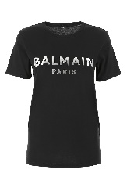 | BALMAINDonnaT-SHIRT | 109 | 295 | BALMAIN | T-SHIRT & CANOTTE | WF1EF000B097 EAC | NOIR ARGENTO | Donna | A2 |  |  |  |  |  | 1 |  |  |  |  |  | 1 | 109
₩183,512 | http://helpstore.shop/keyword/WF1EF000B097 |  |  | ₩- | 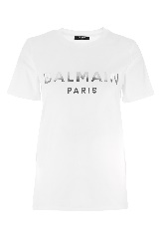 | BALMAINDonnaT-SHIRT | 109 | 295 | BALMAIN | T-SHIRT & CANOTTE | WF1EF000B097 GAC | BLANC ARGENTO | Donna | A2 |  |  |  |  | 1 |  |  |  |  |  |  | 1 | 109
₩183,512 | http://helpstore.shop/keyword/WF1EF000B097 |  |  | ₩- | 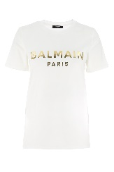 | BALMAINDonnaT-SHIRT | 109 | 295 | BALMAIN | T-SHIRT & CANOTTE | WF1EF000B097 GAD | BLANC OR | Donna | A2 |  |  |  |  |  | 1 |  |  |  |  |  | 1 | 109
₩218,868 | http://helpstore.shop/keyword/WF1EF005B097 |  |  | ₩- | 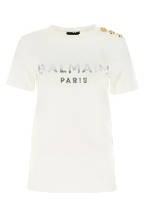 | BALMAINDonnaT-SHIRT | 130 | 350 | BALMAIN | T-SHIRT & CANOTTE | WF1EF005B097 GAC | BLANC ARGENTO | Donna | A2 |  |  |  |  |  | 3 | 3 |  |  |  |  | 6 | 780
₩316,517 | http://helpstore.shop/keyword/WH1JQ005B122 |  |  | ₩- | 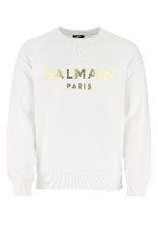 | BALMAINUomoFELPE | 188 | 490 | BALMAIN | FELPE | WH1JQ005B122 GAD | BLANC OR | Uomo | A2 |  |  |  |  | 1 |  |  |  |  |  |  | 1 | 188
₩1,094,340 | http://helpstore.shop/keyword/XH1SH006VB38 |  |  | ₩- | 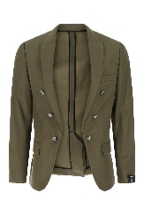 | BALMAINUomoGIACCHE & GILET | 650 | 1690 | BALMAIN | GIACCHE & GILET | XH1SH006VB38 7AS | 7AS | Uomo | FR |  |  |  |  |  |  |  | 1 |  |  | 1 | 2 | 1300
₩1,158,317 | http://helpstore.shop/keyword/WH1SG010W074 |  |  | ₩- | 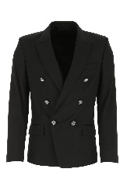 | BALMAINUomoGIACCHE & GILET | 688 | 1790 | BALMAIN | GIACCHE & GILET | WH1SG010W074 0PA | NOIR | Uomo | V |  |  |  |  |  |  |  |  |  | 1 |  | 1 | 688
₩641,452 | http://helpstore.shop/keyword/XH1TF086XB27 |  |  | ₩- |  | BALMAINUomoGIUBBINI | 381 | 990 | BALMAIN | GIUBBINI | XH1TF086XB27 EAB | EAB | Uomo | FR |  |  |  |  |  |  |  |  |  | 1 |  | 1 | 381
₩575,791 | http://helpstore.shop/keyword/WH0MG005107D |  |  | ₩- | 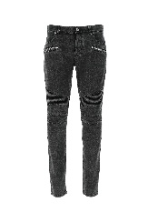 | BALMAINUomoJEANS | 342 | 890 | BALMAIN | JEANS | WH0MG005107D 0PA | 0PA | Uomo | F |  |  |  |  |  |  | 1 | 1 | 1 |  |  | 3 | 1026
₩511,814 | http://helpstore.shop/keyword/XH1KD000KB13 |  |  | ₩- | 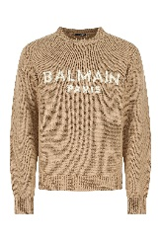 | BALMAINUomoMAGLIERIA | 304 | 790 | BALMAIN | MAGLIERIA | XH1KD000KB13 GGI | GGI | Uomo | A2 |  |  |  |  |  | 1 |  |  |  |  |  | 1 | 304
₩484,877 | http://helpstore.shop/keyword/XH1KD000KB49 |  |  | ₩- | 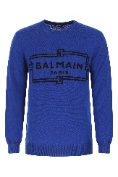 | BALMAINUomoMAGLIERIA | 288 | 750 | BALMAIN | MAGLIERIA | XH1KD000KB49 SGA | SGA | Uomo | A2 |  |  |  |  |  | 1 |  |  |  |  |  | 1 | 288
₩771,089 | http://helpstore.shop/keyword/WH0OB067J314 |  |  | ₩- | 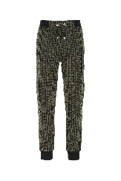 | BALMAINUomoPANTALONI | 458 | 1190 | BALMAIN | PANTALONI | WH0OB067J314 UEE | UEE | Uomo | A2 |  |  |  | 1 |  |  |  |  |  |  |  | 1 | 458
₩420,900 | http://helpstore.shop/keyword/WH1OB000B122 |  |  | ₩- | 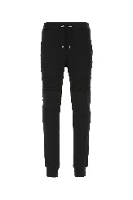 | BALMAINUomoPANTALONI | 250 | 650 | BALMAIN | PANTALONI | WH1OB000B122 EAD | NOIR OR | Uomo | A2 |  |  |  | 1 |  |  | 2 |  |  |  |  | 3 | 750
₩575,791 | http://helpstore.shop/keyword/XH1OB045JB70 |  |  | ₩- |  | BALMAINUomoPANTALONI | 342 | 890 | BALMAIN | PANTALONI | XH1OB045JB70 GFE | GFE | Uomo | A2 |  |  |  | 1 |  | 1 |  |  |  |  |  | 2 | 684
₩227,286 | http://helpstore.shop/keyword/WH1EF000B114 |  |  | ₩- | 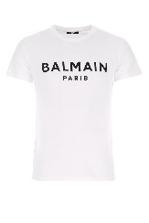 | BALMAINUomoT-SHIRT | 135 | 350 | BALMAIN | T-SHIRT & CANOTTE | WH1EF000B114 GAB | BLANC NOIR | Uomo | A2 |  |  |  |  |  |  | 1 |  |  |  |  | 1 | 135
₩227,286 | http://helpstore.shop/keyword/WH1EF000B121 |  |  | ₩- | 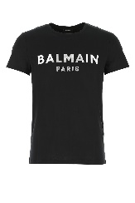 | BALMAINUomoT-SHIRT | 135 | 350 | BALMAIN | T-SHIRT & CANOTTE | WH1EF000B121 EAC | NOIR ARGENT | Uomo | A2 |  |  |  | 2 | 2 |  | 2 |  |  |  |  | 6 | 810
₩227,286 | http://helpstore.shop/keyword/WH1EF000B121 |  |  | ₩- | 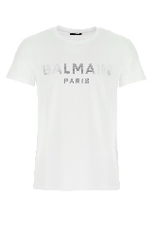 | BALMAINUomoT-SHIRT | 135 | 350 | BALMAIN | T-SHIRT & CANOTTE | WH1EF000B121 GAC | BLANC ARGENT | Uomo | A2 |  |  |  | 1 | 1 | 1 | 1 |  |  |  |  | 4 | 540
₩227,286 | http://helpstore.shop/keyword/WH1EF000B121 |  |  | ₩- | 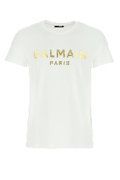 | BALMAINUomoT-SHIRT | 135 | 350 | BALMAIN | T-SHIRT & CANOTTE | WH1EF000B121 GAD | BLANC OR | Uomo | A2 |  |  |  | 3 |  | 3 | 2 |  |  |  |  | 8 | 1080
₩227,286 | http://helpstore.shop/keyword/WH1EF000B124 |  |  | ₩- | 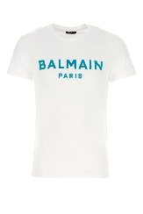 | BALMAINUomoT-SHIRT | 135 | 350 | BALMAIN | T-SHIRT & CANOTTE | WH1EF000B124 GFP | BLANC BLEU CARAIBE | Uomo | A2 |  |  |  | 1 |  |  | 1 |  |  |  |  | 2 | 270
₩227,286 | http://helpstore.shop/keyword/XH1EF000BB23 |  |  | ₩- |  | BALMAINUomoT-SHIRT | 135 | 365 | BALMAIN | T-SHIRT | XH1EF000BB23 EAB | EAB | Uomo | A2 |  |  |  | 1 | 1 | 1 | 1 | 1 | 1 |  |  | 6 | 810
₩- | http://helpstore.shop/keyword/ |  |  | ₩-
₩- | http://helpstore.shop/keyword/ |  |  | ₩-
₩- | http://helpstore.shop/keyword/ |  |  | ₩-
₩- | http://helpstore.shop/keyword/ |  |  | ₩-
₩- | http://helpstore.shop/keyword/ |  |  | ₩-
₩- | http://helpstore.shop/keyword/ |  |  | ₩-
₩- | http://helpstore.shop/keyword/ |  |  | ₩-
₩- | http://helpstore.shop/keyword/ |  |  | ₩-
₩- | http://helpstore.shop/keyword/ |  |  | ₩-
₩- | http://helpstore.shop/keyword/ |  |  | ₩-
₩- | http://helpstore.shop/keyword/ |  |  | ₩-
₩- | http://helpstore.shop/keyword/ |  |  | ₩-
₩- | http://helpstore.shop/keyword/ |  |  | ₩-
₩- | http://helpstore.shop/keyword/ |  |  | ₩-
₩- | http://helpstore.shop/keyword/ |  |  | ₩-
₩- | http://helpstore.shop/keyword/ |  |  | ₩-
₩- | http://helpstore.shop/keyword/ |  |  | ₩-
₩- | http://helpstore.shop/keyword/ |  |  | ₩-
₩- | http://helpstore.shop/keyword/ |  |  | ₩-
₩- | http://helpstore.shop/keyword/ |  |  | ₩-
₩- | http://helpstore.shop/keyword/ |  |  | ₩-
₩- | http://helpstore.shop/keyword/ |  |  | ₩-
₩- | http://helpstore.shop/keyword/ |  |  | ₩-
₩- | http://helpstore.shop/keyword/ |  |  | ₩-
₩- | http://helpstore.shop/keyword/ |  |  | ₩-
₩- | http://helpstore.shop/keyword/ |  |  | ₩-
₩- | http://helpstore.shop/keyword/ |  |  | ₩-
₩- | http://helpstore.shop/keyword/ |  |  | ₩-
₩- | http://helpstore.shop/keyword/ |  |  | ₩-
₩- | http://helpstore.shop/keyword/ |  |  | ₩-
₩- | http://helpstore.shop/keyword/ |  |  | ₩-
₩- | http://helpstore.shop/keyword/ |  |  | ₩-
₩- | http://helpstore.shop/keyword/ |  |  | ₩-
₩- | http://helpstore.shop/keyword/ |  |  | ₩-
₩- | http://helpstore.shop/keyword/ |  |  | ₩-
₩- | http://helpstore.shop/keyword/ |  |  | ₩-
₩- | http://helpstore.shop/keyword/ |  |  | ₩-
₩- | http://helpstore.shop/keyword/ |  |  | ₩-
₩- | http://helpstore.shop/keyword/ |  |  | ₩-
₩- | http://helpstore.shop/keyword/ |  |  | ₩-
₩- | http://helpstore.shop/keyword/ |  |  | ₩-
₩- | http://helpstore.shop/keyword/ |  |  | ₩-
₩- | http://helpstore.shop/keyword/ |  |  | ₩-
₩- | http://helpstore.shop/keyword/ |  |  | ₩-
₩- | http://helpstore.shop/keyword/ |  |  | ₩-
₩- | http://helpstore.shop/keyword/ |  |  | ₩-
₩- | http://helpstore.shop/keyword/ |  |  | ₩-
₩- | http://helpstore.shop/keyword/ |  |  | ₩-
₩- | http://helpstore.shop/keyword/ |  |  | ₩-
₩- | http://helpstore.shop/keyword/ |  |  | ₩-
₩- | http://helpstore.shop/keyword/ |  |  | ₩-
₩- | http://helpstore.shop/keyword/ |  |  | ₩-
₩- | http://helpstore.shop/keyword/ |  |  | ₩-
₩- | http://helpstore.shop/keyword/ |  |  | ₩-
₩- | http://helpstore.shop/keyword/ |  |  | ₩-
₩- | http://helpstore.shop/keyword/ |  |  | ₩-
₩- | http://helpstore.shop/keyword/ |  |  | ₩-
₩- | http://helpstore.shop/keyword/ |  |  | ₩-
₩- | http://helpstore.shop/keyword/ |  |  | ₩-
₩- | http://helpstore.shop/keyword/ |  |  | ₩-
₩- | http://helpstore.shop/keyword/ |  |  | ₩-
₩- | http://helpstore.shop/keyword/ |  |  | ₩-
₩- | http://helpstore.shop/keyword/ |  |  | ₩-
₩- | http://helpstore.shop/keyword/ |  |  | ₩-
₩- | http://helpstore.shop/keyword/ |  |  | ₩-
₩- | http://helpstore.shop/keyword/ |  |  | ₩-
₩- | http://helpstore.shop/keyword/ |  |  | ₩-
₩- | http://helpstore.shop/keyword/ |  |  | ₩-
₩- | http://helpstore.shop/keyword/ |  |  | ₩-
₩- | http://helpstore.shop/keyword/ |  |  | ₩-
₩- | http://helpstore.shop/keyword/ |  |  | ₩-
₩- | http://helpstore.shop/keyword/ |  |  | ₩-
₩- | http://helpstore.shop/keyword/ |  |  | ₩-
₩- | http://helpstore.shop/keyword/ |  |  | ₩-
₩- | http://helpstore.shop/keyword/ |  |  | ₩-
₩- | http://helpstore.shop/keyword/ |  |  | ₩-
₩- | http://helpstore.shop/keyword/ |  |  | ₩-
₩- | http://helpstore.shop/keyword/ |  |  | ₩-
₩- | http://helpstore.shop/keyword/ |  |  | ₩-
₩- | http://helpstore.shop/keyword/ |  |  | ₩-
₩- | http://helpstore.shop/keyword/ |  |  | ₩-
₩- | http://helpstore.shop/keyword/ |  |  | ₩-
₩- | http://helpstore.shop/keyword/ |  |  | ₩-
₩- | http://helpstore.shop/keyword/ |  |  | ₩-
₩- | http://helpstore.shop/keyword/ |  |  | ₩-
₩- | http://helpstore.shop/keyword/ |  |  | ₩-
₩- | http://helpstore.shop/keyword/ |  |  | ₩-
₩- | http://helpstore.shop/keyword/ |  |  | ₩-
₩- | http://helpstore.shop/keyword/ |  |  | ₩-
₩- | http://helpstore.shop/keyword/ |  |  | ₩-
₩- | http://helpstore.shop/keyword/ |  |  | ₩-
₩- | http://helpstore.shop/keyword/ |  |  | ₩-
₩- | http://helpstore.shop/keyword/ |  |  | ₩-
₩- | http://helpstore.shop/keyword/ |  |  | ₩-
₩- | http://helpstore.shop/keyword/ |  |  | ₩-
₩- | http://helpstore.shop/keyword/ |  |  | ₩-
₩- | http://helpstore.shop/keyword/ |  |  | ₩-
₩- | http://helpstore.shop/keyword/ |  |  | ₩-
₩- | http://helpstore.shop/keyword/ |  |  | ₩-
₩- | http://helpstore.shop/keyword/ |  |  | ₩-
₩- | http://helpstore.shop/keyword/ |  |  | ₩-
₩- | http://helpstore.shop/keyword/ |  |  | ₩-
₩- | http://helpstore.shop/keyword/ |  |  | ₩-
₩- | http://helpstore.shop/keyword/ |  |  | ₩-
₩- | http://helpstore.shop/keyword/ |  |  | ₩-
₩- | http://helpstore.shop/keyword/ |  |  | ₩-
₩-
₩-
₩-
₩-
₩-
₩-
₩-
₩-
₩-
₩-
₩-
₩-
₩-
₩-
₩-
₩-
₩-
₩-
₩-
₩-
₩-
₩-
₩-
₩-
₩-
₩-
₩-
₩-
₩-
₩-
₩-
₩-
₩-
₩-
₩-
₩-
₩-
₩-
₩-
₩-
₩-
₩-
₩-
₩-
₩-
₩-
₩-
₩-
₩-
₩-
₩-
₩-
₩-
₩-
₩-
₩-
₩-
₩-
₩-
₩-
₩-
₩-
₩-
₩-
₩-
₩-
₩-
₩-
₩-
₩-
₩-
₩-
₩-
₩-
₩-
₩-
₩-
₩-
₩-
₩-
₩-
₩-
₩-
₩-
₩-
₩-
₩-
₩-
₩-
₩-
₩-
₩-
₩-
₩-
₩-
₩-
₩-
₩-
₩-
₩-
₩-
₩-
₩-
₩-
₩-
₩-
₩-
₩-
₩-
₩-
₩-
₩-
₩-
₩-
₩-
₩-
₩-
₩-
₩-
₩-
₩-
₩-
₩-
₩-
₩-
₩-
₩-
₩-
₩-
₩-
₩-
₩-
₩-
₩-
₩-
₩-
₩-
₩-
₩-
₩-
₩-
₩-
₩-
₩-
₩-
₩-
₩-
₩-
₩-
₩-
₩-
₩-
₩-
₩-
₩-
₩-
₩-
₩-
₩-
₩-
₩-
₩-
₩-
₩-
₩-
₩-
₩-
₩-
₩-
₩-
₩-
₩-
₩-
₩-
₩-
₩-
₩-
₩-
₩-
₩-
₩-
₩-
₩-
₩-
₩-
₩-
₩-
₩-
₩-
₩-
₩-
₩-
₩-
₩-
₩-
₩-
₩-
₩-
₩-
₩-
₩-
₩-
₩-
₩-
₩-
₩-
₩-
₩-
₩-
₩-
₩-
₩-
₩-
₩-
₩-
₩-
₩-
₩-
₩-
₩-
₩-
₩-
₩-
₩-
₩-
₩-
₩-
₩-
₩-
₩-
₩-
₩-
₩-

