（Front Frame 1）
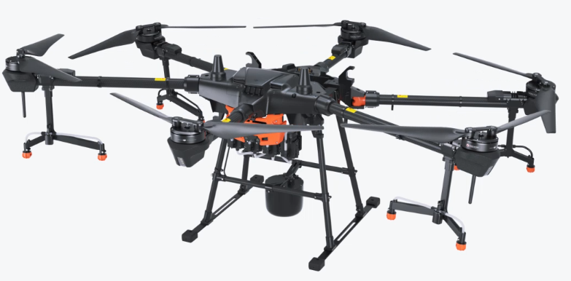
（Front Frame）
12
22
1
4
2
3
5
7
8
9
10
6
11
14
15
16
17
18
19
20
13

 | No | Material Number | Material Name(EN)
 | 1 | YC.JG.ZS000071.03 | Front Frame Cover Board (Right)
 | 2 | BC.AG.SS000212.01 | RTK Antenna Module
 | 3 | YC.WJ.L00868.02 | M30-HC080080-55-85
 | 4 | YC.XC.TZ000067.04 | RTK Antenna Feeder
 | 5 | YC.SJ.WS002992.01 | RTK Antenna Pad
 | 6 | YC.JG.ZS000025.02 | Cable Fixing Piece (Middle)
 | 7 | YC.JG.ZS000024.03 | Cable Holder (Front)
 | 8 | YC.WJ.LL000119 | T30-HC100070-55-85
 | 9 | YC.SJ.D00409.02 | Hose Clip 2
 | 10 | YC.JG.ZS000066.01 | Front Frame Cable Holder (Right)
 | 11 | BC.AG.SS000248.01 | Aircraft Front Frame
 | 12 | YC.JG.ZS000072.03 | Front Frame Arm Cover (Left)
 | 13 | YC.SJ.WS002451.02 | Aircraft_Front Airframe Middle Arm Fixing Piece
 | 14 | YC.JG.MY000062.02 | Aircraft Head Rubber Stopper (Middle)
 | 15 | YC.WJ.L00870.02 | Arm Screw
21
 | 16 | YC.SJ.WS002453.02 | Front Frame Cable Holder Protective Cover
 | 17 | BC.AG.SS000240.01 | Front Frame Upper Cover Module
 | 18 | YC.JG.ZS000024.03 | Cable Holder (Front)
 | 19 | YC.WJ.L00868.02 | M30-HC080080-55-85
 | 20 | YC.JG.ZS000073.02 | Front Frame Cable Holder (Left)
 | 21 | YC.WJ.LL000015 | Screw T25-HC050050-40-00
 | 22 | YC.WJ.LL000015 | Screw T25-HC050050-40-00

（Middle Frame）
（Middle Frame）
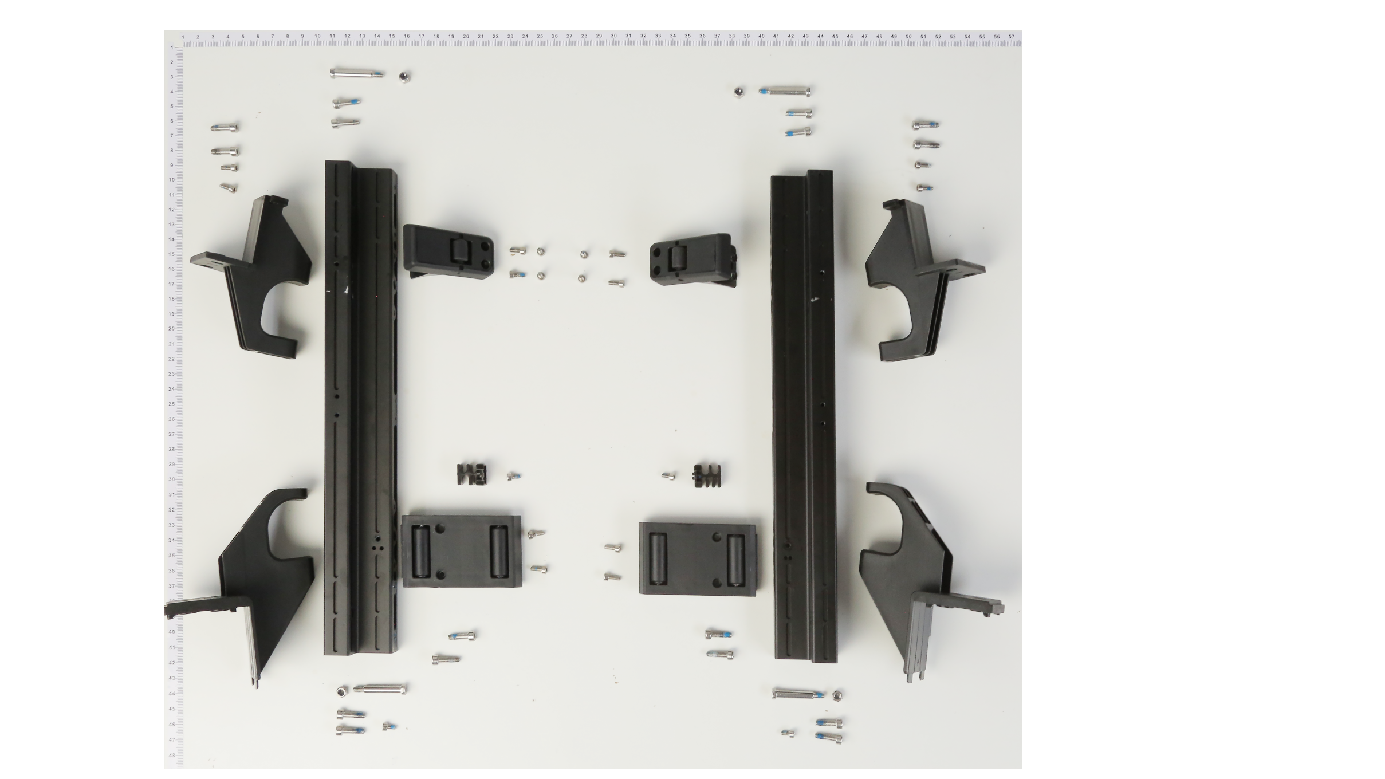
2
1
3
4
5
6
7
9
8
10
14
15
16
18
12
11
17
13

 | No | Material Number | Material Name(EN)
 | 1 | YC.WJ.L00961.01 | M4 Stainless Locknut
 | 2 | YC.ST.LL000016.01 | M40-HH03250070-080015-0003-Y
 | 3 | YC.ST.LL000013.01 | M40-HC01400140-070039-0003-Y
 | 4 | YC.WJ.L00868.02 | M30-HC080080-55-85
 | 5 | YC.JG.ZS000075.03 | Front Frame Arm Fixing Piece (Right)
 | 6 | 无料号 | #N/A
 | 7 | BC.AG.SS000254.01 | Airframe L-shaped Aluminum Tube (Left)
 | 8 | YC.JG.ZS000022.02 | Cable Fixing Piece (Right)
 | 9 | 无料号 | #N/A
 | 10 | YC.JG.ZS000076.03 | Rear Frame Arm Fixing Piece (Right)
 | 11 | YC.WJ.L00868.02 | M30-HC080080-55-85
 | 12 | YC.WJ.L00870.02 | Arm Screw
 | 13 | BC.AG.SS000253.01 | Airframe L-shaped Aluminum Tube (Right)
 | 14 | YC.JG.ZS000078.03 | Front Frame Arm Fixing Piece (Left)
 | 15 | YC.WJ.L00868.02 | M30-HC080080-55-85
 | 16 | YC.WJ.L00868.02 | M30-HC080080-55-85
 | 17 | YC.JG.ZS000023.02 | Cable Fixing Piece (Left)
 | 18 | YC.JG.ZS000077.03 | Rear Frame Arm Fixing Piece (Left)
 | 19 | YC.WJ.ZZ002901.02 | Front Airframe_Middle Arm Folding Pin
 | 20 | YC.WJ.LM000044.01 | Nut M60-HX100060-5103
 | 21 | YC.WJ.ZZ002630.02 | Aircraft Arm Fixing Bolt
 | Lock All Connector Screws | YC.WJ.L01148.00 | Stainless Steel Socket Cap Screw (M2.5*8)
 | 23 | YC.WJ.L00868.02 | M30-HC080080-55-85
 | 24 | YC.ST.LL000013.01 | M40-HC01400140-070039-0003-Y
 | 25 | YC.WJ.L00870.02 | Arm Screw
 | 26 | YC.ST.LL000016.01 | M40-HH03250070-080015-0003-Y

（Rear Frame）
Rear Frame

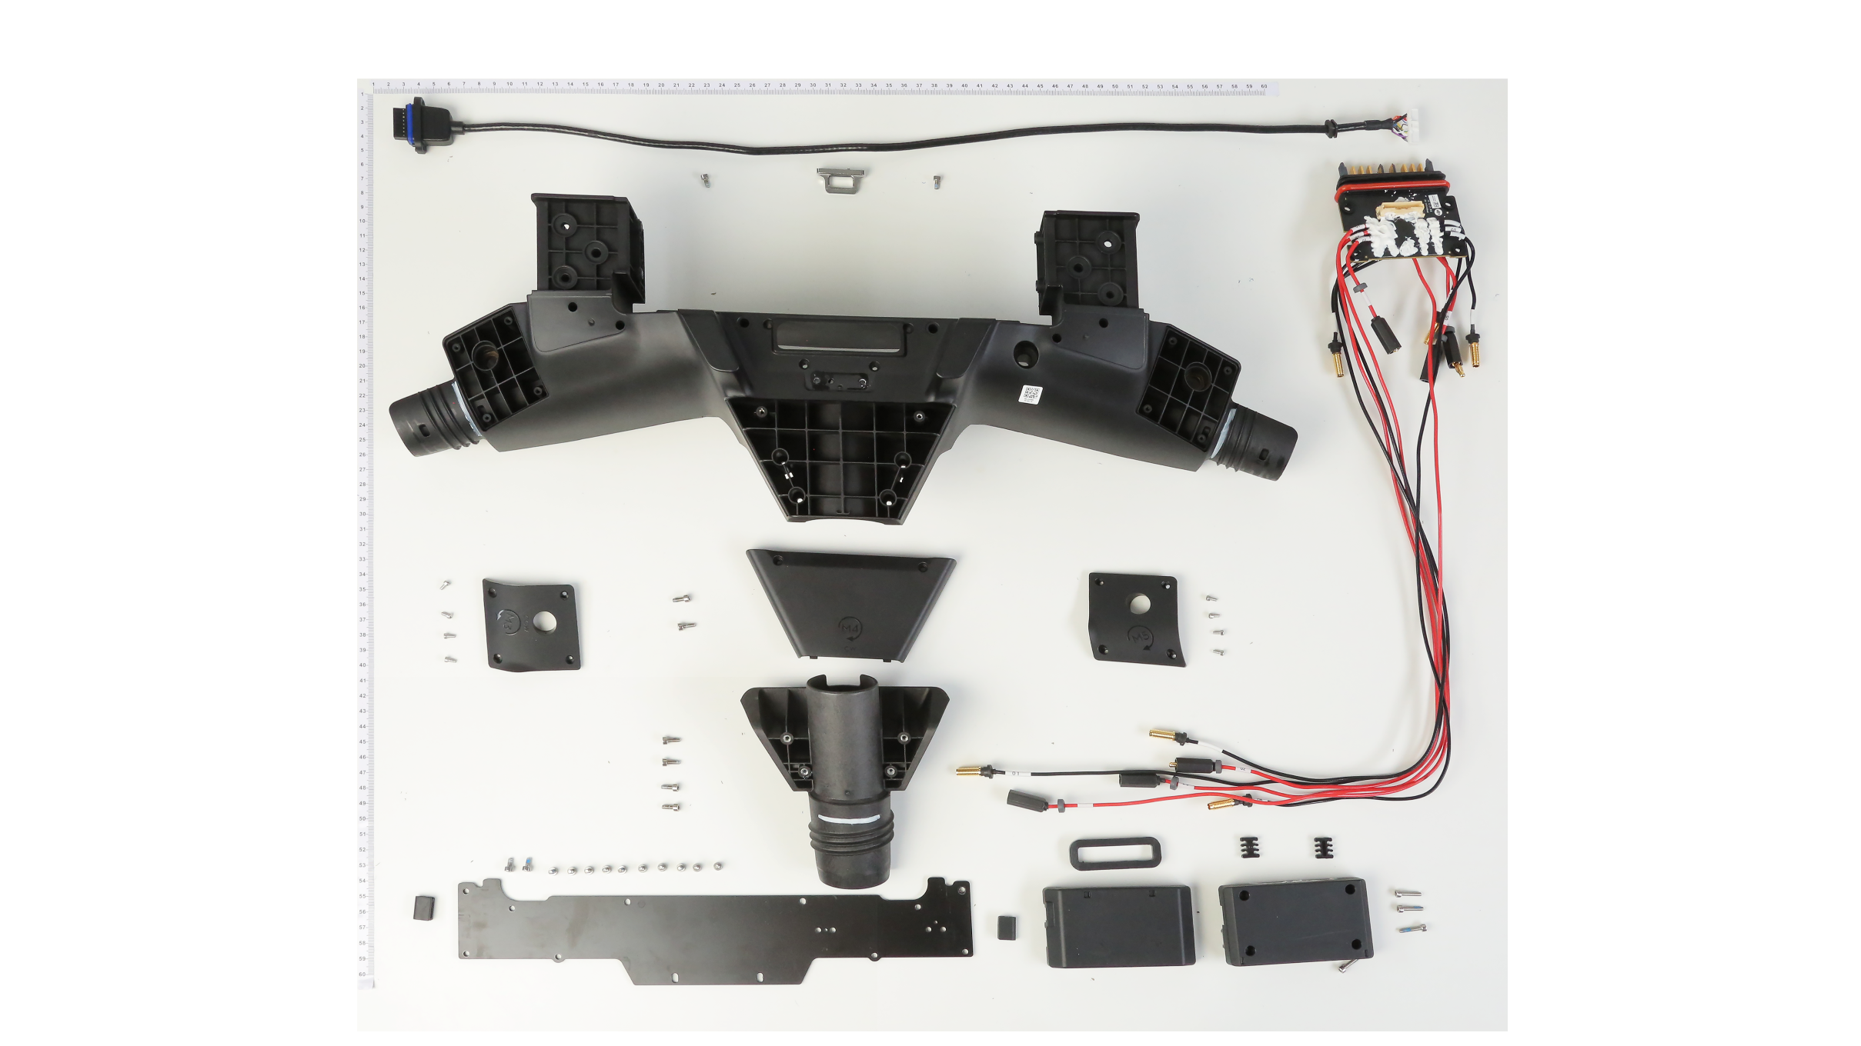
1
2
3
11
14
12
15
10
9
13
17
16
18
20
19
4
5
6
7
8

 | No | Material Number | Material Name(EN)
 | 1 | YC.XC.XX000515.03 | Signal Cable Connecting the Power Distribution Board and Spraying Board
 | 2 | BC.AG.SS000203.01 | Power Distribution Board PCBA (Including ESC Power Cable) (CN)
 | 3 | YC.JG.ZS000069.01 | Rear Frame Side Arm Upper Cover (M3)
 | 4 | YC.JG.MY000078.01 | Power Distribution Board Rubber Damping Pad
 | 5 | YC.SJ.WS002616.02 | Power Distribution Board Cable Clamp
 | 6 | YC.WJ.L01232.01 | Screw M30-HC140140-55-85
 | 7 | YC.SJ.WS002502.03 | Power Distribution Board_Power Distribution Board Lower Cover
 | 8 | YC.SJ.WS002501.02 | Power Distribution Board_Power Distribution Board Upper Cover
 | 9 | YC.WJ.L00870.02 | Arm Screw
 | 10 | YC.WJ.ZZ003696.01 | Aircraft Battery Buckle
 | 11 | BC.AG.SS000249.01 | Airframe Rear Frame
 | 12 | YC.SJ.WS002482.03 | Rear Airframe_Rear Airframe Middle Arm Upper Cover
 | 13 | YC.WJ.L00870.02 | Arm Screw
 | 14 | YC.JG.ZS000067.01 | Rear Frame Side Arm Upper Cover (M5)
 | 15 | YC.WJ.LL000015 | Screw T25-HC050050-40-00
 | 16 | YC.SJ.WS002475.04 | Rear Aircraft_Rear Aircraft Middle Arm Fixing Cover_V2
 | 17 | YC.WJ.L00868.02 | M30-HC080080-55-85
 | 18 | YC.WJ.L00870.02 | Arm Screw
 | 19 | YC.JG.XW000012.02 | Rear Frame Fixing Fiberglass Board
 | 20 | YC.XJ.QT000409.01 | Rear Frame_Carbon Board Anti-scratch Rubber

（Pump 1）
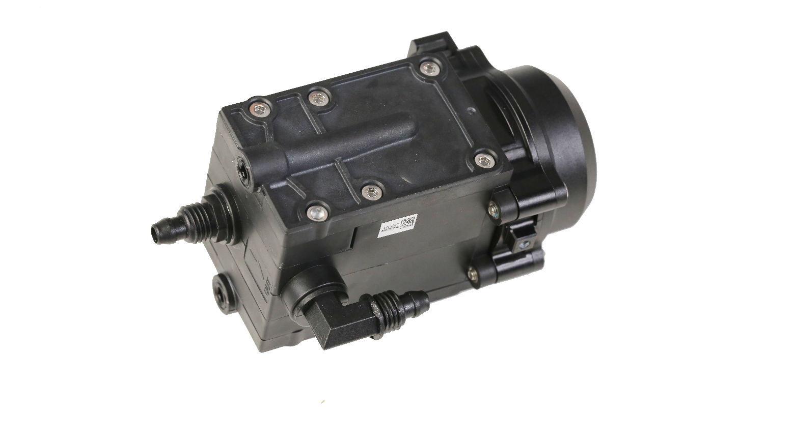
（Pump 1）
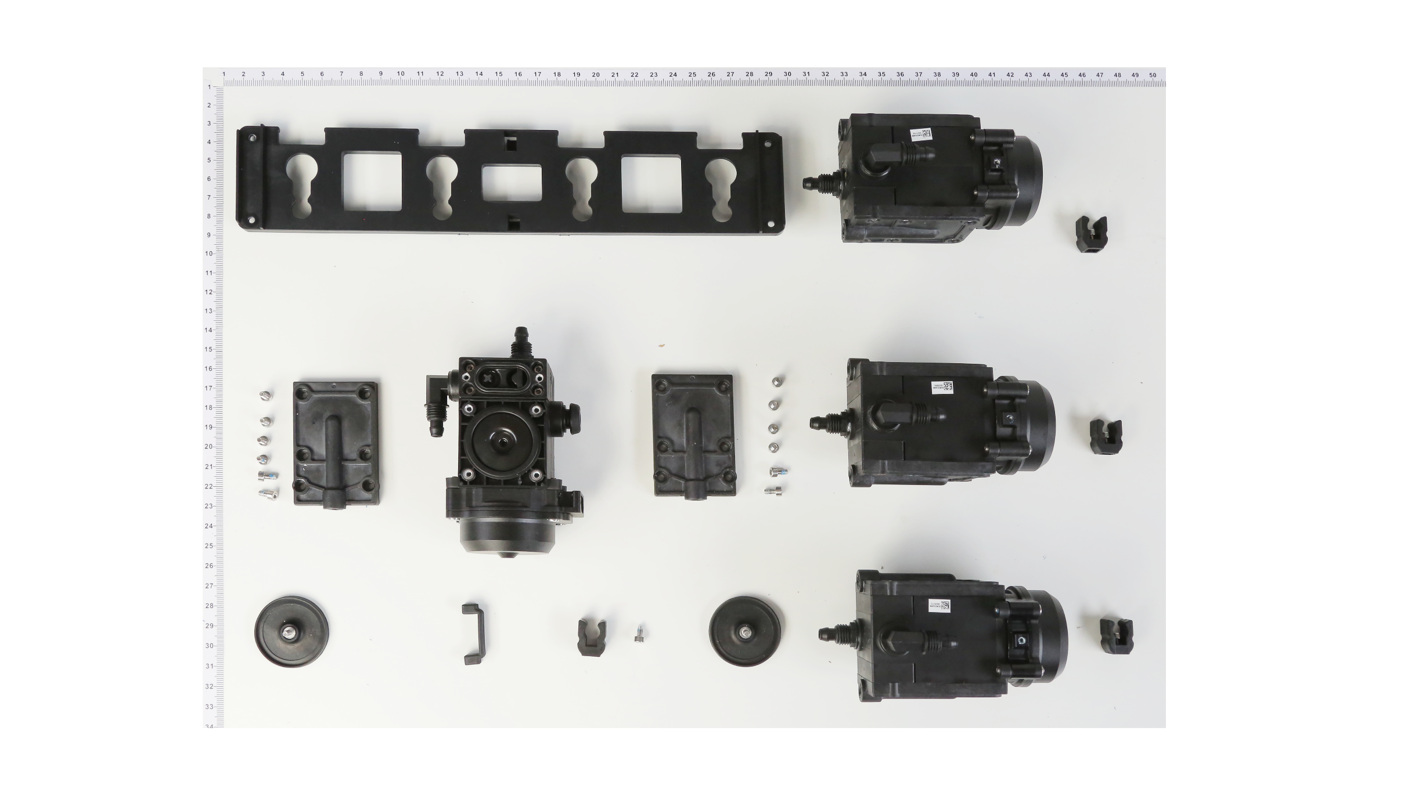
1
2
4
6
5
7
8
9
10
3

 | No | Material Number | Material Name(EN)
 | 1 | YC.JG.ZS000064.03 | Delivery Pump Mounting Bracket | 水泵安装支架
 | 2 | BC.AG.SS000113.01 | Pump 1.0
 | 3 | YC.XJ.QT000230.04 | Pump_Diaphragm
 | 4 | BC.AG.SS000113.02 | Pump
 | 5 | YC.SJ.WS002396.04 | Delivery Pump Cover
 | 6 | YC.WJ.L00870.02 | Arm Screw
 | 7 | YC.WJ.L00870.02 | Arm Screw
 | 8 | YC.SJ.D00409.02 | Hose Clip 2
 | 9 | YC.XJ.QT000230.04 | Pump_Diaphragm
 | 10 | YC.XJ.QT000229.02 | Pump_Motor Mounting Rubber

 |  |  |  |  | 1

（Landing Gear）
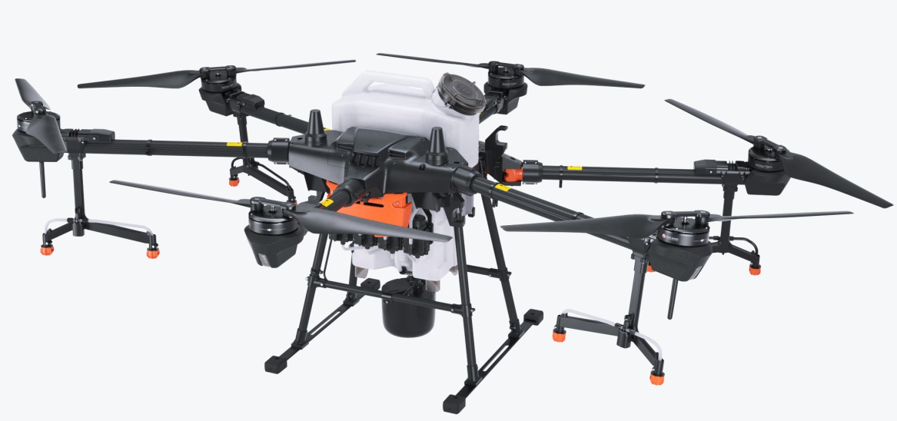
（Landing Gear）
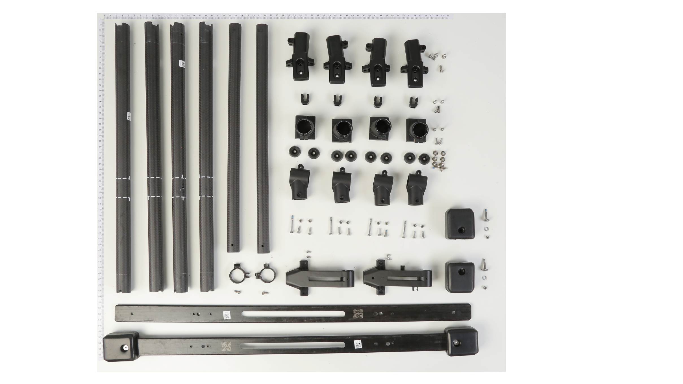
1
3
10
11
18
17
2
4
5
6
7
9
8
12
13
14
15
16
19
20
22
21

 | No | Material Number | Material Name(EN)
 | 1 | YC.JG.QX000115.02 | Landing Gear Supporting Rod (Front Left/Rear Right)
 | 2 | YC.JG.QX000117.02 | Landing Gear Supporting Rod (Front Right/Rear Left)
 | 3 | YC.WJ.LL000232.01 | M40-HC01000100-072028-5103-N_01
 | 4 | YC.SJ.D00409.02 | Hose Clip 2
 | 5 | YC.WJ.L00871.02 | Arm Screw
 | 6 | YC.JG.ZS000031.02 | Fiberglass Board Connector (Front Right/Rear Left)
 | 7 | YC.WJ.L00871.02 | Arm Screw
 | 8 | YC.WJ.LL000250.01 | Screw M30-HPW01200100-090025-5103-Y
 | 9 | YC.XJ.QT000370.02 | Landing Gear_Cushion Pad
 | 10 | YC.JG.ZS000030.04 | Radar Fixing Rod Connector
 | 11 | YC.WJ.LL000213.02 | M30-HT01930060-110025-5103-Y
 | 12 | YC.WJ.Z01729.01 | Riveting Pad
 | 13 | YC.WJ.L00877.00 | M3 Nut
 | 14 | YC.JG.FP000001.02 | Landing Gear Fiberglass Rubber Damping Piece
 | 15 | YC.JG.ZS000151.02 | Radar Fixing Bracket (Front)
 | 16 | BC.AG.SS000255.01 | Landing Gear Bottom Fiberglass Board
23
 | 17 | BC.AG.SS000257.01 | Landing Gear Crossbeam (Radar Fixing Pole)
 | 18 | BC.AG.SS000256.01 | Landing Gear Vertical Rod
 | 19 | YC.WJ.L01549.01 | M25-HC060060-45-85
 | 20 | YC.SJ.WS002460.04 | Pump_Landing Gear Buckle
 | 21 | YC.WJ.L00868.02 | M30-HC080080-55-85
 | 22 | YC.JG.ZS000152.02 | Radar Fixing Bracket (Rear)
 | 23 | YC.ST.LL000017.01 | M30-HC02800070-055030-0003-Y

（Front Frame 2）
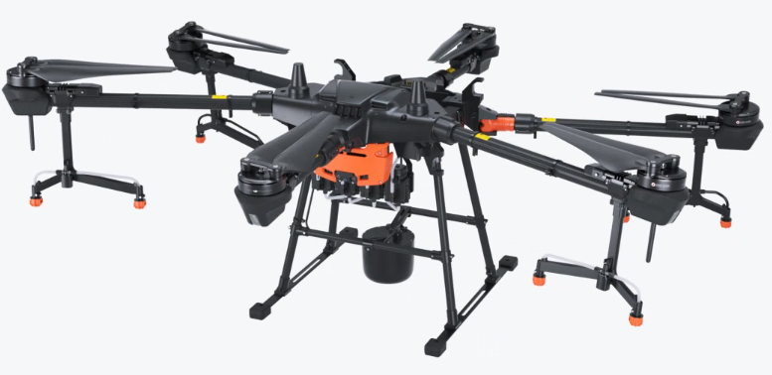
Front Frame 2
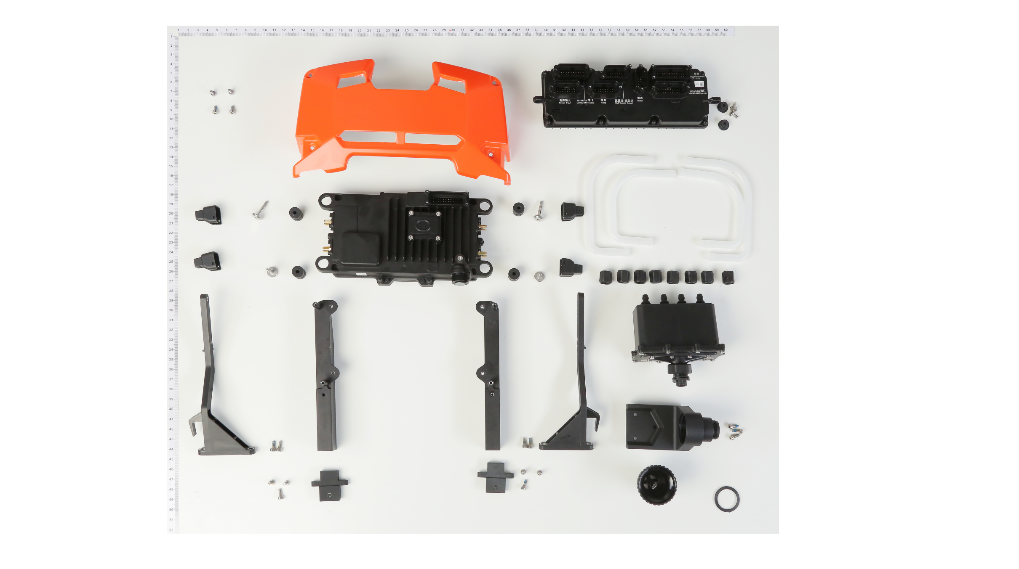
1
3
14
20
4
5
6
8
9
10
11
12
13
16
17
18
19
7
21
23
2
24
22
15

 | No | Material Number | Material Name(EN)
 | 1 | BC.AG.SS000208.01 | Spraying Board Module
 | 2 | YC.JG.MY000020.03 | Insulated Rubber Base
 | 3 | YC.ST.LL000006.02 | M30-HC00980050-080020-5102-Y
 | 4 | YC.JG.CS000000.02 | 4-Channel Flow Meter U-shaped Tube (Long)
 | 5 | YC.JG.CS000001.02 | 4-Channel Flow Meter U-shaped Tube (Short)
 | 6 | YC.SJ.L00006.01 | Connector Nut
 | 7 | YC.WJ.ZZ003542.02 | Aerial-Electronics Bracket (Right) (Die Cast)
 | 8 | BC.AG.SS000204.01 | 4-Channel Electromagnetic Flow Meter
 | 9 | YC.JG.ZS000114.02 | Delivery Pump Bracket (Right)
 | 10 | YC.JG.ZS000028.02 | Spray Tank Base Plug Port Bottom Base
 | 11 | YC.WJ.L00868.02 | M30-HC080080-55-85
 | 12 | YC.JG.ZS000027.03 | Spray Tank Base Plug Port (Round Ridged Base)
 | 13 | YC.JG.MY000011.01 | Spray Tank Base Filter Sealing Ring
 | 14 | YC.WJ.L00870.02 | Arm Screw
 | 15 | YC.SJ.WS002647.02 | Avionics Protection Cover
 | 16 | BC.AG.SS000365.01 | T20Aerial-Electronics Module CE(BC.AG.SS000365.01)
 | 16 | BC.AG.SS000364.01 | T20Aerial-Electronics Module KR(BC.AG.SS000364.01)
 | 16 | BC.AG.SS000368.01 | T20Aerial-Electronics Module TH(BC.AG.SS000368.01)
 | 16 | BC.AG.SS000366.01 | T20Aerial-Electronics Module FCC(BC.AG.SS000366.01)
 | 16 | BC.AG.SS000367.01 | T20Aerial-Electronics Module TW(BC.AG.SS000367.01)
 | 16 | BC.AG.SS000209.01 | Aerial-Electronics Module (CN)
 | 17 | YC.SJ.WS002543.02 | Avionics_Antenna Port Fixing Piece
 | 18 | YC.XJ.JZ000018.02 | Avionics_Shock Absorption Rubber
 | 19 | YC.WJ.LL000213.02 | M30-HT01930060-110025-5103-Y
 | 20 | YC.WJ.ZZ003541.02 | Aerial-Electronics Bracket (Left) (Die Cast)
 | 21 | YC.JG.ZS000115.02 | Delivery Pump Bracket (Left)
 | 22 | YC.WJ.LL000232.01 | M40-HC01000100-072028-5103-N_01
 | 23 | YC.WJ.ZZ002789.01 | Front Airframe Carbon Tube Reinforced Fixing Piece
 | 24 | YC.WJ.L00868.02 | M30-HC080080-55-85

（Pump 2）

（Pump 2）
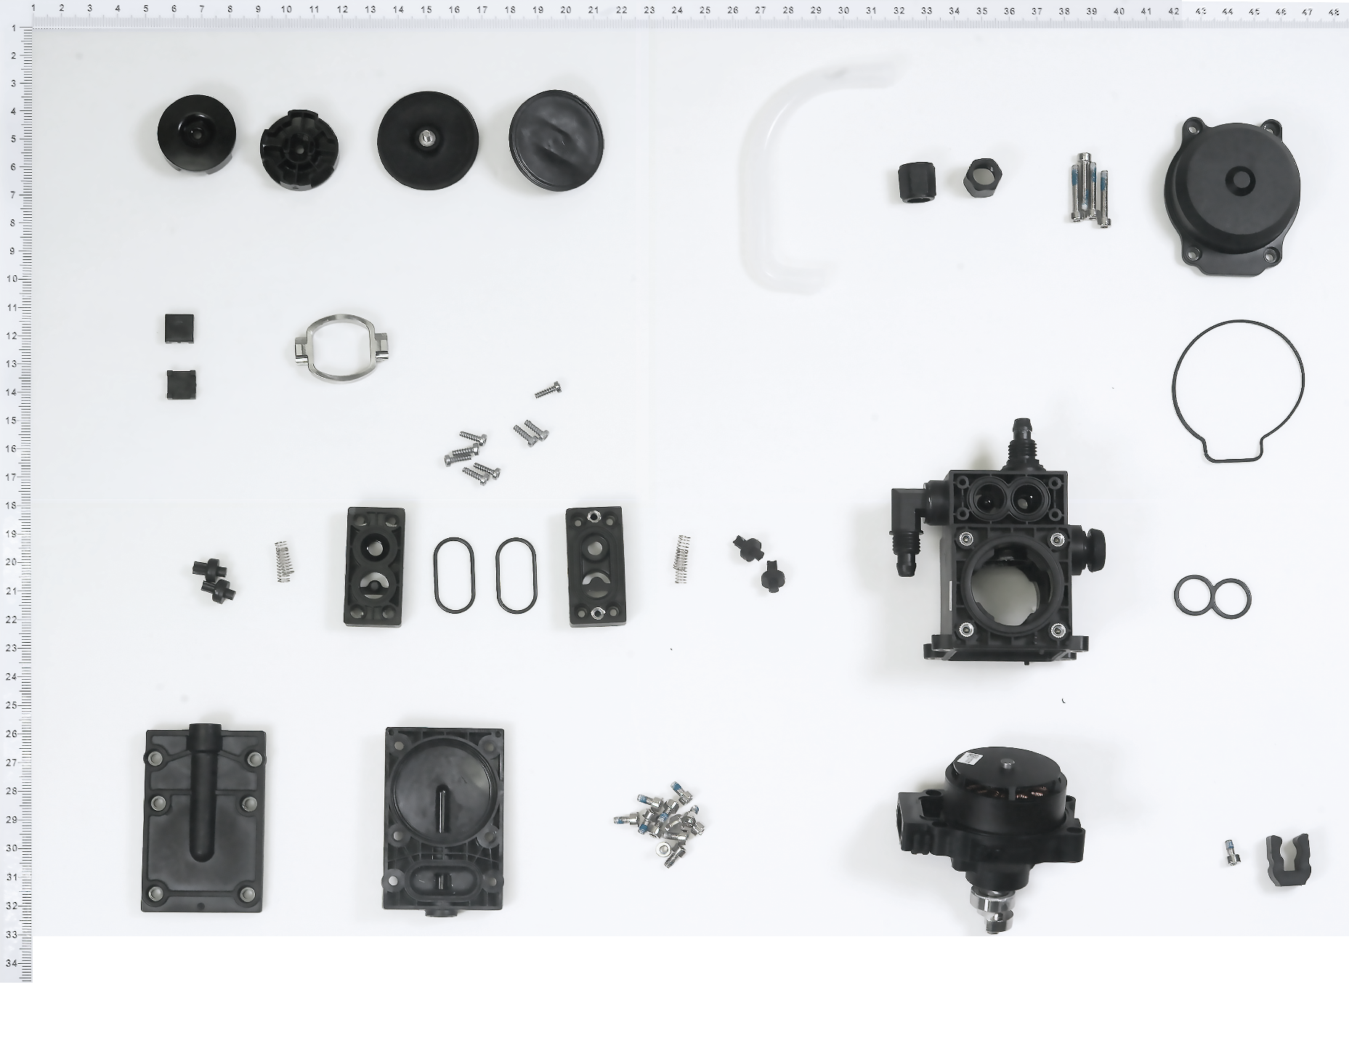
1
3
12
17
19
22
23
24
25
7
2
4
5
6
8
9
10
11
13
15
14
16
20
18
21
26

 | No | Material Number | Material Name(EN)
 | 1 | YC.SJ.L00006.01 | Connector Nut
 | 2 | YC.WJ.L00873.02 | M30-HC180180-55-85 V2
 | 3 | YC.WJ.ZZ002592.02 | Pump_Motor External Shell
 | 4 | YC.XJ.QT000228.02 | Water Pump_Motor Shell Sealing Ring
 | 5 | BC.AG.SS000096.01 | Pump
 | 6 | YC.XJ.QT000226.02 | Water Pump_Pump Sealing Ring
 | 7 | YC.SJ.J00840.02 | Pump One-way Valve
 | 8 | YC.WJ.TT000159.02 | Pump_One-way Valve Spring
 | 9 | BC.AG.SS000095.01 | Pump Motor
 | 10 | YC.SJ.D00409.02 | Hose Clip 2
 | 11 | YC.WJ.L00871.02 | Arm Screw
 | 12 | YC.XJ.QT000230.04 | Pump_Diaphragm
 | 13 | YC.XJ.QT000230.04 | Pump_Diaphragm
 | 14 | YC.SJ.WS002397.03 | Pump_Diaphragm Support
 | 15 | YC.SJ.WS002397.03 | Pump_Diaphragm Support
 | 16 | YC.JG.FM000002.01 | Pump Eccenter Bracket
 | 17 | YC.SJ.WS002394.02 | Pump_Square Pad
 | 18 | YC.WJ.L01213.01 | Screw T25-HC080080-45-21
 | 19 | YC.SJ.WS002395.02 | Pump_Valve Base
 | 20 | YC.WJ.L00870.02 | Arm Screw
 | 21 | YC.SJ.J00840.02 | Pump One-way Valve
 | 22 | YC.XJ.QT000231.02 | Water Pump_Valve Seat Sealing Ring
 | 23 | YC.SJ.WS002395.02 | Pump_Valve Base
 | 24 | YC.SJ.WS002396.04 | Delivery Pump Cover
 | 25 | YC.SJ.WS002396.04 | Delivery Pump Cover
 | 26 | YC.WJ.L00870.02 | Arm Screw

（Liquid Meter Bracket）
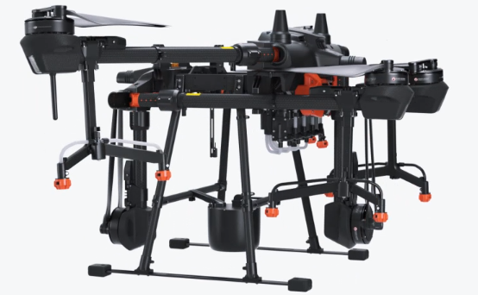
（Liquid Meter Bracket）
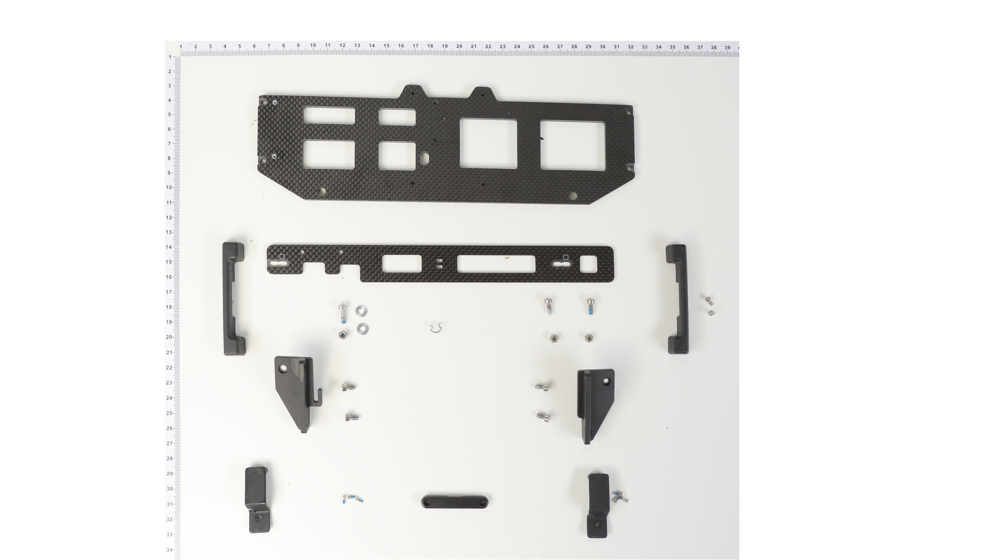
2
1
11
12
3
4
5
6
7
9
8
13
14
10
16
15
17

 | No | Material Number | Material Name(EN)
 | 1 | YC.SJ.TB000089.02 | Airframe_Carbon Board
 | 2 | YC.SJ.TB000072.03 | Spray Tank_Liquid Level Meter Sensor Mounting Carbon Board
 | 3 | YC.SJ.WS002408.03 | Spray Tank_Spray Tank Back Direction Guiding Block
 | 4 | YC.WJ.L01384.00 | Screw M20-HC050050-38-85
 | 5 | YC.WJ.L00868.02 | M30-HC080080-55-85
 | 6 | YC.SJ.WS003140.01 | Airframe_Carbon Board Right Fixing Piece_01
 | 7 | YC.WJ.L00868.02 | M30-HC080080-55-85
 | 8 | YC.SJ.WS002410.05 | Liquid Meter Sensor Bracket
 | 9 | YC.WJ.L00102 | Crosshead Screw M1.6×5.0 (Stainless Steel)
 | 10 | YC.WJ.Z01729.01 | Riveting Pad
 | 11 | YC.SJ.WS002408.03 | Spray Tank_Spray Tank Back Direction Guiding Block
 | 12 | YC.WJ.L00868.02 | M30-HC080080-55-85
 | 13 | YC.SJ.WS003139.01 | Airframe Carbon Fixing Piece
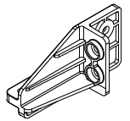
 | 14 | YC.WJ.TT000182.02 | Liquid Meter Cable Holder
 | 15 | YC.SJ.WS002620.02 | Airframe_Power Distribution Cable Clamp
18
 | 16 | YC.SJ.WS002410.05 | Liquid Meter Sensor Bracket
 | 17 | YC.WJ.L00102 | Crosshead Screw M1.6×5.0 (Stainless Steel)
 | 18 | YC.WJ.L00877.00 | M3 Nut

（Spray Lance）
(Spray Lance）
2
13
12
1
3
4
5
6
7
8
9
10
11

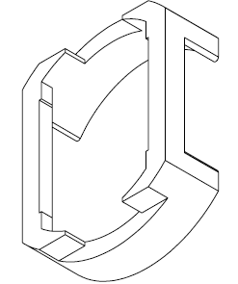
 | No | Material Number | Material Name(EN)
 | 1 | YC.SJ.J00790.02 | Nozzle Locating Ring
 | 2 | YC.SJ.J00791.03 | Nozzle Buckle
 | 3 | YC.SJ.J00794.03 | Nozzle Sealing Ring
 | 4 | YC.JG.ZS000074.01 | Sprinkler Body
 | 5 | YC.SJ.WS002723.02 | Sprinkler Nozzle
 | 6 | BC.AG.SS000214.01 | Electromagnetic Relief Valve Module
 | 7 | YC.JG.ZS000377.02 | Sprinkler Extended Fixing Rod (Left)（oversea） | YC.JG.ZS000181.03 | AG415_喷洒_包胶喷杆_加长_R_03
 | 7 | YC.JG.ZS000376.02 | Sprinkler Extended Fixing Rod (Right)（oversea）
 | 7 | YC.JG.ZS000181.03 | Sprinkler Extended Fixing Rod ( (Front Right/Rear Left))（CN）
 | 7 | YC.JG.ZS000182.03 | Sprinkler Extended Fixing Rod (Front Left/Rear Right))（CN）
 | 8 | YC.SJ.L00006.01 | Connector Nut
 | 9 | YC.SJ.WS001431.03 | Spray System_White Nylon Tube
 | 10 | YC.WJ.LL000120 | M30-HPW080050-80-85
 | 11 | YC.SJ.WS002823.01 | Long Aircraft Arm_Spray Lance Bracket
 | 12 | YC.WJ.L00873.02 | M30-HC180180-55-85 V2
 | 13 | YC.WJ.L00877.00 | M3 Nut

(Aircraft Arm)
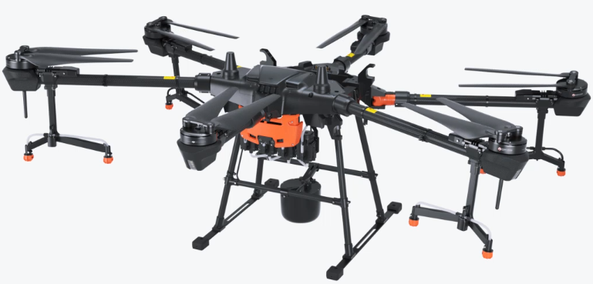
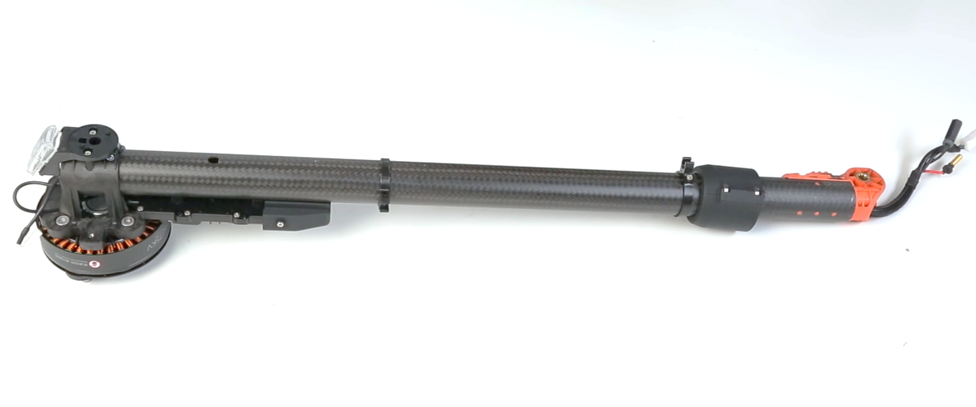
Aircraft Arm(M2)

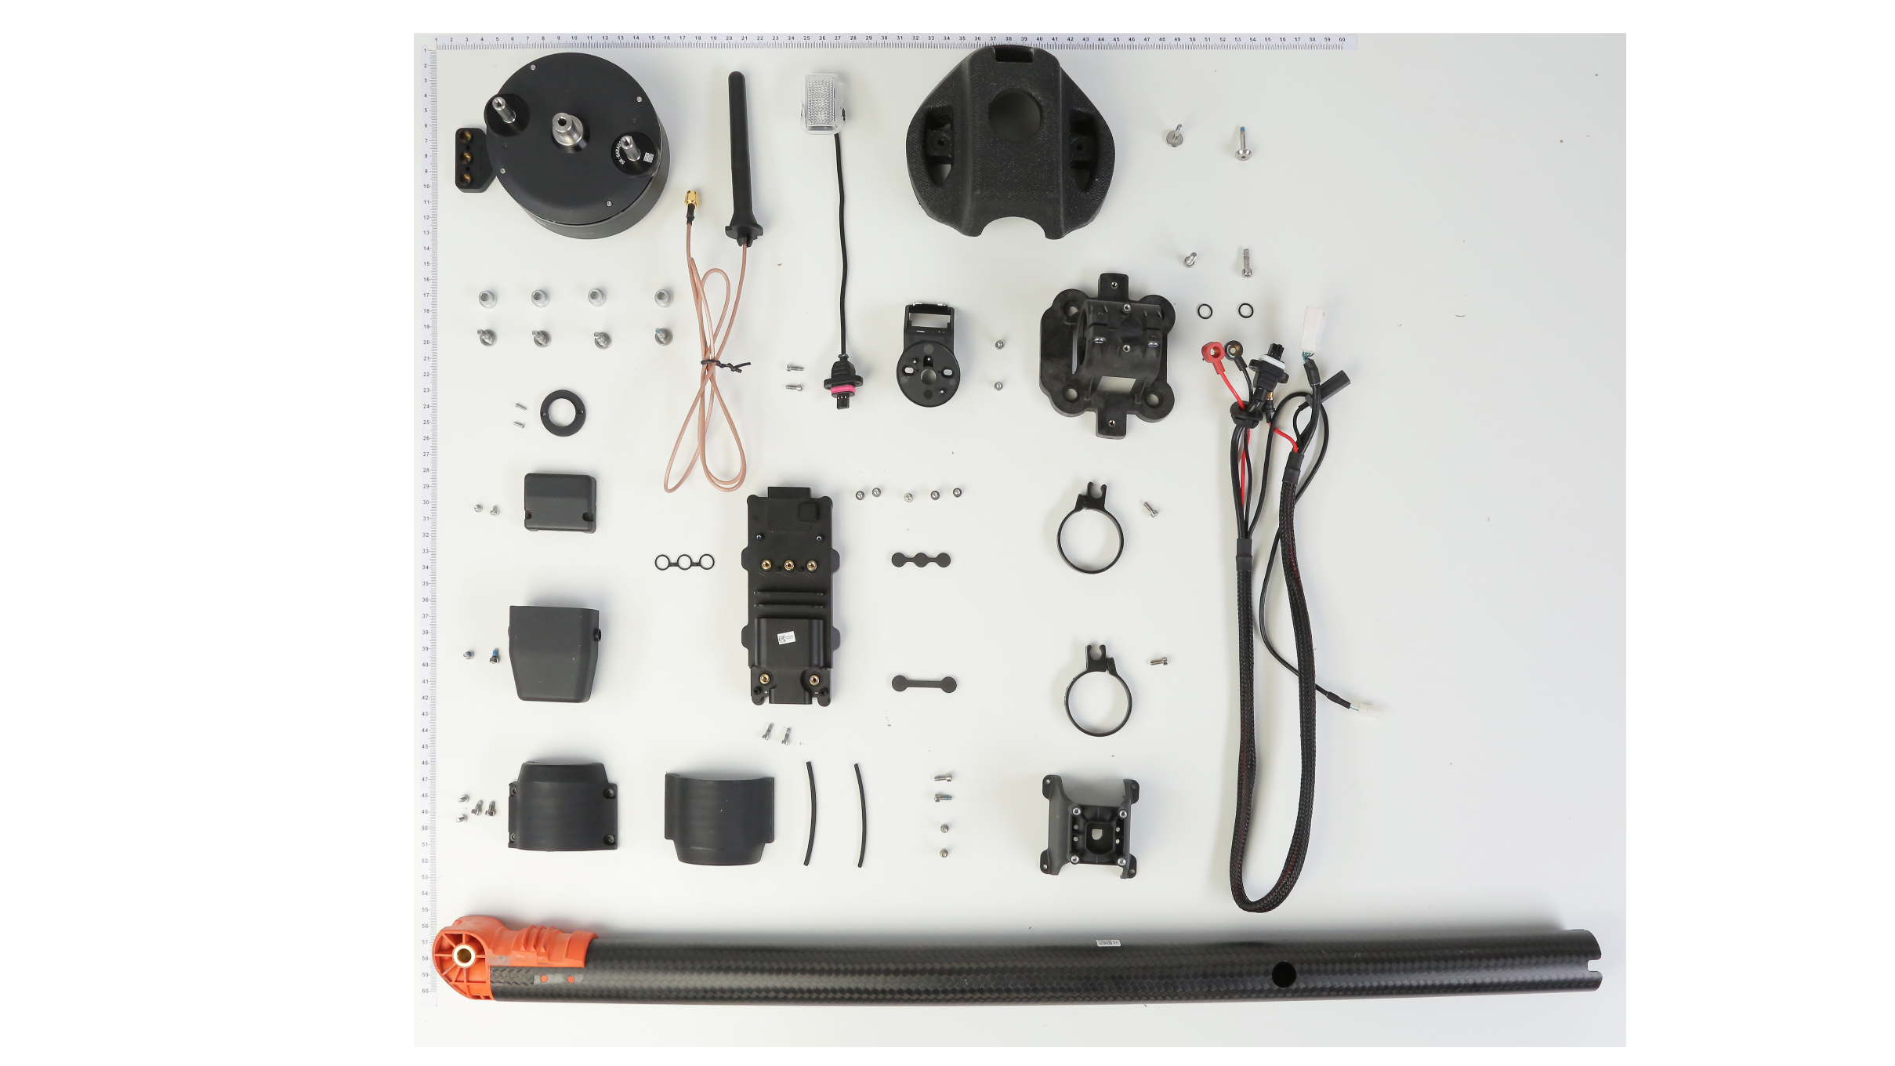
2
20
1
16
15
17
18
19
21
3
4
5
6
7
9
10
22
8
23
24
25
26
28
27
29
31
30
32
11
12
33
14
13
34

35

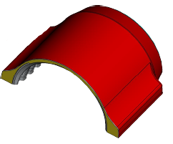
 | No | Material Number | Material Name(EN) | No | Material Number | Material Name(EN)
 | 1 | YC.QT.QT000024.05 | Motor Protective Cover | 31 | YC.WJ.L00155 | Hexagonal Socket Self-tapping Screw M2x6
 | 2 | YC.WJ.LL000213.02 | M30-HT01930060-110025-5103-Y | 32 | YC.JG.ZS000116.05 | Arm Locking Sleeve B
 | 3 | YC.SJ.WS002640.06 | LED Fixing Piece A | 33 | YC.JG.MY000113.03 | Arm Locking Sleeve Damping Rubber
 | 4 | YC.ST.LL000013.01 | M40-HC01400140-070039-0003-Y | 34 | BC.AG.SS000252.01 | M2 & M5 Arm (Front Left/Rear Right)
 | 5 | YC.XJ.QT000202.03 | ESC Cable Locking Screw Sealing Rubber | 35 | YC.WJ.L01148.00
 | 6 | YC.JG.ZS000176.01 | Motor Fixing Base
 | 7 | YC.XC.XX000517.03 | ESC Cable (M2/M3/M5/M6)
 | 8 | YC.WJ.L00870.02 | Arm Screw
 | 9 | YC.WJ.L00868.02 | M30-HC080080-55-85
 | 10 | YC.SJ.WS002462.02 | Pump_Aircraft Arm Buckle
 | 11 | YC.XJ.QT000336.02 | Aircraft Arm_Three-phase Cable Adapter Sealing Rubber Piece
 | 12 | YC.XJ.QT000202.03 | ESC Cable Locking Screw Sealing Rubber
 | 13 | YC.SJ.WS002823.02 | Spray Lance Fixing Piece (Long Arm)
 | 14 | YC.WJ.L00868.02 | M30-HC080080-55-85
 | 15 | BC.AG.SS000109.01 | Beacon Board
 | 16 | BC.AG.SS000231.01 | 10015 Propulsion Motor 2.0
 | 17 | YC.DZ.AA000086.03 | SDR Antenna
 | 18 | YC.WJ.ZZ003448.02 | Motor Pad
 | 19 | YC.WJ.LL000243.02 | M40-HC01500075-100020-5103-N_V2
 | 20 | YC.SJ.WS002532.02 | OcuSync 2.0 Antenna Fixing Base
 | 21 | YC.WJ.L00536.02 | T20PP0600603021
 | 22 | YC.WJ.LL000244.01 | Screw M30-HCW00600060-055020-5103-N
 | 23 | YC.SJ.WS002415.03 | Arm_ESC Protection Cover
 | 24 | YC.WJ.LL000138.01 | M25-HC00400040-050020-0003-N
 | 25 | YC.XJ.QT000338.03 | Motor Three-Phase Cable Waterproof Three-Jointed Rubber Ring
 | 26 | BC.AG.SS000106.01 | T16 Propulsion ESC Module
 | 27 | YC.WJ.L00870.02 | Arm Screw
 | 28 | YC.SJ.WS002831.02 | ESC_Protection Cove
 | 29 | YC.WJ.L01148.00 | Stainless Steel Socket Cap Screw (M2.5*8)
 | 30 | YC.JG.ZS000117.05 | Arm Locking Sleeve A

（Propeller）
Propeller
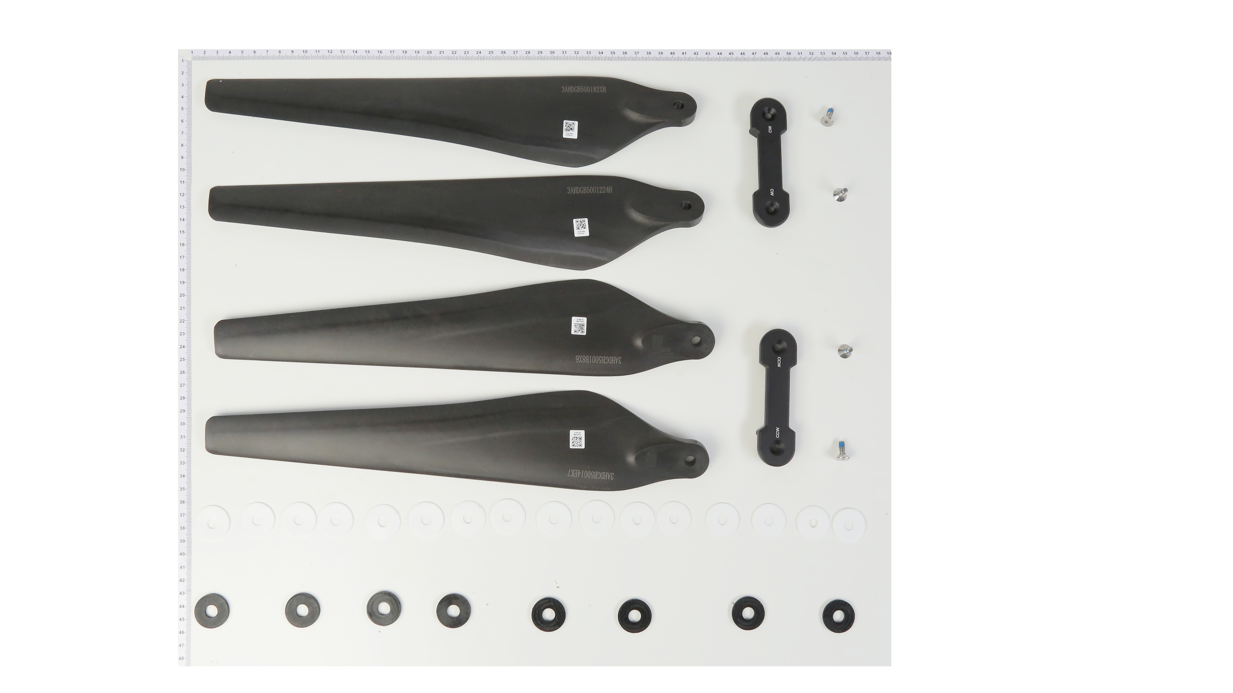
1
4
2
3
5
7
6
8
9

 | No | Material Number | Material Name(EN)
 | 1 | BC.AG.SS000259.01 | One Pair 3390 CW Propeller
 | 2 | YC.WJ.LL000251.02 | M50-HF01200100-116036-5103-Y
 | 3 | YC.JG.QX000238.03 | Propeller Clamp CW
 | 4 | BC.AG.SS000259.01 | One Pair 3390 CW Propeller
 | 5 | BC.AG.SS000258.01 | One Pair 3390 CCW Propeller
 | 6 | YC.JG.QX000240.01 | Propeller Clamp CCW
 | 7 | BC.AG.SS000258.01 | One Pair 3390 CCW Propeller
 | 8 | YC.SJ.WS002416.03 | Arm_R3185 Propeller Adapter Teflon Pad
 | 9 | YC.XJ.QT000196.04 | R3185 Propeller Adapter Rubber Pad

（Cable）
Power supply and signal lines of each module（Cable）
3
1
2
4
5
6

 | No | Material Number | Material Name(EN)
 | 1 | YC.XC.XX000519.03 | Aerial-Electronics Module Power Cable
 | 2 | YC.XC.XX000511.03 | Power Cable Connecting the Spraying Board and Delivery Pump
 | 3 | YC.XC.XX000513.03 | Signal Cable A Connecting the Spraying Board and Propulsion Module (Arm 1, 2, 3)
 | 4 | YC.XC.XX000512.03 | Signal Cable B Connecting the Spraying Board and Propulsion Module (Arm 4, 5, 6)
 | 5 | YC.XC.XX000510.03 | Radar Power Cable
 | 6 | YC.XC.XX000518.03 | Liquid Meter Signal Cable

