Sheet1
PROBLEM
RESULT
Task ID | Person | Role | Hours | Task ID | Developers | Developers Hours | Testers | Testers Hours | BAs | BAs Hours | Architects | Architects Hours | PMs | PMs Hours
1 | A | Developer | 83 | 1 | A, C, D | 199 | B | 94
1 | B | Tester | 94 | 2 | A | 78
1 | C | Developer | 70 | 3 | D | 12 | B | 33 | F | 21
1 | D | Developer | 46 | 4 | A, C | 117 |  |  |  |  | H, I | 125
2 | A | Developer | 78 | 5 |  |  | J | 37
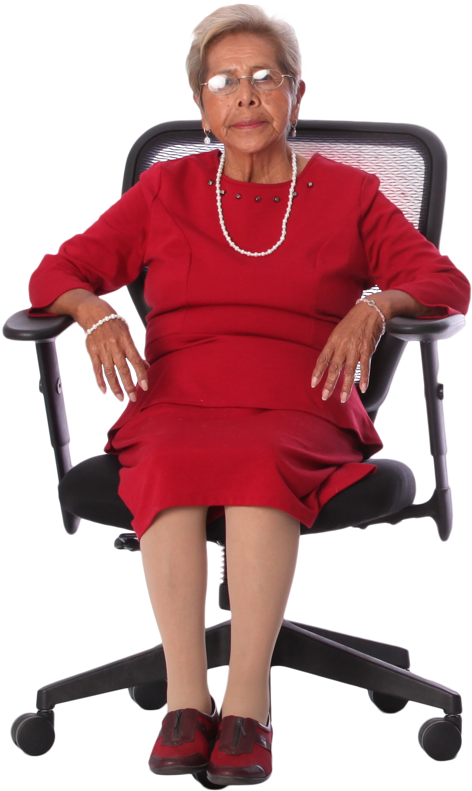
3 | B | Tester | 33 | 6 |  | 10 |  |  |  |  |  |  | L | 23
3 | F | BA | 21
3 | D | Developer | 12
4 | H | Architect | 69
Generate the result table from problem table where Hours are summation for a particular role.
Also notice, s is suffixed in role in result table. Hence, it is Developers, PMs.....not Developer, PM....
4 | I | Architect | 56
4 | A | Developer | 34
4 | C | Developer | 83
5 | J | Tester | 37
6 | C | Developer | 10
6 | L | PM | 23

