Front Shell
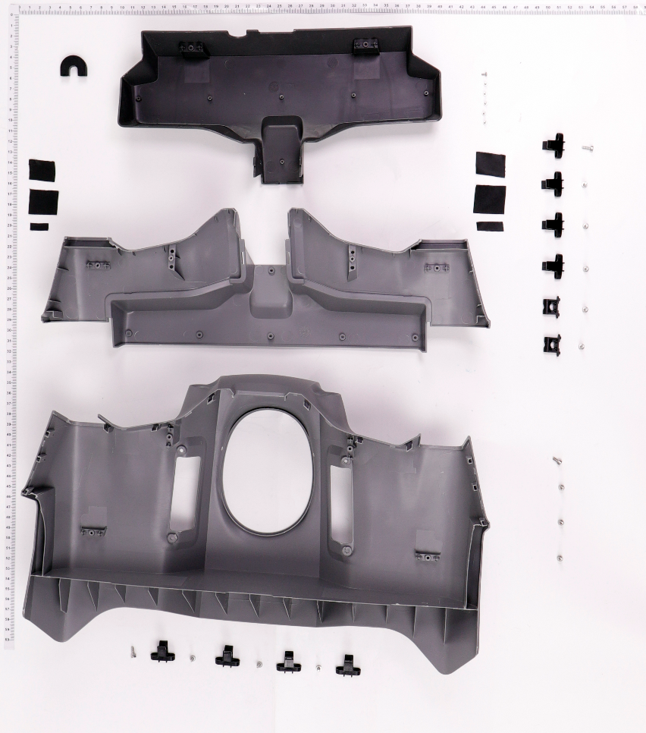
1
2
3
4
5
6
7
8
9
10

No. | Part Number | Description
1 | YC.JG.MY000776 | Spraying Adaptive Cable Sleeve
2 | YC.JG.ZS002432 | Front Lower Shell 2
3 | FL.SC.BB000001 | Acetate Fabric
4 | YC.JG.ZS002283 | Front Lower Shell
5 | YC.JG.ZS002282 | Front Upper Shell
6 | YC.WJ.L00870 | Screw M30-HC060060-55-85
7 | YC.JG.ZS002422 | Outer Shell Buckle
8 | YC.ST.LL000235 | T30-HC00800080-057030-5103-N
9 | YC.JG.ZS000998 | Rear Shell Small Buckle Base
10 | YC.ST.LL000236 | T20-PC00400040-040010-5103-N

Front Frame
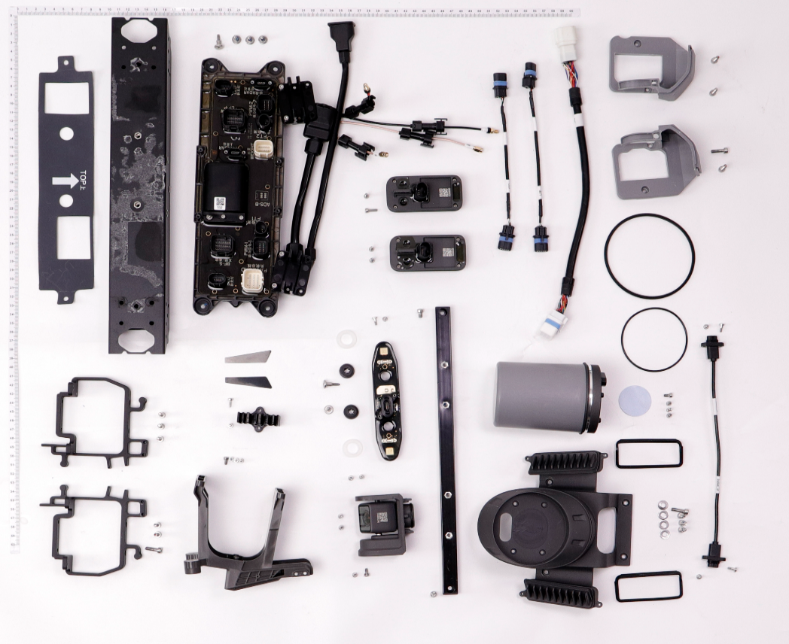
1
2
3
4
5
6
7
8
9
10
11
12
13
14
15
16
17
18
19
20
21
22
23
24
25
26
27
28
29
30
31
32
33
34
35
36
37
38
39
40
41
42
No. | Part Number | Description
1 | YC.ST.LL000226 | M30-HC01450080-100020-5103-Y
2 | BC.AG.SS000576 | Front Frame Aluminum Tube
3 | YC.JG.MQ001382 | Front Frame Insulation Sheet
5 | YC.WJ.L00871 | Screw M30-HC100100-55-85
6 | YC.WJ.L01549 | M25-HC060060-45-85
7 | YC.JG.MY000719 | Dual Vision Sensors Sealing Ring
8 | YC.JG.MY000380 | Damping Pad
9 | YC.ST.LL000226 | M30-HC01450080-100020-5103-Y
10 | YC.JG.MQ001384 | FPV Bracket Decorative Piece (Right)
11 | YC.JG.MQ001383 | FPV Bracket Decorative Piece (Left)
12 | YC.JG.QX002208 | Front Shell Bracket (Right)
13 | YC.ST.LL000235 | T30-HC00800080-057030-5103-N
14 | YC.JG.ZS002455 | Propulsion Cable Clip
15 | YC.WJ.L00870 | Screw M30-HC060060-55-85
16 | YC.WJ.L00870 | Screw M30-HC060060-55-85
17 | YC.JG.ZS002279 | FPV Bracket
18 | YC.ST.LL000013 | Screw M40-HC01400140-070039-0003-Y
19 | YC.JG.QX002209 | Front Shell Bracket (Left)
20 | BC.AG.SS000549 | FPV Module
21 | YC.WJ.L00870 | Screw M30-HC060060-55-85
22 | YC.WJ.L00876 | Screw M40-HC060060-55-85
23 | YC.JG.QX002207 | Radar Crossbeam
24 | YC.JG.MY000691 | Omnidirectional Radar Fixing Base_Heat Sink Part Sealing Ring
25 | YC.ST.LL000122 | Screw M25-HC00780040-040020-5108-N
26 | YC.JG.YZ000498 | Omnidirectional Radar Fixing Base
27 | YC.ST.LL000013 | Screw M40-HC01400140-070039-0003-Y
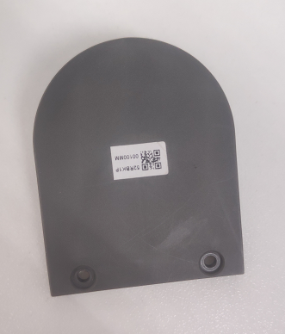
43
29 | YC.JG.MY000691 | Omnidirectional Radar Fixing Base_Heat Sink Part Sealing Ring
30 | YC.XC.XX000844 | Omnidirectional Radar Signal Cable
31 | YC.JG.MQ000710 | Radar Fixing Base Thermal Pad
32 | YC.WJ.L00870 | Screw M30-HC060060-55-85
44
33 | BC.AG.SS000551 | Omnidirectional Radar Module (Including Signal Cable)
34 | YC.JG.MY000746 | Radar Hood Sealing Ring (Outer)
35 | BC.AG.SS000562 | Forward Vision Sensor Module
36 | YC.JG.MY000745 | Omnidirectional Radar Fixing Base Sealing Ring
37 | BC.AG.SS000548 | Auxiliary Bottom Light Module (Including Signal Cable)
45
38 | YC.JG.ZS002476 | Front Frame Cable Bracket (Left)
39 | YC.ST.LL000013 | Screw M40-HC01400140-070039-0003-Y
40 | YC.XC.XX000853 | Auxiliary Bottom Light Signal Cable
41 | YC.XC.XX000842 | Spraying Adaptive Cable
42 | YC.JG.ZS002415 | Front Frame Cable Bracket (Right)
43 | YC.JG.ZS002304 | Side Arm
44 | YC.ST.LL000228 | M20-PC00400040-040010-5103-Y
45 | YC.JG.QX002407 | Enhanced Supporting Piece

Middle Frame
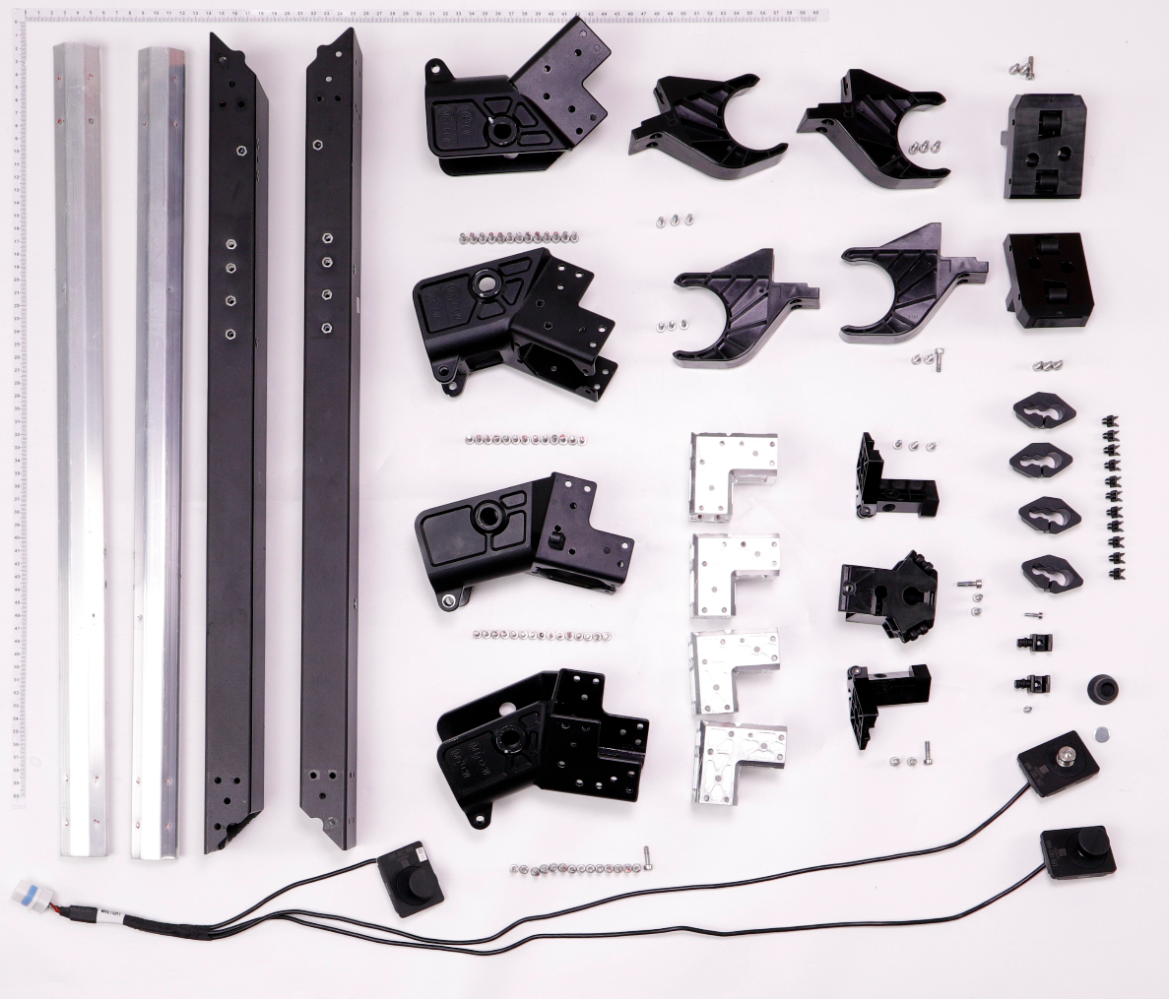
1
2
3
4
5
6
7
8
9
10
11
12
13
14
15
16
17
18
19
20
21
22
23
24
25
26
No. | Part Number | Description
1 | YC.JG.QX002085 | Cable Tube
2 | YC.JG.QX002258 | M4 Aircraft Arm Connector
3 | YC.ST.LL000013 | Screw M40-HC01400140-070039-0003-Y
4 | YC.JG.QX002257 | M3 Aircraft Arm Connector
5 | BC.AG.SS000579 | Middle Frame Aluminum Tube (Right)
6 | BC.AG.SS000578 | Middle Frame Aluminum Tube (Left)
7 | YC.JG.QX002136 | M2 Aircraft Arm Connector
8 | YC.JG.QX002135 | M1 Aircraft Arm Connector
9 | BC.AG.SS000550 | Load Sensor Module
10 | YC.JG.QX002110 | Middle Frame Insert Part
12 | YC.ST.LL000013 | Screw M40-HC01400140-070039-0003-Y
13 | YC.JG.BJ000942 | Weight Sensor Module Fixing Piece
14 | YC.JG.MY000790 | Load Sensor Rubber Cover
15 | YC.JG.ZS002259 | Hose Clip
16 | YC.WJ.L00871 | Screw M30-HC100100-55-85
18 | YC.JG.ZS002229 | Load Sensor Cable Clip
20 | YC.JG.MY000686 | Cable Tube Rubber Stopper
21 | YC.ST.LL000013 | Screw M40-HC01400140-070039-0003-Y
22 | YC.JG.ZS002191 | Aircraft Arm Fixing Piece (Left)
25 | YC.ST.LL000013 | Screw M40-HC01400140-070039-0003-Y
26 | YC.JG.ZS002192 | Aircraft Arm Fixing Piece (Right)

Load Sensor Bracket
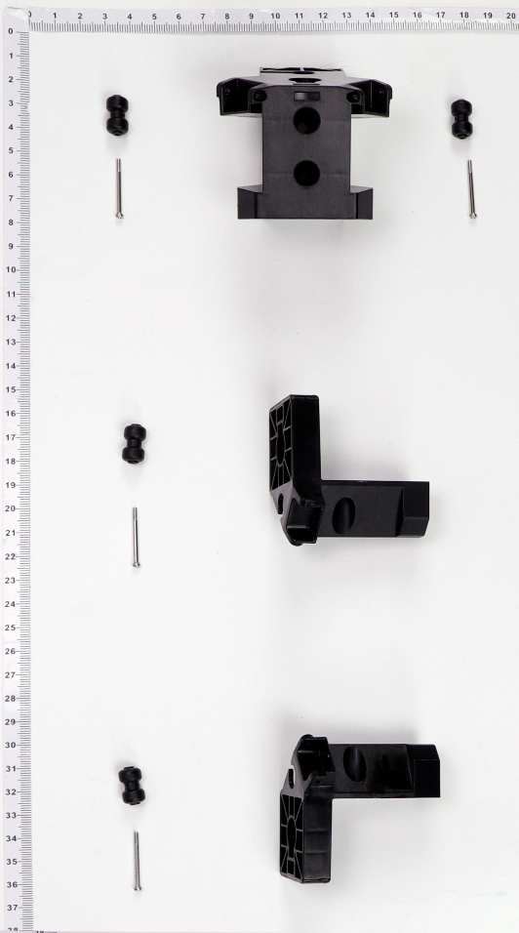
1
2
3
4
5

No. | Part Number | Description
1 | YC.JG.ZS002397 | Load Sensor Bracket Roller
2 | YC.JG.ZS002224 | Load Sensor Bracket (Front)
3 | YC.WJ.ZZ002618 | Spray Tank Fixing Piece_Roller Shaft
4 | YC.JG.ZS002226 | Load Sensor Bracket (Right)
5 | YC.JG.ZS002225 | Load Sensor Bracket (Left)

Battery Fixing Piece
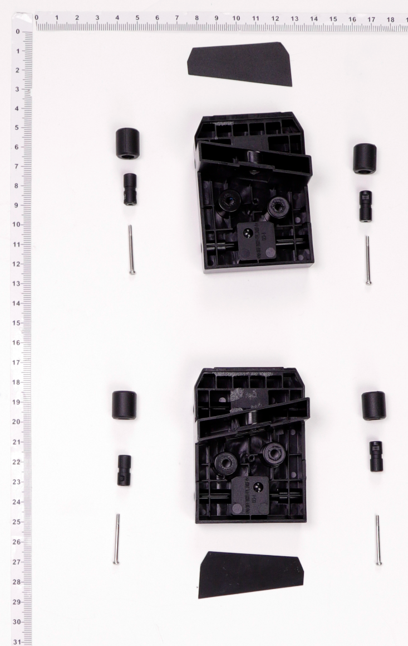
1
2
3
4
5
6
7

No. | Part Number | Description
1 | YC.JG.MQ001386 | Battery Supporting Piece Patch (Right)
2 | YC.XJ.QT000247 | Battery Fixing Piece_External Roller
3 | YC.SJ.WS002500 | Spray Tank Fixing Piece_Internal Roller
4 | YC.JG.ZS002295 | Battery Supporting Piece (Right)
5 | YC.WJ.ZZ002618 | Spray Tank Fixing Piece_Roller Shaft
6 | YC.JG.ZS002294 | Battery Supporting Piece (Left)
7 | YC.JG.MQ001385 | Battery Supporting Piece Patch (Left)

Rear Frame
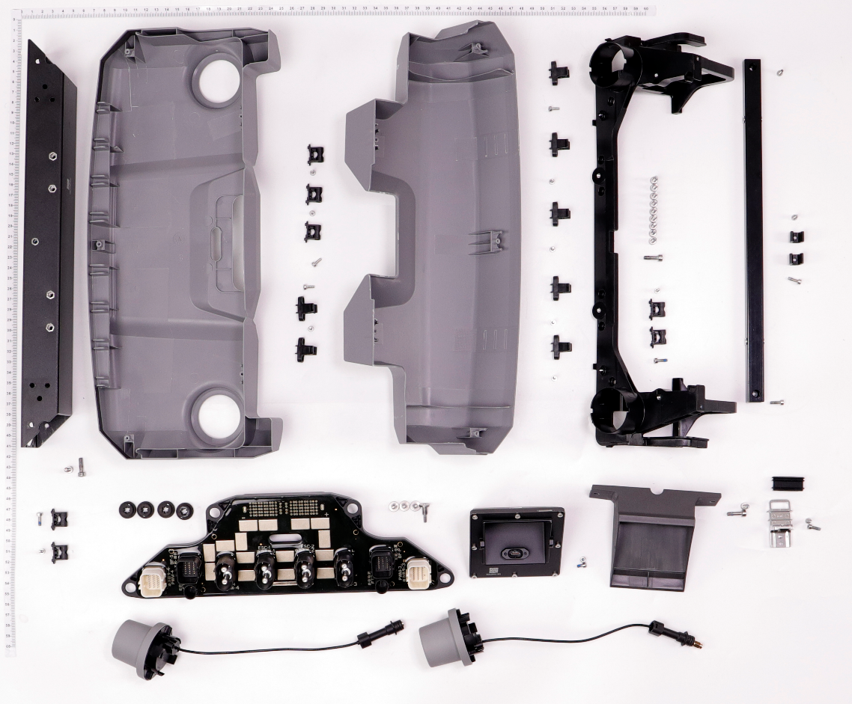
1
2
3
4
5
6
7
8
9
11
12
13
14
15
16
17
18
19
20
21
22
23
24
25
10
26
No. | Part Number | Description
1 | BC.AG.SS000577 | Rear Frame Aluminum Tube
2 | YC.JG.ZS002422 | Outer Shell Buckle
3 | YC.JG.ZS002298 | Rear Upper Cover
4 | YC.ST.LL000235 | T30-HC00800080-057030-5103-N
5 | YC.JG.ZS000998 | Rear Shell Small Buckle Base
6 | YC.JG.ZS002299 | Rear Lower Cover
7 | YC.ST.LL000013 | Screw M40-HC01400140-070039-0003-Y
8 | YC.JG.MY000380 | Damping Pad
9 | YC.WJ.L00871 | Screw M30-HC100100-55-85
10 | BC.AG.SS000558 | Power Distribution Board Module
11 | BC.AG.SS000560 | RTK Antenna Module
12 | YC.ST.LL000226 | M30-HC01450080-100020-5103-Y
13 | BC.AG.SS000561 | Backward Vision Sensor Radar Module
13 | BC.AG.SS000655 | Backward Vision Sensor Radar Module (Outside of Mainland China)
14 | YC.WJ.L00870 | Screw M30-HC060060-55-85
15 | YC.JG.ZS002284 | Downward Vision Radar Bracket
16 | YC.WJ.L00871 | Screw M30-HC100100-55-85
17 | YC.JG.FM000083 | Battery Buckle
18 | YC.JG.MY000736 | Battery Buckle Sealing Ring
19 | YC.ST.LL000013 | Screw M40-HC01400140-070039-0003-Y
20 | YC.WJ.L00871 | Screw M30-HC100100-55-85
21 | YC.WJ.L00871 | Screw M30-HC100100-55-85
22 | YC.JG.QX002224 | Rear Frame Crossbeam
23 | YC.WJ.L00871 | Screw M30-HC100100-55-85
24 | YC.JG.ZS002482 | Buckle
25 | YC.ST.LL000013 | Screw M40-HC01400140-070039-0003-Y
26 | YC.JG.ZS002222 | Real Shell Bracket

Landing Gear
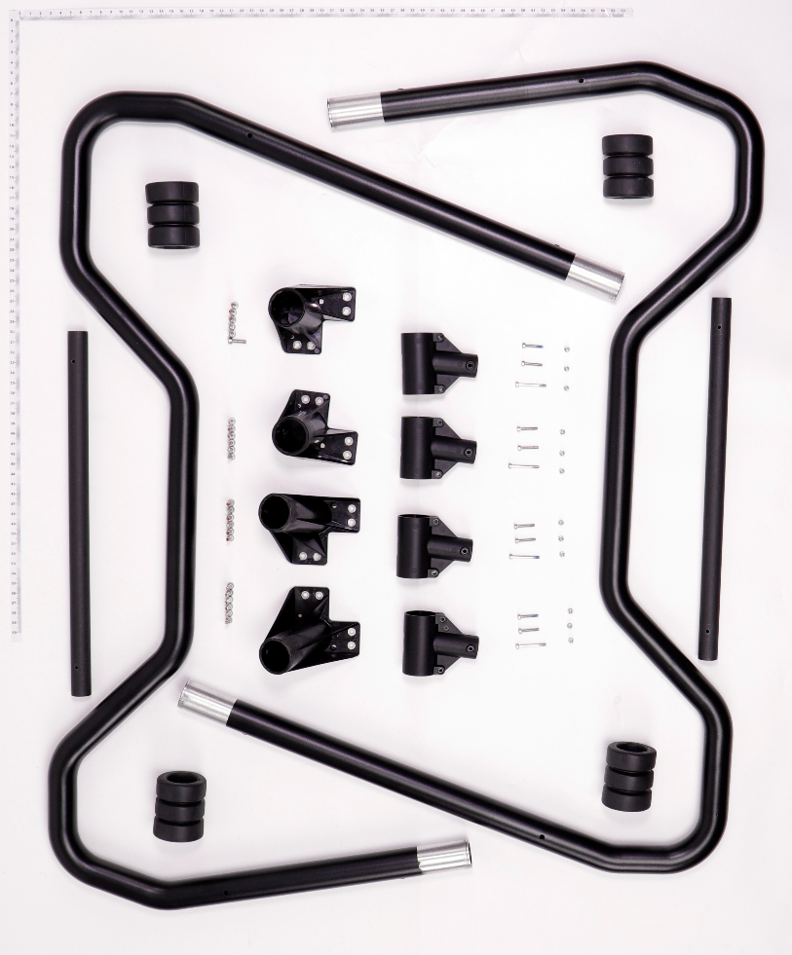
1
2
3
4
5
6
7
8
9
10
11
12

No. | Part Number | Description
1 | YC.JG.BJ001168 | Landing Gear Aluminum Tube
2 | YC.JG.FP000013 | Buffer Bottom Pad
3 | YC.JG.ZS002190 | Landing Gear Fixing Piece (Rear Right)
4 | YC.ST.LL000013 | Screw M40-HC01400140-070039-0003-Y
5 | YC.JG.ZS002189 | Landing Gear Fixing Piece (Rear Left)
6 | YC.JG.XW000089 | Landing Gear Crossbeam
7 | YC.JG.ZS002188 | Landing Gear Fixing Piece (Front Left)
8 | YC.JG.ZS002187 | Landing Gear Fixing Piece (Front Right)
9 | YC.JG.ZS002285 | Landing Gear Y-tee Part
10 | YC.ST.LL000017 | Screw M30-HC02800070-055030-0003-Y
11 | YC.WJ.L00877 | M3 Nut
12 | YC.WJ.L00873 | Screw M30-HC1880-55-85

Spray Tank
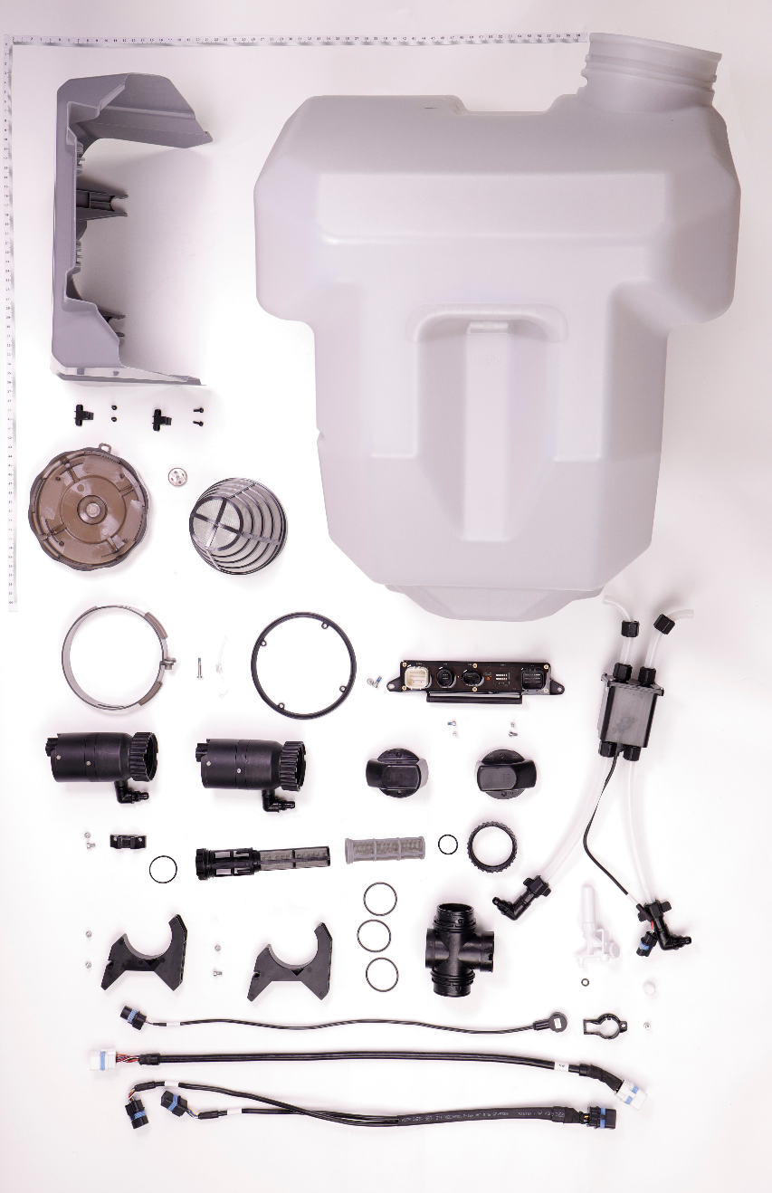
1
2
3
4
5
6
7
8
9
10
11
12
13
14
15
16
17
18
19
20
21
22
23
24
25
26
27
28
29
30
31
32
33
34
35
36

No. | Part Number | Description
1 | YC.JG.ZS002307 | Spray Tank Outer Shell
2 | YC.JG.CS000012 | Spray Tank (40L)
3 | YC.WJ.LL000424 | T30-HC00600060-057030-0323-N
4 | YC.JG.ZS000998 | Rear Shell Small Buckle Base
5 | YC.JG.ZS002250 | Spray Tank Cover Waterproof Permeability Cover
6 | YC.JG.ZS002251 | Spray Tank Cover
7 | YC.JG.ZS001085 | Spray Tank Inlet Filter
8 | YC.JG.MY000678 | Spray Tank Cover Waterproof Permeability Film
9 | YC.JG.MY000679 | Spray Tank Cover Sealing Ring
10 | YC.BZ.RB000011 | Spread Tank Lanyard
11 | YC.SJ.WS002423 | Spray Tank_Spray Tank Cover Ring
12 | YC.WJ.LL000211 | Screw M30-HC02050080-070020-5103-Y
13 | YC.JG.ZS002389 | Impeller Pump Protective Hood
15 | YC.JG.ZS000984 | Flow Meter Bracket
16 | YC.WJ.LL000232 | M40-HC01000100-072028-5103-N_01
17 | YC.JG.ZS002235 | Quick-Release Filter
18 | YC.SJ.J01186 | Filter Rubber Ring
19 | YC.WJ.L00876 | Screw M40-HC060060-55-85
20 | YC.JG.ZS002234 | Impeller Pump Bracket
21 | BC.AG.SS000547 | Liquid Level Meter Module
22 | YC.XC.XX000835 | Spraying Signal Cable
23 | YC.XC.XX000857 | Impeller Pump Signal Cable
24 | YC.JG.ZS002237 | Liquid Level Meter Bracket
25 | YC.WJ.L00876 | Screw M40-HC060060-55-85
26 | YC.SJ.WS002412 | Spray Tank_Liquid Level Meter Installation Nut
27 | YC.XJ.QT000194 | Spray Tank_Liquid Level Meter Installation Nut Sealing Ring
28 | YC.JG.ZS002232 | Spray Tank Y-tee Part
29 | BC.AG.SS000471 | Spray Tank Liquid Level Meter
30 | YC.JG.MY000687 | Spray Tank Y-tee Part Sealing Ring
31 | YC.JG.ZS002233 | Water Outlet Rotation Cover
32 | YC.JG.ZS002429 | Filter With 50 Holes
33 | YC.WJ.L00870 | Screw M30-HC060060-55-85
35 | BC.AG.SS000546 | Spraying Adapter Module
36 | YC.WJ.L00876 | Screw M40-HC060060-55-85

M1 & M2 Arms
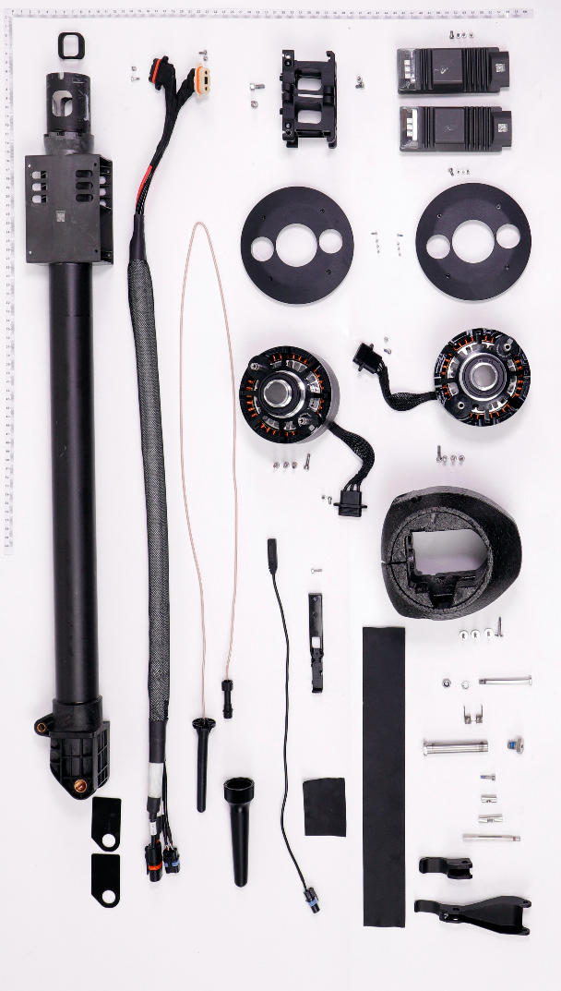
1
2
3
4
5
6
7
8
9
10
11
12
13
14
15
16
17
18
19
20
21
22
23
24
25
26
27
28
29
30
31
32
33
34
35

No. | Part Number | Description
1 | YC.JG.MY000758 | Aircraft Arm Rubber
2 | YC.ST.LL000122 | Screw M25-HC00780040-040020-5108-N
3 | YC.ST.LL000215 | M50-HC01200120-087050-5103-Y
4 | YC.JG.QX002151 | Motor Fixing Base
5 | BC.AG.SS000567 | M1 Aircraft Arm (Front Right)
6 | YC.JG.ZS002379 | Motor Upper Cover
7 | YC.XC.XS000011 | M1&M2 Aircraft Arm ESC Composite Cable
8 | BC.AG.SS000566 | 10033 Propulsion Motor
9 | YC.ST.LL000148 | M40-HC01400140-070039-4105-Y
10 | YC.WJ.L00870 | Screw M30-HC060060-55-85
11 | YC.WJ.L00871 | Screw M30-HC100100-55-85
12 | YC.XC.XX000834 | Aircraft Arm In-Position Detector Signal Cable
13 | YC.JG.ZS002278 | In-Position Detector Bracket
14 | FL.SC.BB000001 | Acetate Fabric
15 | YC.DZ.AA000275 | SDR Antenna
16 | YC.JG.ZS002394 | Aircraft Arm Friction Plate
17 | YC.JG.ZS002416 | SDR Protective Sleeve
18 | BC.AG.SS000575 | Locking Piece Handle
19 | YC.JG.MY000720 | Locking Piece Handle Rubber Sleeve
20 | YC.JG.QX002088 | Locking Piece Connection Rod
21 | YC.JG.QX002089 | Locking Piece Aircraft Arm Shaft
22 | YC.JG.QX001243 | Locking Piece_Handle Connecting Rod Shaft
23 | YC.ST.LL000013 | Screw M40-HC01400140-070039-0003-Y
24 | YC.JG.LD000039 | Aircraft Arm Fixing Screw
25 | YC.JG.TT000095 | Locking Piece Spring
26 | YC.JG.QX002314 | Aircraft Arm Fixing Screw Bolt
27 | YC.JG.LD000041 | Locking Piece Fixing Screw Bolt
29 | YC.WJ.LL000213 | M30-HT01930060-110025-5103-Y
30 | YC.WJ.LM000044 | M60-HX100060-5103_01
31 | YC.JG.FP000018 | Motor Cover
32 | YC.ST.LL000208 | M20-TC00700060-033010-0004-Y
33 | BC.AG.SS000563 | ESC Module
34 | YC.JG.LD000032 | Motor Locating Pin
35 | YC.WJ.L00870 | Screw M30-HC060060-55-85
36 | YC.JG.QX002788 | Motor Base Locking Piece
N/A | BC.AG.SS000568 | M2 Aircraft Arm (Front Left)

36

M3 & M4 Arms
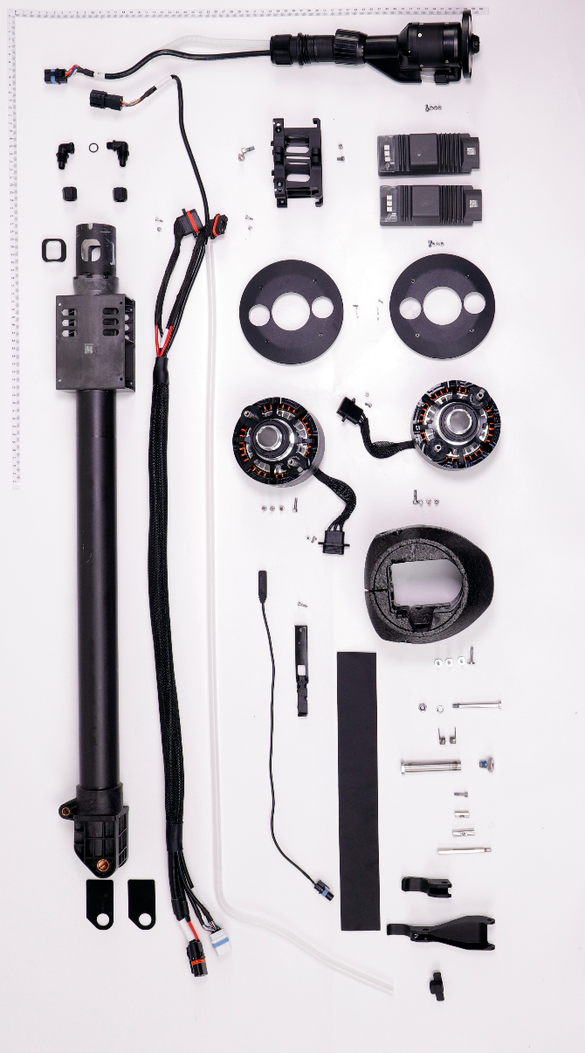
1
2
3
4
5
6
7
8
9
10
11
12
13
14
15
16
17
18
19
20
21
22
23
24
25
26
27
28
29
30
31
32
33
34
35
36
37
38
39
40

No. | Part Number | Description
1 | YC.JG.ZS002257 | Hose Curving Connector (Outer Thread)
2 | YC.XJ.QT000350 | Pump_Connector Sealing Ring
3 | YC.JG.ZS002258 | Hose Curving Connector (Inner Thread)
4 | YC.JG.ZS002255 | Hose Nut
5 | YC.ST.LL000122 | Screw M25-HC00780040-040020-5108-N
6 | YC.JG.MY000758 | Aircraft Arm Rubber
7 | BC.AG.SS000569 | M3 Aircraft Arm (Rear Left)
8 | YC.XC.XS000012 | M3&M4 Aircraft Arm ESC Composite Cable
9 | YC.JG.JS000018 | Aircraft Arm Hose
10 | YC.WJ.L00871 | Screw M30-HC100100-55-85
11 | YC.XC.XX000834 | Aircraft Arm In-Position Detector Signal Cable
12 | YC.JG.ZS002278 | In-Position Detector Bracket
13 | FL.SC.BB000001 | Acetate Fabric
14 | YC.JG.ZS002394 | Aircraft Arm Friction Plate
15 | YC.JG.ZS002534 | Thumb Nut
16 | BC.AG.SS000575 | Locking Piece Handle
17 | YC.JG.MY000720 | Locking Piece Handle Rubber Sleeve
18 | YC.JG.QX002314 | Aircraft Arm Fixing Screw Bolt
19 | YC.JG.QX002088 | Locking Piece Connection Rod
20 | YC.JG.QX002089 | Locking Piece Aircraft Arm Shaft
21 | YC.JG.QX001243 | Locking Piece_Handle Connecting Rod Shaft
22 | YC.ST.LL000013 | Screw M40-HC01400140-070039-0003-Y
23 | YC.JG.LD000039 | Aircraft Arm Fixing Screw
24 | YC.JG.TT000095 | Locking Piece Spring
25 | YC.JG.LD000041 | Locking Piece Fixing Screw Bolt
27 | YC.WJ.LL000213 | M30-HT01930060-110025-5103-Y
28 | YC.WJ.LM000044 | M60-HX100060-5103_01
29 | YC.JG.FP000018 | Motor Cover
30 | YC.ST.LL000148 | M40-HC01400140-070039-4105-Y
31 | BC.AG.SS000566 | 10033 Propulsion Motor
32 | YC.WJ.L00870 | Screw M30-HC060060-55-85
33 | YC.ST.LL000208 | M20-TC00700060-033010-0004-Y
34 | YC.JG.ZS002379 | Motor Upper Cover
35 | BC.AG.SS000563 | ESC Module
36 | YC.JG.QX002151 | Motor Fixing Base
37 | YC.JG.LD000032 | Motor Locating Pin
38 | YC.ST.LL000215 | M50-HC01200120-087050-5103-Y
39 | YC.WJ.L00870 | Screw M30-HC060060-55-85
41 | YC.JG.QX002788 | Motor Base Locking Piece
 | BC.AG.SS000570 | M4 Aircraft Arm (Rear Right)

41

Spray Rod
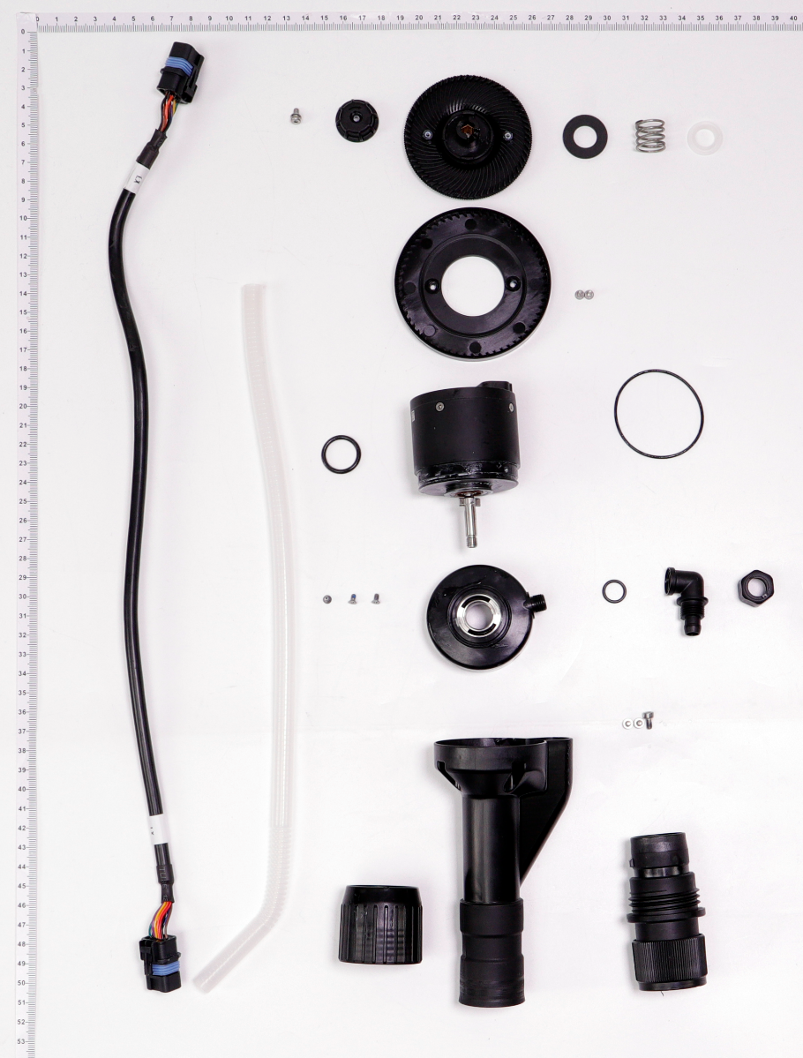
1
2
3
4
5
6
7
8
9
10
11
12
13
14
15
16
17
18
19
20
21
22
23

No. | Part Number | Description
1 | YC.JG.ZS002289 | Centrifugal Sprinkler Spring Bracket
2 | YC.WJ.LL000244 | Screw M30-HCW00600060-055020-5103-N
3 | YC.JG.ZS001879 | Centrifugal Sprinkler Spinner Disk_Lower Disk
4 | YC.XC.XX000841 | Centrifugal Sprinkler Signal Cable
5 | YC.JG.JS000019 | Spray Rod Hose
6 | YC.JG.MY000712 | Centrifugal Valve Rubber Pad
7 | YC.ST.LL000224 | M25-PF00500035-047015-5103-N
8 | BC.AG.SS000604 | Centrifugal Sprinkler Lower Cover
9 | YC.JG.ZS002483 | Centrifugal Spray Rod
10 | YC.JG.ZS002254 | Spray Rod Quick-Release Sleeve
11 | YC.JG.ZS002262 | Spray Rod Fixing Nut
12 | YC.JG.ZS002253 | Spray Rod Adaptive Shaft
13 | YC.WJ.L00870 | Screw M30-HC060060-55-85
14 | YC.JG.ZS002258 | Hose Curving Connector (Inner Thread)
15 | YC.JG.ZS002255 | Hose Nut
16 | YC.XJ.QT000350 | Pump_Connector Sealing Ring
17 | BC.AG.SS000565 | Centrifugal Motor
18 | YC.JG.MY000704 | Motor Sealing Ring
19 | YC.WJ.LL000138 | Screw M25-HC00400040-050020-0003-N
20 | YC.JG.ZS001878 | Centrifugal Sprinkler Spinner Disk_Upper Disk
21 | Part Number | Centrifugal Sprinkler Friction Piece
22 | YC.JG.TT000100 | Centrifugal Sprinkler Spring
23 | YC.JG.MY000715 | Centrifugal Sprinkler Sealing Ring

Cable Distribution Board
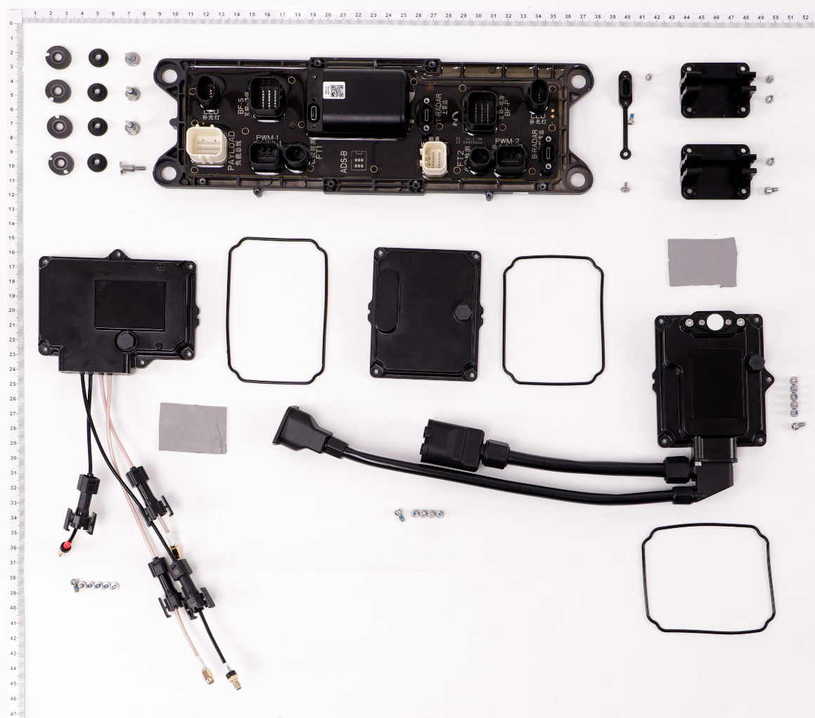
1
2
3
4
5
6
7
8
9
10
11
12
13
14
15
16
7
No. | Part Number | Description
1 | YC.ST.LL000226 | M30-HC01450080-100020-5103-Y
2 | YC.JG.QX002311 | Damping Pad A
3 | YC.JG.QX002312 | Damping Pad B
4 | YC.JG.MY000688 | RF Sealing Ring
5 | BC.AG.SS000552 | RF Board
6 | YC.JG.MY000690 | Aerial-Electronics Module and Spraying Module Sealing Ring
7 | YC.WJ.L00870 | Screw M30-HC060060-55-85
8 | BC.AG.SS000553 | Aerial-Electronics Module (CN)
8 | BC.AG.SS000616 | Aerial-Electronics Module (H)
8 | BC.AG.SS000617 | Aerial-Electronics Module (L)
9 | BC.AG.SS000554 | Spraying Module
10 | YC.JG.MQ001294 | Aerial-Electronics Module RF Thermal Conductive Pad
11 | BC.AG.SS000556 | Cable Distribution Board Module
12 | YC.WJ.LL000235 | M20-HPW00600060-065016-5103-Y_02
13 | YC.JG.ZS002451 | RF Cable Clip
14 | YC.WJ.L00870 | Screw M30-HC060060-55-85
15 | YC.ST.LL000122 | Screw M25-HC00780040-040020-5108-N
17
16 | YC.JG.MY000389 | Type-C Port Waterproof Cover
17 | YC.SJ.S00717 | Vent Trap

Impeller Pump
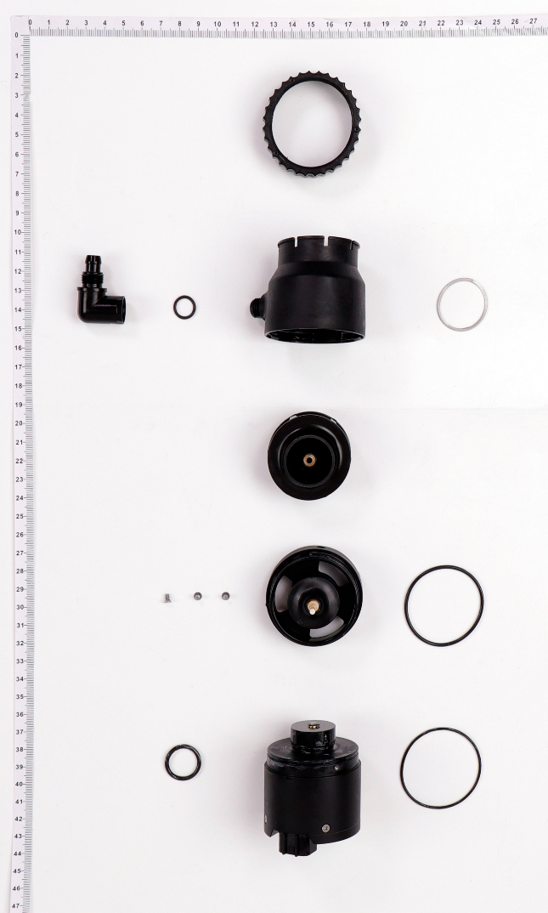
1
2
3
4
5
6
7
8
9
10
11
12

No. | Part Number | Description
1 | YC.JG.ZS002233 | Water Outlet Rotation Cover
3 | YC.JG.ZS002214 | Impeller Pump Shell
4 | YC.XJ.QT000350 | Pump_Connector Sealing Ring
5 | YC.JG.ZS002348 | Impeller Pump Curving Connector
6 | BC.AG.SS000544 | Impeller
7 | YC.JG.ZS002216 | Impeller Pump Spacing Sleeve
8 | YC.ST.LL000224 | M25-PF00500035-047015-5103-N
9 | YC.JG.MY000703 | Pump Sealing Ring
10 | YC.JG.MY000704 | Motor Sealing Ring
11 | YC.JG.MY000712 | Centrifugal Valve Rubber Pad
12 | BC.AG.SS000543 | Impeller Pump Motor

Flow Meter Water
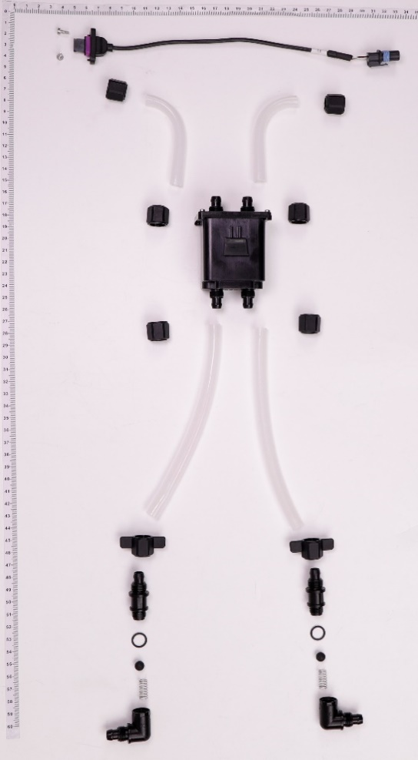
1
2
3
4
5
6
7
8
9
10
11
12

No. | Part Number | Description
1 | YC.ST.LL000122 | Screw M25-HC00780040-040020-5108-N
2 | YC.XC.XX000839 | Flow Meter Signal Cable
3 | YC.JG.ZS002255 | Hose Nut
4 | YC.JG.JS000022 | Impeller Pump Right-Angle Connector
5 | BC.AG.SS000545 | Flow Meter Module (Including Signal Cable)
6 | YC.JG.JS000027 | Flow Meter Water Outlet Curving Connector
7 | YC.JG.ZS002534 | Thumb Nut
8 | YC.JG.ZS002428 | Hose Right-Angle Connector
9 | YC.XJ.QT000350 | Pump_Connector Sealing Ring
10 | YC.JG.MY000705 | Sealing Ball
11 | YC.JG.TT000098 | Spring
12 | YC.JG.ZS002348 | Impeller Pump Curving Connector

Upper Propeller
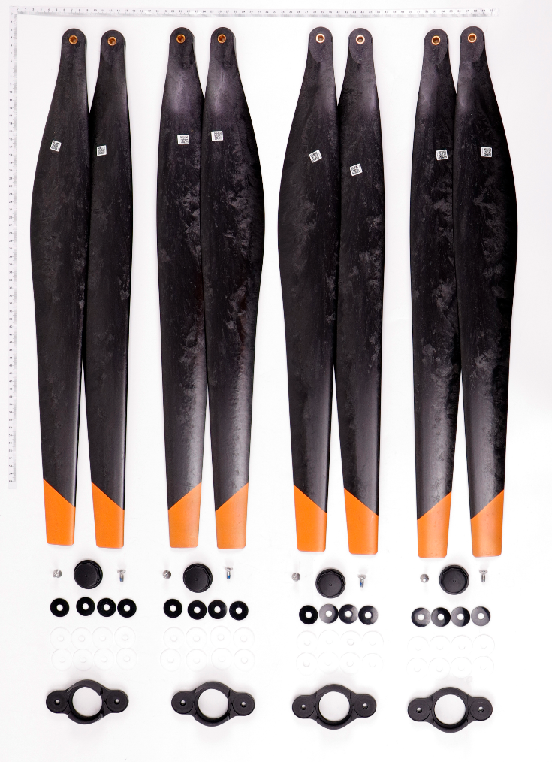
1
2
3
4
5
6
7

No. | Part Number | Description
1 | YC.JG.ZS001963 | Upper Propeller (CCW)
2 | YC.JG.ZS001964 | Upper Propeller (CW)
3 | YC.JG.ZS002292 | Motor Shaft Cover
4 | YC.ST.LL000209 | M50-HF01430102-116041-0003-Y
5 | YC.JG.MQ001280 | Rubber Pad
6 | YC.JG.MQ001292 | Teflon Pad
7 | YC.JG.QX002177 | Propeller Clamp

Lower Propeller
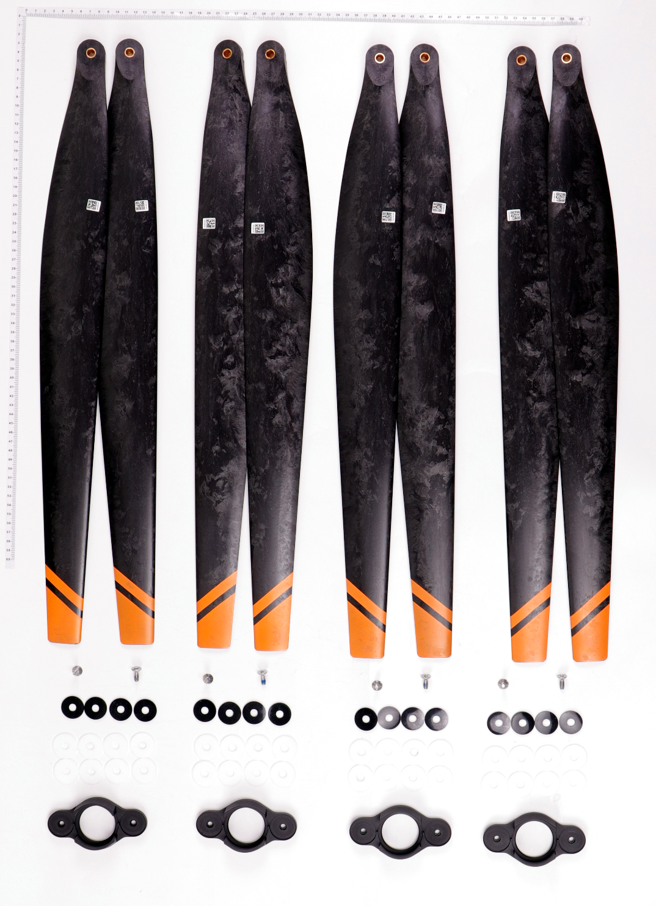
1
2
3
4
5
6

No. | Part Number | Description
1 | YC.JG.ZS001965 | Lower Propeller (CCW)
2 | YC.JG.ZS001966 | Lower Propeller (CW)
3 | YC.ST.LL000209 | M50-HF01430102-116041-0003-Y
4 | YC.JG.MQ001280 | Rubber Pad
5 | YC.JG.MQ001292 | Teflon Pad
6 | YC.JG.QX002177 | Propeller Clamp

Cables
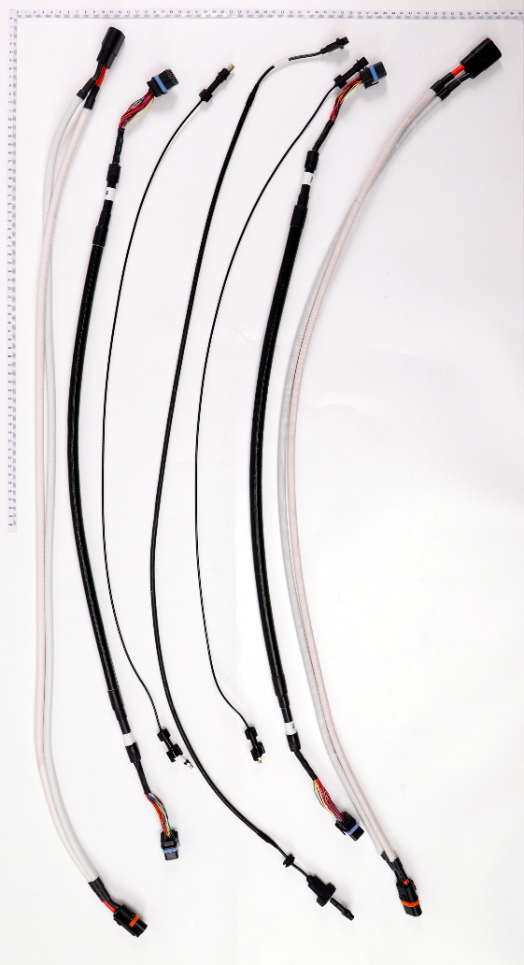
1
2
3
4

No. | Part Number | Description
1 | YC.XC.DD000501 | Front Aircraft Arm ESC Power Adapter Cable
2 | YC.XC.XX000840 | Signal Cable
3 | YC.XC.TT000104 | RTK Coaxial Cable
4 | YC.XC.XX000845 | Backward Vision Radar Signal Cable

