Sheet1
Name | Email Address
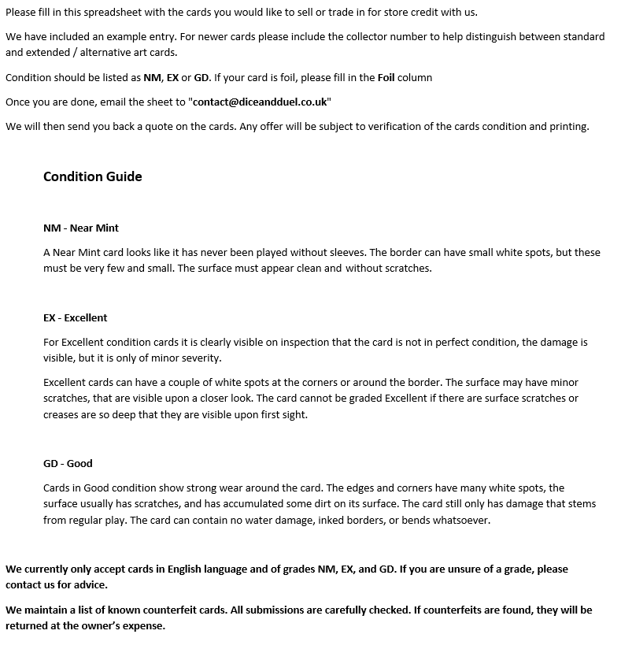

Quantity | Card name | Set Name or Code | Collector # | Condition | Foil | Notes
1 | Hushbringer | Throne of Eldraine | 339 | NM | Foil

