Instructions
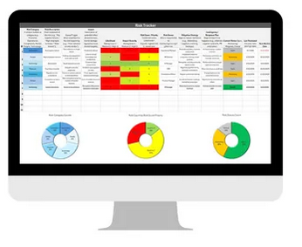
Purpose
The pourpose of this risk assessment is to ID all of the areas of risk in the business before they become a problem. From here, you can assign people responsible so these stay part of quarterly reviews and you minimize the likelihood of financial or other outcomes.

 | Instructions
1 | Review the headings and determine if anything is missing or needs edits and edit it
2 | If you want to change the drop down menus, go to data, data validation, then select the items to include all or find them in the spreadsheet behind the charts and rename. Drag the charts to the side to find them. Delete the ones you won't use so your charts update properly.
3 | You will need to update conditional formatting by either clearing it from cells or using the highlight when equal to and entering in the new names from the list
4 | The heat map in the scoring is set up under conditional formatting where the highest numbers are highest risk and red. The darker the green, lower the risk
5 | If you need more rows, it's easiest to right click and insert them in the middle of the sheet to avoid having to update formulas
6 | The first row has sample data, press delete to remove it

Google Sheets

Risk Sheet
Risk Tracker
ID | Risk Category A unique number or category (e.g., Financial, Operational, Compliance, Market, People, Technology). | Risk Description Clear statement of the risk (e.g., "Key supplier failure," "High employee turnover," "Data breach"). | Cause/Trigger What could lead to the risk happening (e.g., "Over-reliance on one vendor"). | Impact Description of potential effect (financial loss, brand damage, regulatory issue, missed targets). | Likelihood Rating (Low 1 / Medium 2 / High 3) | Impact Severity Rating (Low 1 / Medium 2 / High 3) | Risk Score / Priority Combined score (Likelihood × Impact), highest risk 9, lowest zero | Risk Owner Who is responsible for monitoring/managing this risk. | Mitigation Strategy Steps to reduce likelihood (e.g., diversifying suppliers, training, backups) | Contingency / Response Plan Steps to take if risk happens (e.g., alternate supplier contracts, PR crisis plan) | Current Status Open, Monitoring, Mitigated, Closed | Last Reviewed Ensures risks don’t go stale | Next Review Date
1 | Operational | Key supplier failure | Over-reliance on single vendor | Production delays | 3 | 2 | 6 | Operations Manager | Diversify suppliers, maintain safety stock | Activate backup supplier contract | Open | 2025-06-01 | 2025-08-15
2 |  |  |  |  | 1 | 2 | 2
3
4
5
6
7
8
9
10
11
12
13
14
15
Risk Category Counts
Risk Count by Risk Score/Priority
Risk Status Count

 |  |  |  |  |  | Low 0 to 3 | 1 |  |  |  | Open | 1
 | Operational | 1 |  |  |  | Med 4 to 7 | 1 |  |  |  | Monitoring | 0
 | People | 0 |  |  |  | High 8 to 9 | 0 |  |  |  | Closed | 0
 | Technology | 0
 | Financial | 0
 | Market | 0
 | Compliance | 0

