Dashboard
TWB Watch Collection Dashboard

Overview
This dashboard provides a comprehensive overview of your watch collection's wear patterns and utilization. It highlights which watches receive the most wrist time, overall collection usage, and key metrics to help you optimize your collection. The insights are based on aggregated and ranked data across your entire collection, focusing on total hours worn and utilization percentages.

Overall Insights
• Top performer: Seiko SKX007 with 13 total hours (41.9% of total wear time).
• Least worn: Rolex Submariner with only 8 hours of total wear time.
• Difference between top (Seiko SKX007) and least worn (Rolex Submariner) watch: 5 hours (16.1% of total wear time).
• Total under-utilized watches: 3 out of 3 tracked watches.
• Top three watches account for 100.0% of total wrist time.
• Average utilization: 33.3%. Highest: 41.9%. Lowest: 25.8%.
• Consider wearing Rolex Submariner more often to balance your collection’s usage.

Top Watch Utilization |  | Total Watch Tracked |  | Average Wrist Time |  | Total Days Logged
41.94% |  | 3 |  | 10.3 hours per watch |  | 4

Top 10 Watches by Total Hours Worn

Rank | Watch Name | Times Worn | Total Hours | % of Total Hours | % of Total Hours |  | Key Insights
1 | Seiko SKX007 | 2 | 13.0 | 41.94% | Under Utilized |  | • Collection Utilization Overview: 0 well utilized, 0 moderately utilized, and 3 under utilized watches. Most of your collection remains underutilized — consider rotating more watches.
2 | Omega Speedmaster | 1 | 10.0 | 32.26% | Under Utilized
3 | Rolex Submariner | 1 | 8.0 | 25.81% | Under Utilized
4
5
6
7
8
9
10

Watches by Wrist Time

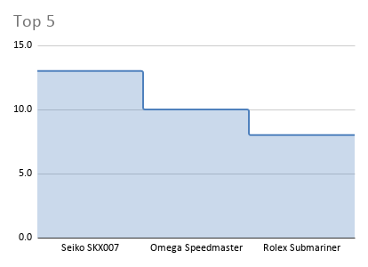
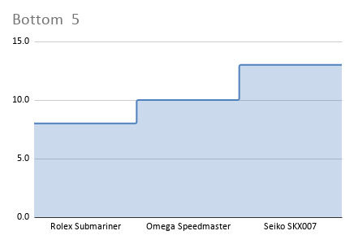
 |  |  |  |  |  |  | Key Insights

 |  |  |  |  |  |  | • Your most worn watch is the Seiko SKX007, with 13 total hours (41.94% of total wear time). This could be a great candidate for an upgrade or servicing soon. Meanwhile, your least utilized watch is the Rolex Submariner, worn for only 8 hours (25.81% of total time). You might consider selling or rotating it out of your collection.

Watch Usage Summary by Context

 |  |  |  |  |  |  | Key Insights

 |  |  |  |  |  |  | • Work: Your most used watch is Rolex Submariner (8 hrs) while the least used is Rolex Submariner (8 hrs).
 |  |  |  |  |  |  | • Casual: Omega Speedmaster dominates with 10 hrs, while Omega Speedmaster trails at only 10 hrs.
 |  |  |  |  |  |  | • Formal: For formal occasions, Seiko SKX007 leads with 5 hrs, and Seiko SKX007 is least worn at 5 hrs.
 |  |  |  |  |  |  | • Weekend: On weekends, Seiko SKX007 is the top choice (8 hrs), while Seiko SKX007 is least used (8 hrs).

